Route_Summary
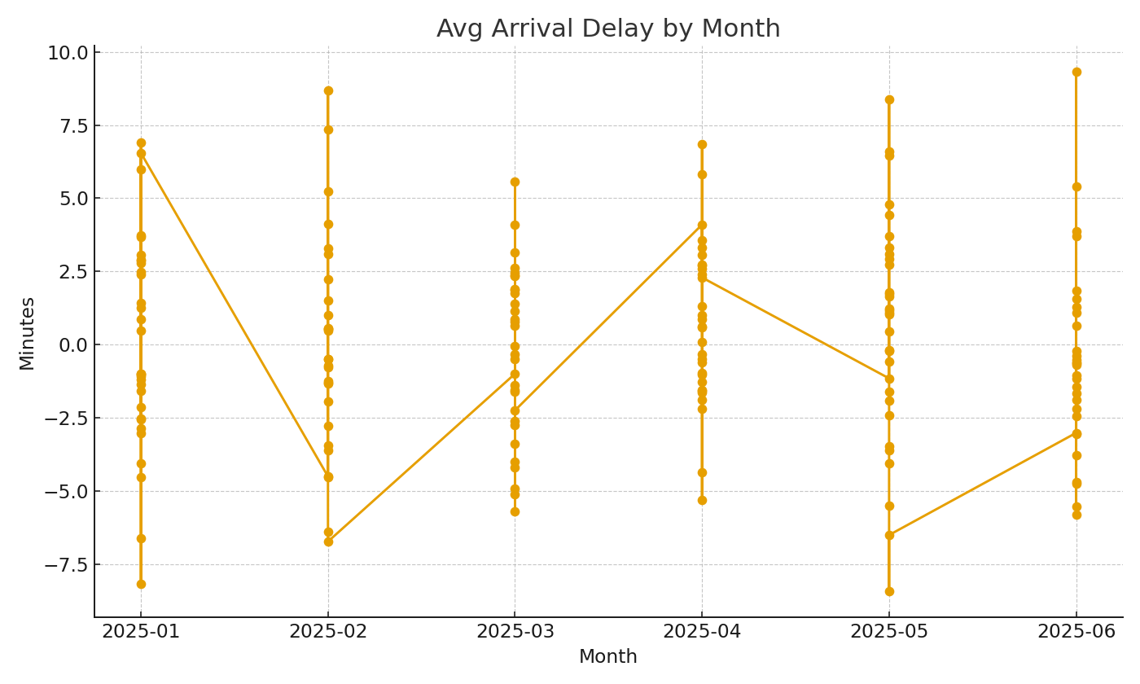
Note: Summary by route with cross-sheet formulas.
Route | Flights | AvgArrDelayMin | Passengers
RT-0001
RT-0002
RT-0003
RT-0004
RT-0005
RT-0006
RT-0007
RT-0008
RT-0009
RT-0010
RT-0011
RT-0012
RT-0013
RT-0014
RT-0015
RT-0016
RT-0017 |  |  |  | Air_image_001 – Avg arrival delay by month.
RT-0018
RT-0019
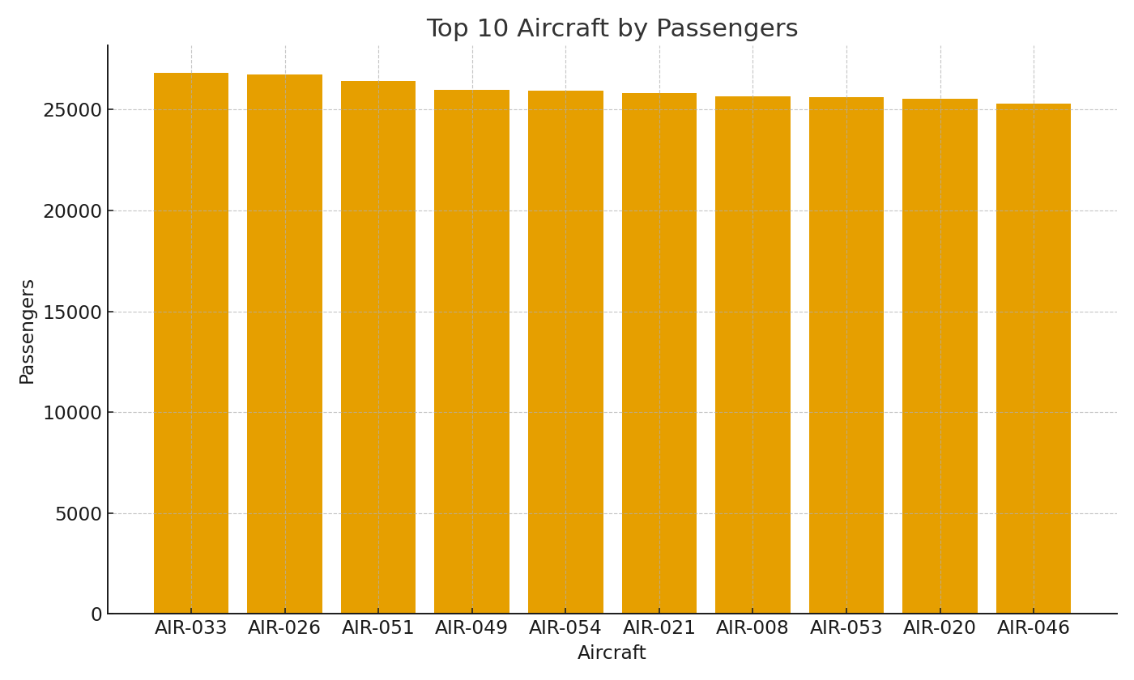
RT-0020
RT-0021
RT-0022
RT-0023
RT-0024
RT-0025
RT-0026
RT-0027
RT-0028
RT-0029
RT-0030
RT-0031
RT-0032
RT-0033
RT-0034
RT-0035
RT-0036 |  |  |  | Air_image_002 – Top aircraft by passenger volume.
RT-0037
RT-0038
RT-0039
RT-0040
RT-0041
RT-0042
RT-0043
RT-0044
RT-0045
RT-0046
RT-0047
RT-0048
RT-0049
RT-0050
RT-0051
RT-0052
RT-0053
RT-0054
RT-0055
RT-0056
RT-0057
RT-0058
RT-0059
RT-0060

