Type_Summary
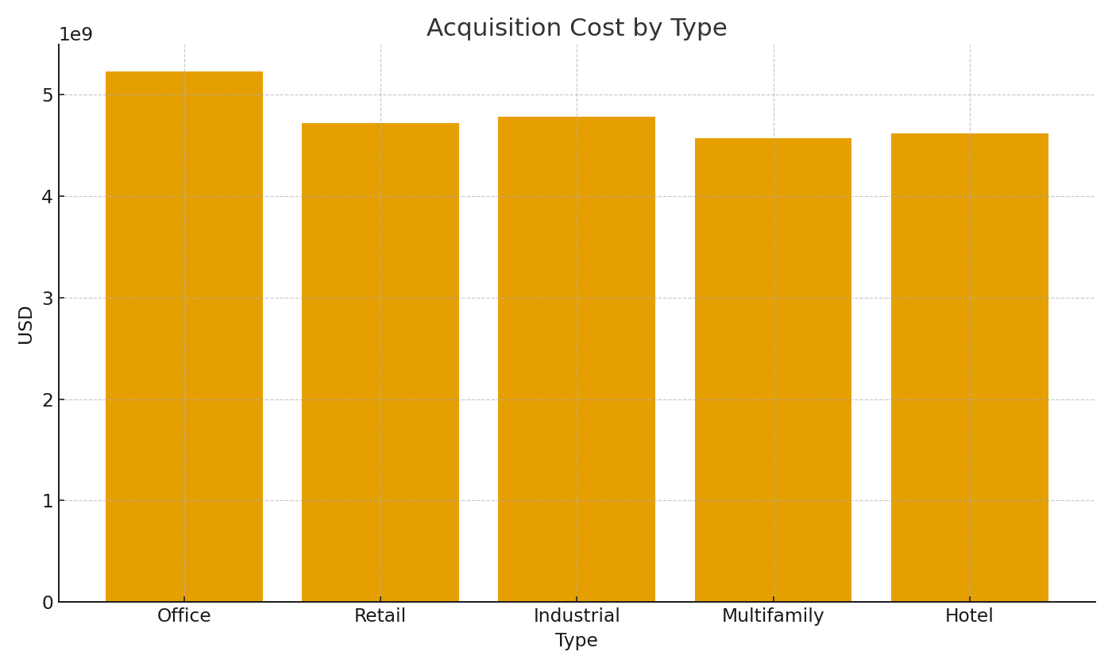
Note: Summary by property type with formulas.
Type | CountProps | TotalAcqUSD | AvgRentUSDpsf
Office
Retail
Industrial
Multifamily
Hotel

 |  |  |  | RE_image_001 – Acquisition cost by asset type.

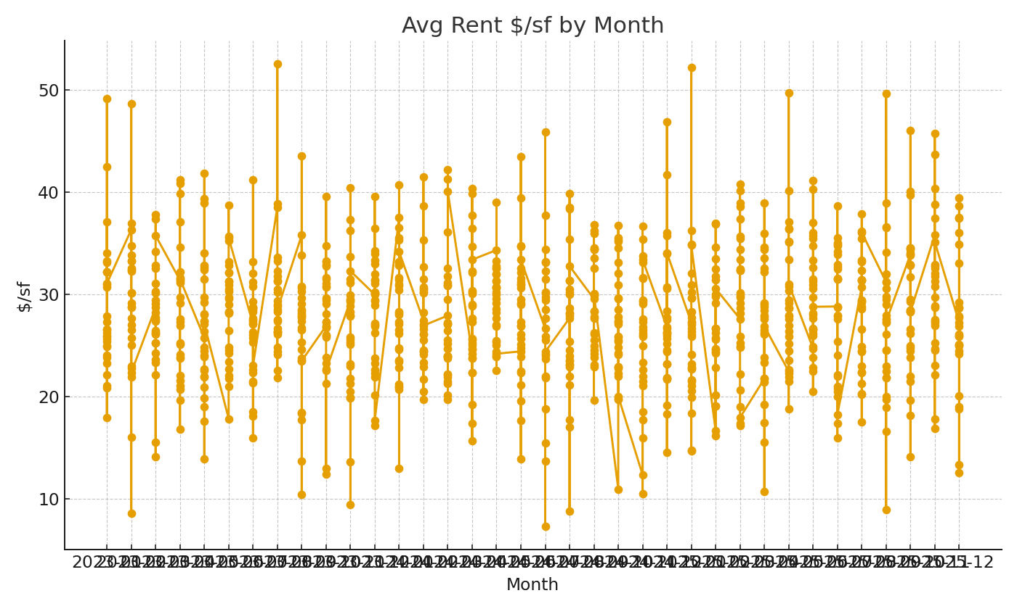

 |  |  |  | RE_image_002 – Average rent trend.

