Channel_Summary
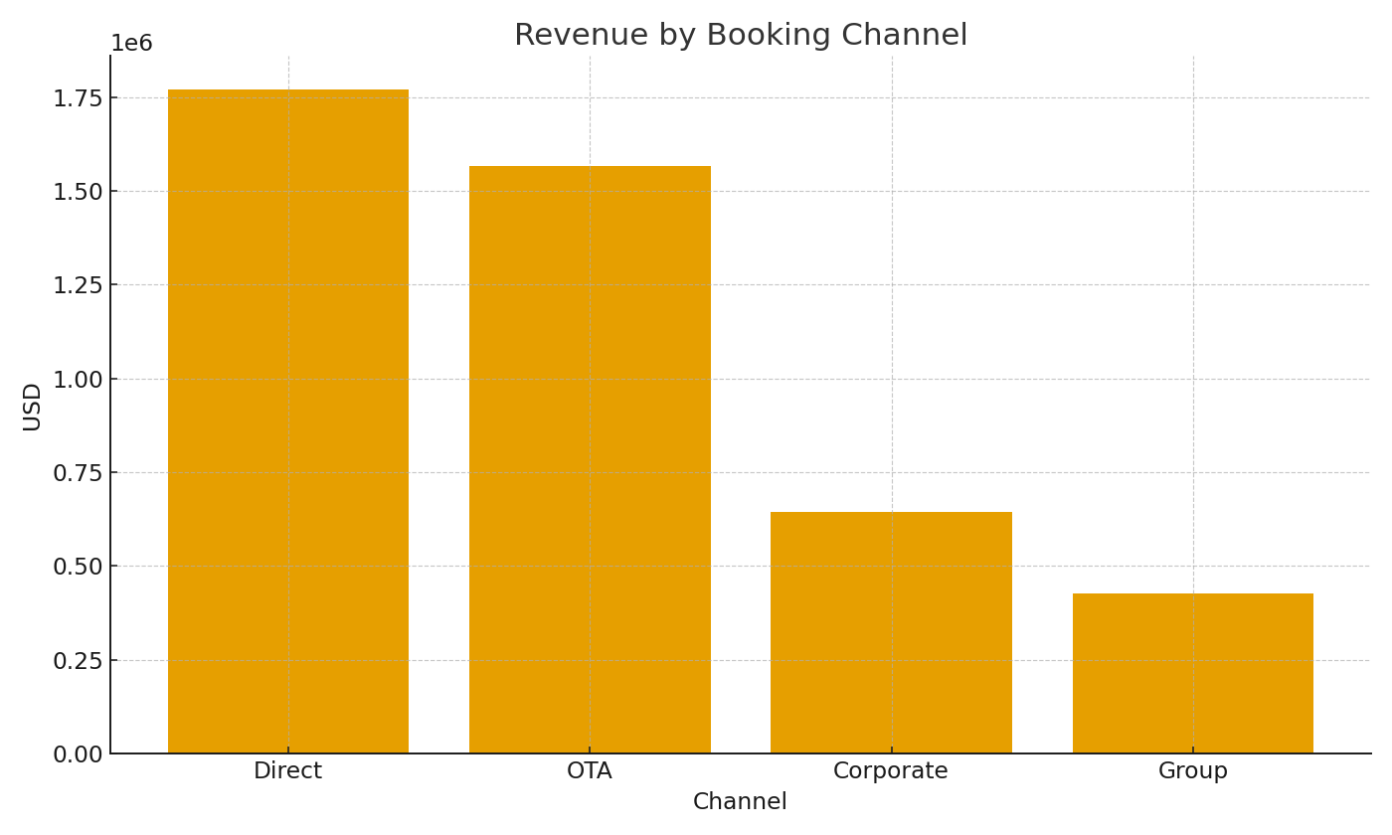
Channel | RoomsSold | RevenueUSD | RevPAR
Direct | #VALUE! | #VALUE! | #VALUE!
OTA | #VALUE! | #VALUE! | #VALUE!
Corporate | #VALUE! | #VALUE! | #VALUE!
Group | #VALUE! | #VALUE! | #VALUE!

 |  |  |  | Hotel_image_001 – Revenue by booking channel.

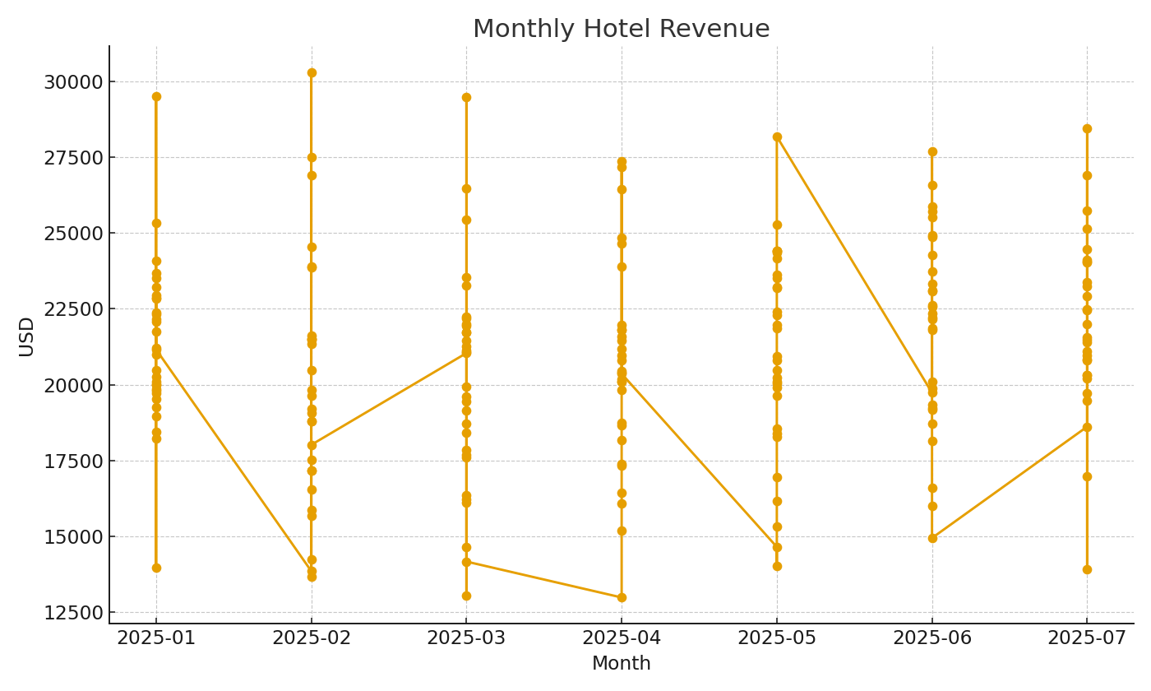

 |  |  |  | Hotel_image_002 – Monthly revenue trend.

