Crop_Summary
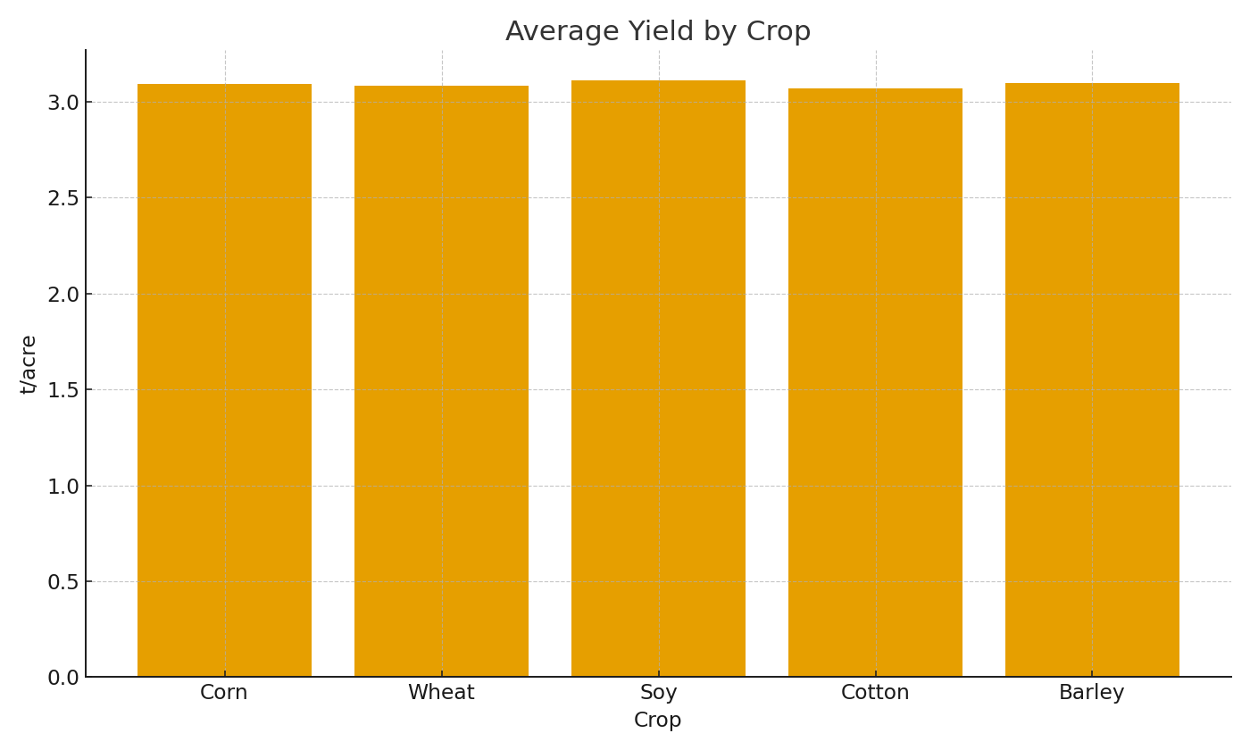
Crop | AvgYield_t_per_acre | TotalCostUSD
Corn | #VALUE! | #VALUE!
Wheat | #VALUE! | #VALUE!
Soy | #VALUE! | #VALUE!
Cotton | #VALUE! | #VALUE!
Barley | #VALUE! | #VALUE!

 |  |  | Ag_image_001 – Avg yield by crop.

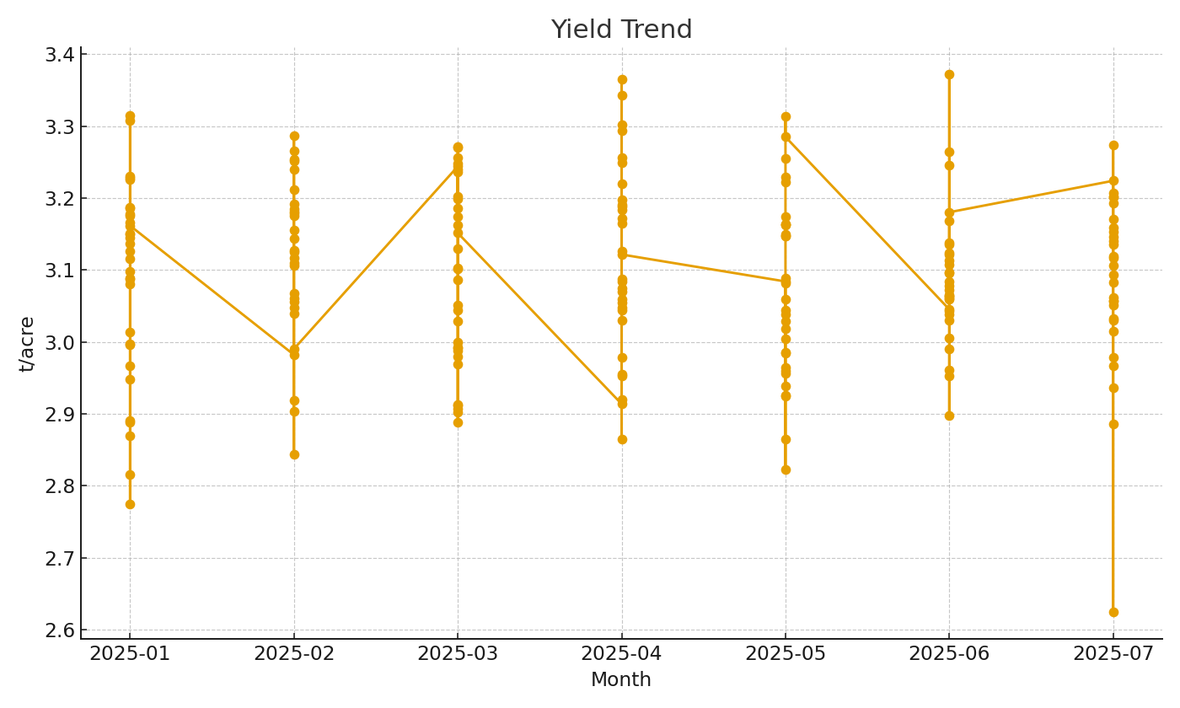

 |  |  | Ag_image_002 – Yield trend by month.

