Site_Summary
SiteID | Enrollments | AvgALT
SITE-001 | #VALUE! | #VALUE!
SITE-002 | #VALUE! | #VALUE!
SITE-003 | #VALUE! | #VALUE!
SITE-004 | #VALUE! | #VALUE!
SITE-005 | #VALUE! | #VALUE!
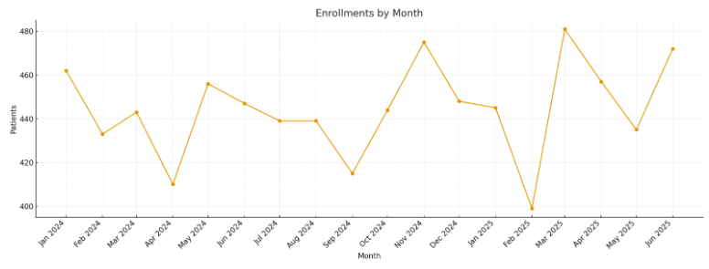
SITE-006 | #VALUE! | #VALUE!
SITE-007 | #VALUE! | #VALUE!
SITE-008 | #VALUE! | #VALUE!
SITE-009 | #VALUE! | #VALUE!
SITE-010 | #VALUE! | #VALUE!
SITE-011 | #VALUE! | #VALUE!
SITE-012 | #VALUE! | #VALUE!
SITE-013 | #VALUE! | #VALUE!
SITE-014 | #VALUE! | #VALUE!
SITE-015 | #VALUE! | #VALUE!
SITE-016 | #VALUE! | #VALUE!
SITE-017 | #VALUE! | #VALUE! | Pharma_image_001 – Enrollments by month.
SITE-018 | #VALUE! | #VALUE!
SITE-019 | #VALUE! | #VALUE!
SITE-020 | #VALUE! | #VALUE!
SITE-021 | #VALUE! | #VALUE!
SITE-022 | #VALUE! | #VALUE!
SITE-023 | #VALUE! | #VALUE!
SITE-024 | #VALUE! | #VALUE!
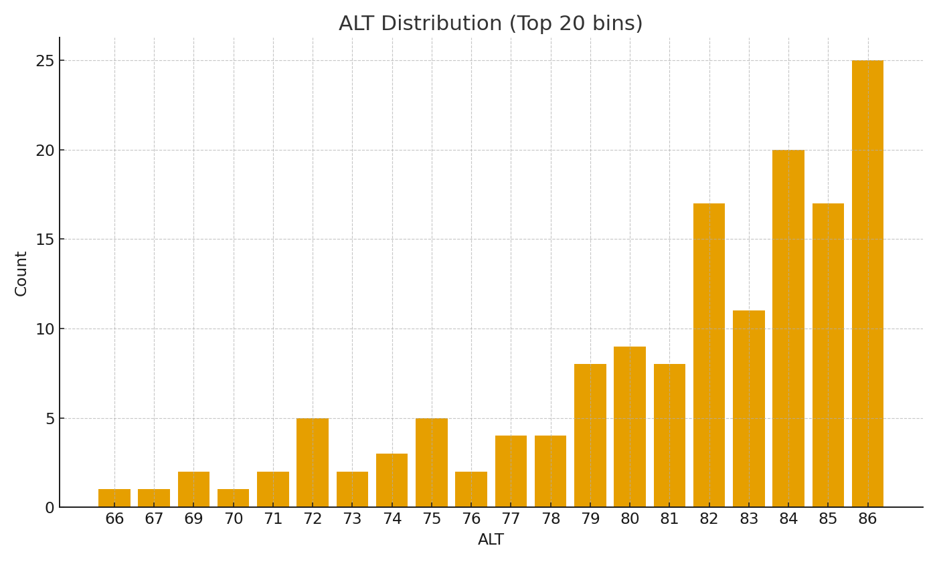
SITE-025 | #VALUE! | #VALUE!
SITE-026 | #VALUE! | #VALUE!
SITE-027 | #VALUE! | #VALUE!
SITE-028 | #VALUE! | #VALUE!
SITE-029 | #VALUE! | #VALUE!
SITE-030 | #VALUE! | #VALUE!
SITE-031 | #VALUE! | #VALUE!
SITE-032 | #VALUE! | #VALUE!
SITE-033 | #VALUE! | #VALUE!
SITE-034 | #VALUE! | #VALUE!
SITE-035 | #VALUE! | #VALUE!
SITE-036 | #VALUE! | #VALUE! | Pharma_image_002 – ALT distribution bars (top bins).
SITE-037 | #VALUE! | #VALUE!
SITE-038 | #VALUE! | #VALUE!
SITE-039 | #VALUE! | #VALUE!
SITE-040 | #VALUE! | #VALUE!
SITE-041 | #VALUE! | #VALUE!
SITE-042 | #VALUE! | #VALUE!
SITE-043 | #VALUE! | #VALUE!
SITE-044 | #VALUE! | #VALUE!
SITE-045 | #VALUE! | #VALUE!
SITE-046 | #VALUE! | #VALUE!
SITE-047 | #VALUE! | #VALUE!
SITE-048 | #VALUE! | #VALUE!
SITE-049 | #VALUE! | #VALUE!
SITE-050 | #VALUE! | #VALUE!

