Carrier_Summary
CarrierID | Shipments | AvgCostUSD | OnTimeRate
CAR-001 | #VALUE! | #VALUE! | #VALUE!
CAR-002 | #VALUE! | #VALUE! | #VALUE!
CAR-003 | #VALUE! | #VALUE! | #VALUE!
CAR-004 | #VALUE! | #VALUE! | #VALUE!
CAR-005 | #VALUE! | #VALUE! | #VALUE!
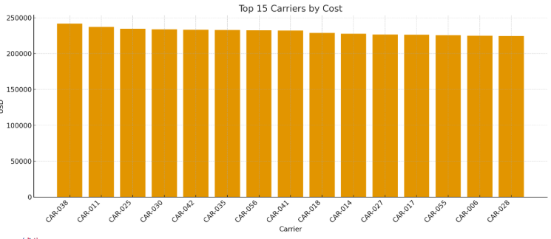
CAR-006 | #VALUE! | #VALUE! | #VALUE!
CAR-007 | #VALUE! | #VALUE! | #VALUE!
CAR-008 | #VALUE! | #VALUE! | #VALUE!
CAR-009 | #VALUE! | #VALUE! | #VALUE!
CAR-010 | #VALUE! | #VALUE! | #VALUE!
CAR-011 | #VALUE! | #VALUE! | #VALUE!
CAR-012 | #VALUE! | #VALUE! | #VALUE!
CAR-013 | #VALUE! | #VALUE! | #VALUE!
CAR-014 | #VALUE! | #VALUE! | #VALUE!
CAR-015 | #VALUE! | #VALUE! | #VALUE!
CAR-016 | #VALUE! | #VALUE! | #VALUE!
CAR-017 | #VALUE! | #VALUE! | #VALUE! | Log_image_001 – Top carriers by total cost.
CAR-018 | #VALUE! | #VALUE! | #VALUE!
CAR-019 | #VALUE! | #VALUE! | #VALUE!
CAR-020 | #VALUE! | #VALUE! | #VALUE!
CAR-021 | #VALUE! | #VALUE! | #VALUE!
CAR-022 | #VALUE! | #VALUE! | #VALUE!
CAR-023 | #VALUE! | #VALUE! | #VALUE!
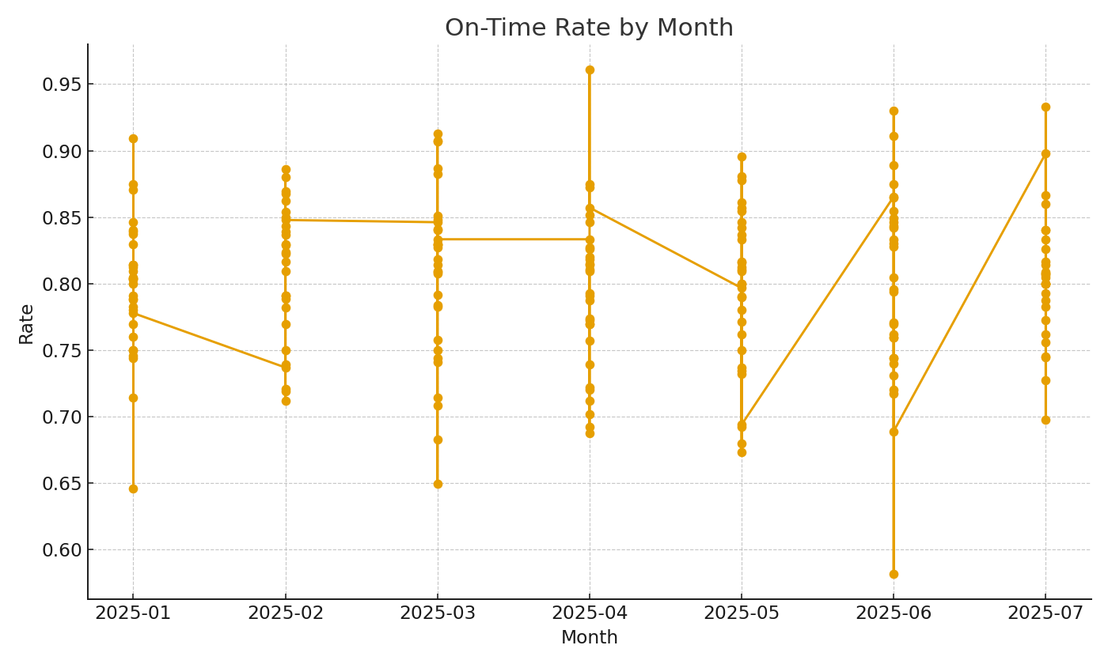
CAR-024 | #VALUE! | #VALUE! | #VALUE!
CAR-025 | #VALUE! | #VALUE! | #VALUE!
CAR-026 | #VALUE! | #VALUE! | #VALUE!
CAR-027 | #VALUE! | #VALUE! | #VALUE!
CAR-028 | #VALUE! | #VALUE! | #VALUE!
CAR-029 | #VALUE! | #VALUE! | #VALUE!
CAR-030 | #VALUE! | #VALUE! | #VALUE!

 |  |  |  | Log_image_002 – On-time rate trend.

