Title_Summary
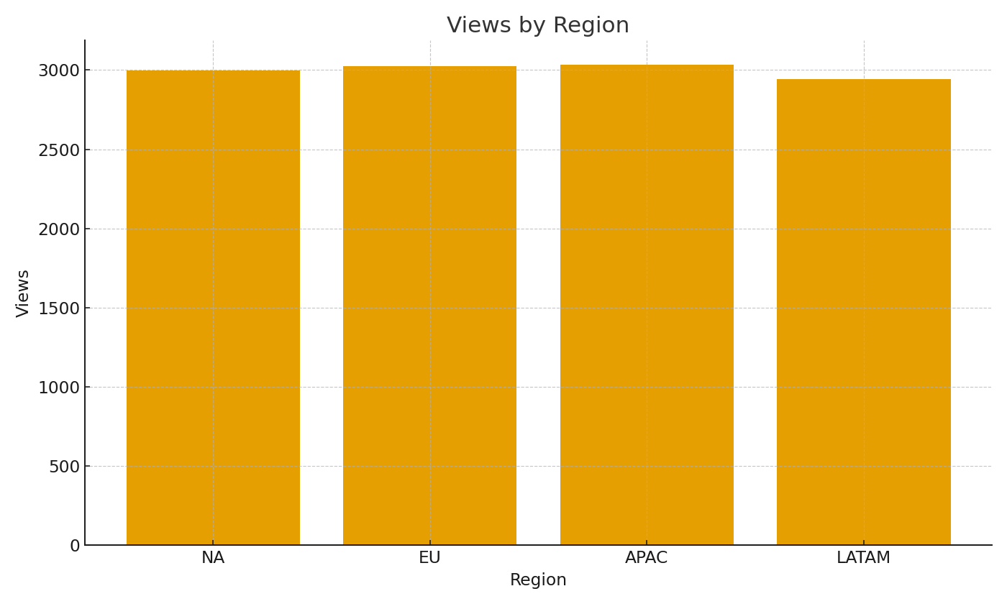
TitleID | Views | AvgMinutes | BufferRate
TIT-00001 | #VALUE! | #VALUE! | #VALUE!
TIT-00002 | #VALUE! | #VALUE! | #VALUE!
TIT-00003 | #VALUE! | #VALUE! | #VALUE!
TIT-00004 | #VALUE! | #VALUE! | #VALUE!
TIT-00005 | #VALUE! | #VALUE! | #VALUE!
TIT-00006 | #VALUE! | #VALUE! | #VALUE!
TIT-00007 | #VALUE! | #VALUE! | #VALUE!
TIT-00008 | #VALUE! | #VALUE! | #VALUE!
TIT-00009 | #VALUE! | #VALUE! | #VALUE!
TIT-00010 | #VALUE! | #VALUE! | #VALUE!
TIT-00011 | #VALUE! | #VALUE! | #VALUE!
TIT-00012 | #VALUE! | #VALUE! | #VALUE!
TIT-00013 | #VALUE! | #VALUE! | #VALUE!
TIT-00014 | #VALUE! | #VALUE! | #VALUE!
TIT-00015 | #VALUE! | #VALUE! | #VALUE!
TIT-00016 | #VALUE! | #VALUE! | #VALUE!
TIT-00017 | #VALUE! | #VALUE! | #VALUE! | Media_image_001 – Views by region.
TIT-00018 | #VALUE! | #VALUE! | #VALUE!
TIT-00019 | #VALUE! | #VALUE! | #VALUE!
TIT-00020 | #VALUE! | #VALUE! | #VALUE!
TIT-00021 | #VALUE! | #VALUE! | #VALUE!
TIT-00022 | #VALUE! | #VALUE! | #VALUE!
TIT-00023 | #VALUE! | #VALUE! | #VALUE!
TIT-00024 | #VALUE! | #VALUE! | #VALUE!
TIT-00025 | #VALUE! | #VALUE! | #VALUE!
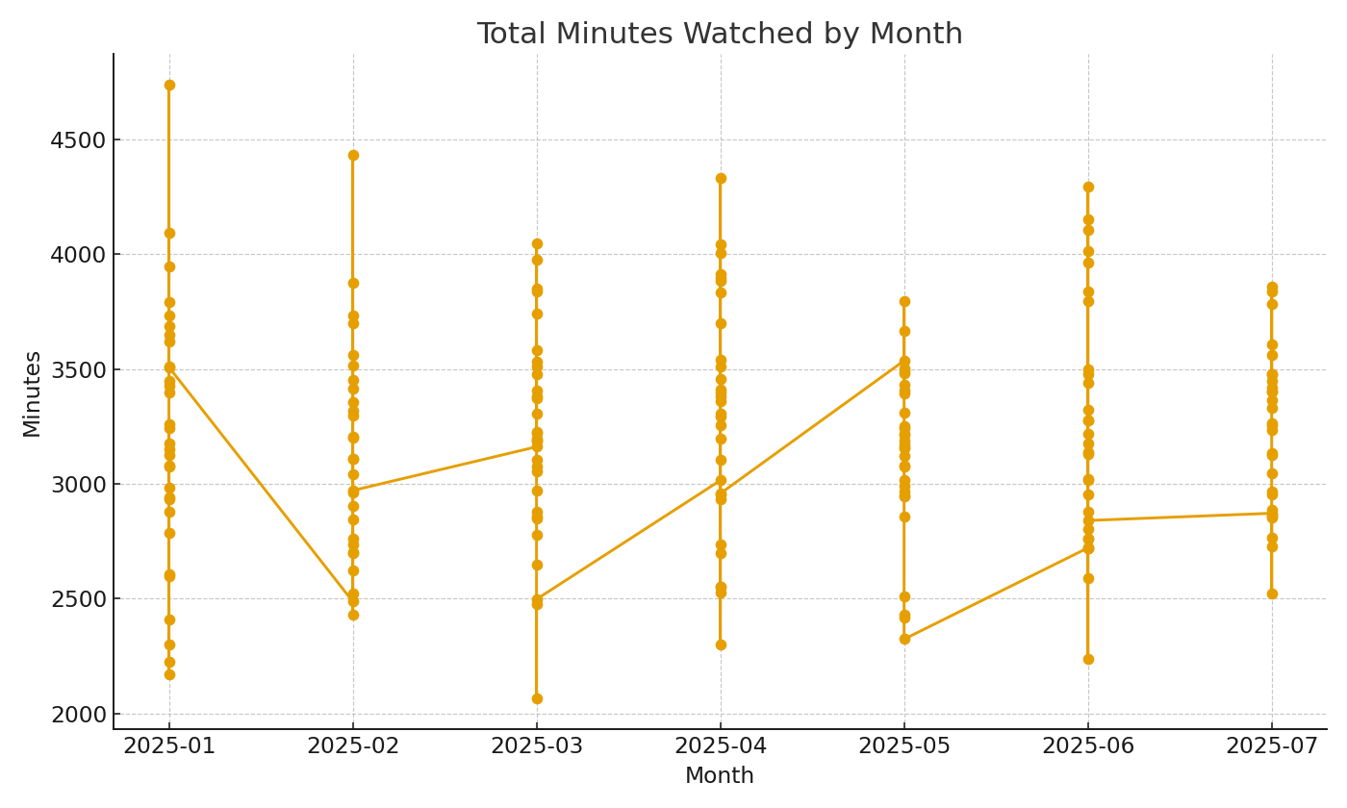
TIT-00026 | #VALUE! | #VALUE! | #VALUE!
TIT-00027 | #VALUE! | #VALUE! | #VALUE!
TIT-00028 | #VALUE! | #VALUE! | #VALUE!
TIT-00029 | #VALUE! | #VALUE! | #VALUE!
TIT-00030 | #VALUE! | #VALUE! | #VALUE!
TIT-00031 | #VALUE! | #VALUE! | #VALUE!
TIT-00032 | #VALUE! | #VALUE! | #VALUE!
TIT-00033 | #VALUE! | #VALUE! | #VALUE!
TIT-00034 | #VALUE! | #VALUE! | #VALUE!
TIT-00035 | #VALUE! | #VALUE! | #VALUE!
TIT-00036 | #VALUE! | #VALUE! | #VALUE! | Media_image_002 – Total minutes watched by month.
TIT-00037 | #VALUE! | #VALUE! | #VALUE!
TIT-00038 | #VALUE! | #VALUE! | #VALUE!
TIT-00039 | #VALUE! | #VALUE! | #VALUE!
TIT-00040 | #VALUE! | #VALUE! | #VALUE!
TIT-00041 | #VALUE! | #VALUE! | #VALUE!
TIT-00042 | #VALUE! | #VALUE! | #VALUE!
TIT-00043 | #VALUE! | #VALUE! | #VALUE!
TIT-00044 | #VALUE! | #VALUE! | #VALUE!
TIT-00045 | #VALUE! | #VALUE! | #VALUE!
TIT-00046 | #VALUE! | #VALUE! | #VALUE!
TIT-00047 | #VALUE! | #VALUE! | #VALUE!
TIT-00048 | #VALUE! | #VALUE! | #VALUE!
TIT-00049 | #VALUE! | #VALUE! | #VALUE!
TIT-00050 | #VALUE! | #VALUE! | #VALUE!

