Team_Summary
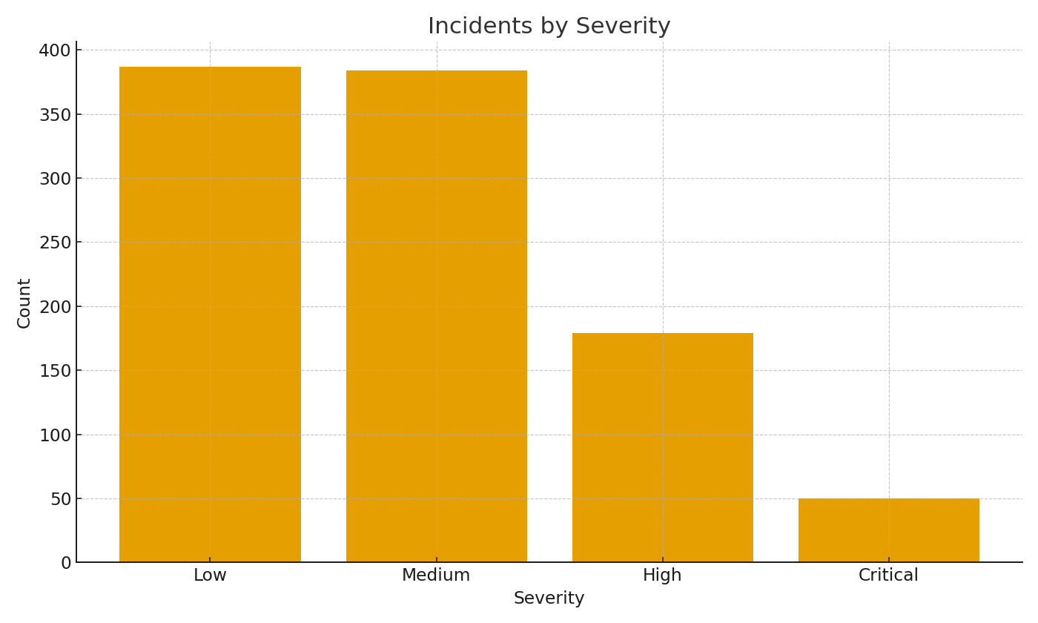
Team | Incidents | AvgMTTR_hours
SOC-East | #VALUE! | #VALUE!
SOC-West | #VALUE! | #VALUE!
SOC-EMEA | #VALUE! | #VALUE!
SOC-APAC | #VALUE! | #VALUE!

 |  |  | Cyber_image_001 – Incidents by severity.

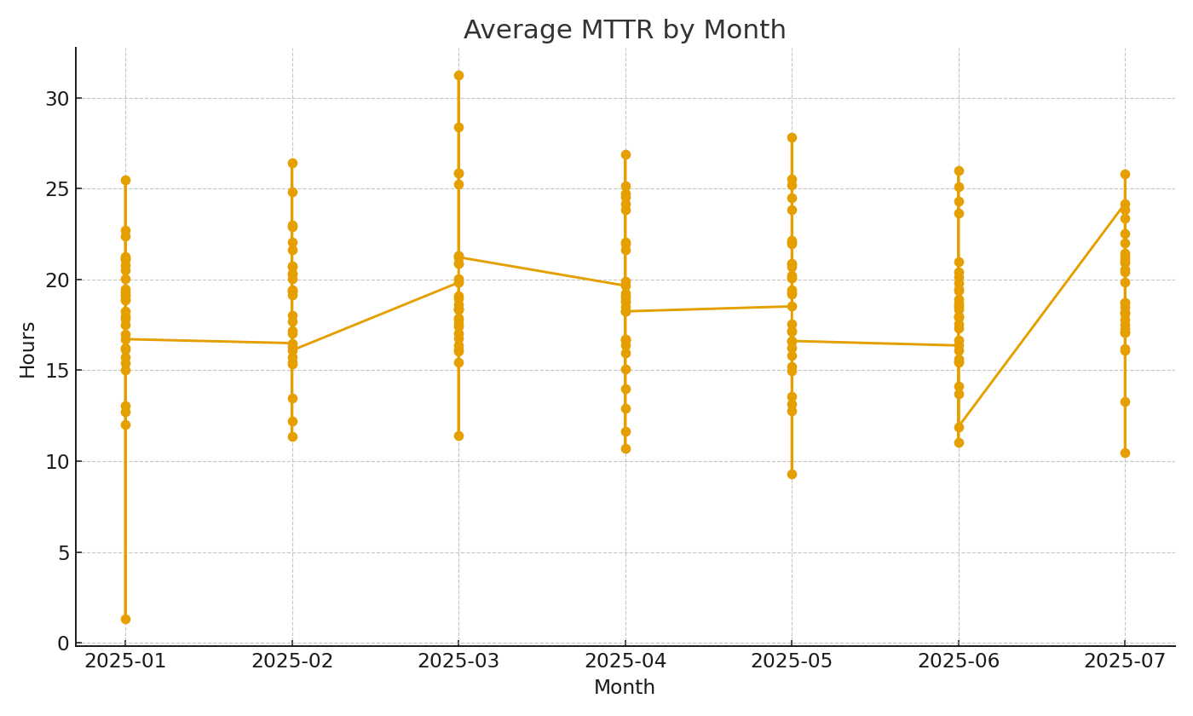

 |  |  | Cyber_image_002 – Average MTTR by month.

