Consolidated_Summary
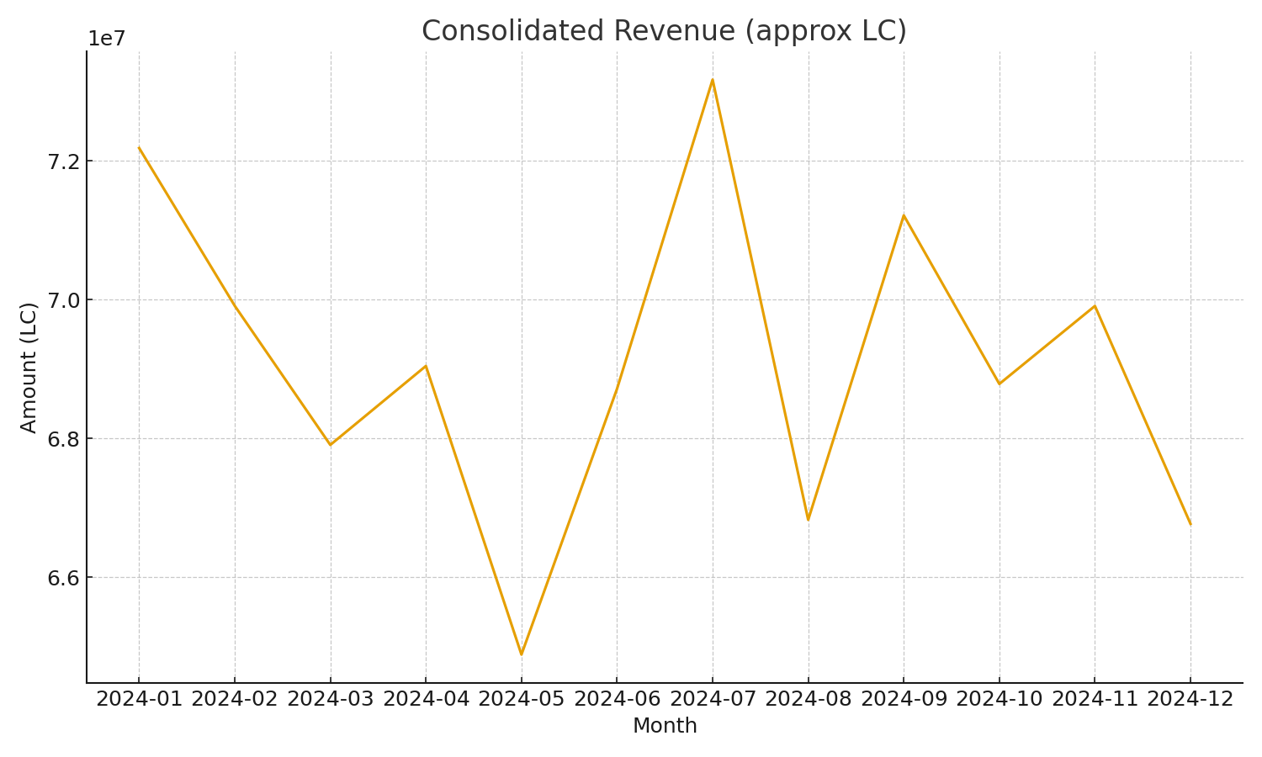
Consolidated revenue/expense in USD using XLOOKUP to FX_Rates.
Month | Category | USD_Total
2024-01-01 | Revenue | $58,723,951
2024-01-01 | Expense | $59,417,446
2024-02-01 | Revenue | $56,731,503
2024-02-01 | Expense | $53,771,346
2024-03-01 | Revenue | $56,181,676
2024-03-01 | Expense | $52,650,304
2024-04-01 | Revenue | $58,033,083
2024-04-01 | Expense | $55,562,237
2024-05-01 | Revenue | $54,438,451
2024-05-01 | Expense | $54,169,745
2024-06-01 | Revenue | $57,018,314
2024-06-01 | Expense | $54,602,283
2024-07-01 | Revenue | $59,773,292
2024-07-01 | Expense | $59,372,255
2024-08-01 | Revenue | $54,064,679
2024-08-01 | Expense | $56,891,137
2024-09-01 | Revenue | $58,527,382
2024-09-01 | Expense | $62,442,368
2024-10-01 | Revenue | $56,979,509
2024-10-01 | Expense | $61,081,019 | Consol_image_001 – Line chart of monthly revenue (approx).
2024-11-01 | Revenue | $58,891,253
2024-11-01 | Expense | $52,158,629
2024-12-01 | Revenue | $55,585,654
2024-12-01 | Expense | $58,966,131

