Bug Report
Field | Value
Defect ID | BUG_mob_about_001
Date Reported | 2023-11-30
Module/Component | About Page
Severity | Low
Priority | Low
Reported By | Pavel
Summary | Design flaw, no right and left padding
Description | Page has to contain pading of 24 pixels on right an left of the text, descriptions, count section. There is no padding
Steps to Reproduce | 1. Open the About page 2. Open inspect tools 3. Set responsive design to width 375
Expected Behavior | Should have padding on the right and left of the text, descriptions, count section
Actual Behavior | There is no padding
Attachments | 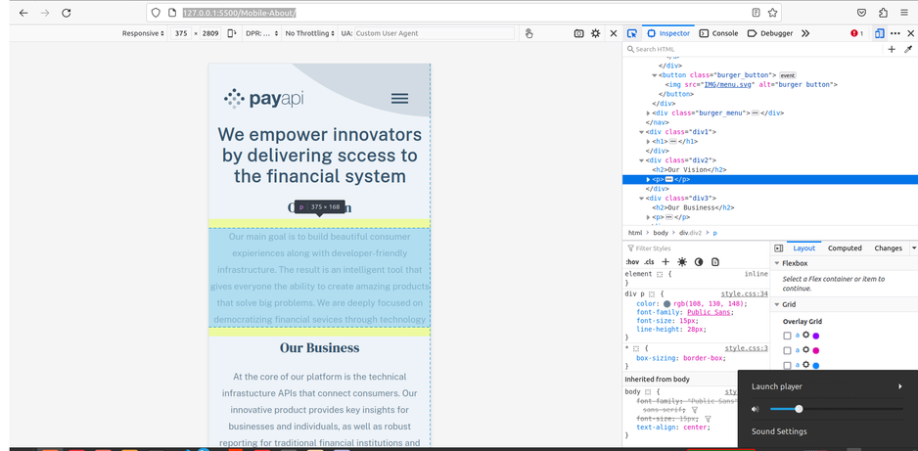
Environment | Linux Mint 21.2 , Mozilla Firefox 120.0
Status | Closed
Date Fixed | 2023-12-01
Comments/Notes | The issue seems to be consistent across different browsers

