Bug Report
Field | Value
Defect ID | BUG_mob_about_002
Date Reported | 2023-11-30
Module/Component | About Page
Severity | Low
Priority | Low
Reported By | Pavel
Summary | Design flaw, "Schedule a Demo button" style doesn't mach requirements
Description | "Schedule a Demo button" hover state color doesn't match design, button shadow is present.
Steps to Reproduce | 1. Open the About page 2. Open inspect tools 3. Set responsive design to width 375 4. Hover pointer over "Schedule a Demo button"
Expected Behavior | "Schedule a Demo button" style matches requirements,: color, no shadow
Actual Behavior | "Schedule a Demo button" color doesn't match and button shadow is present.
Attachments | 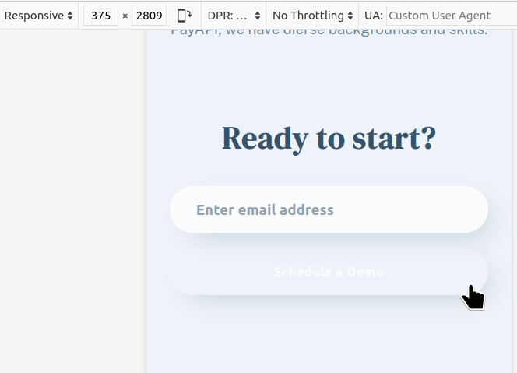
Environment | Linux Mint 21.2 , Mozilla Firefox 120.0
Status | Closed
Date Fixed | 2023-12-01
Comments/Notes | The issue seems to be consistent across different browsers

