Bug Report
Field | Value
Defect ID | BUG_mob_about_004
Date Reported | 2023-11-30
Module/Component | About Page
Severity | Low
Priority | Low
Reported By | Pavel
Summary | Design flaw, top gray circle part location doesn’t match requirements
Description | Top gray circle part location doesn’t match requirements
Steps to Reproduce | 1. Open the About page 2. Open inspect tools 3. Set responsive design to width 375 px
Expected Behavior | 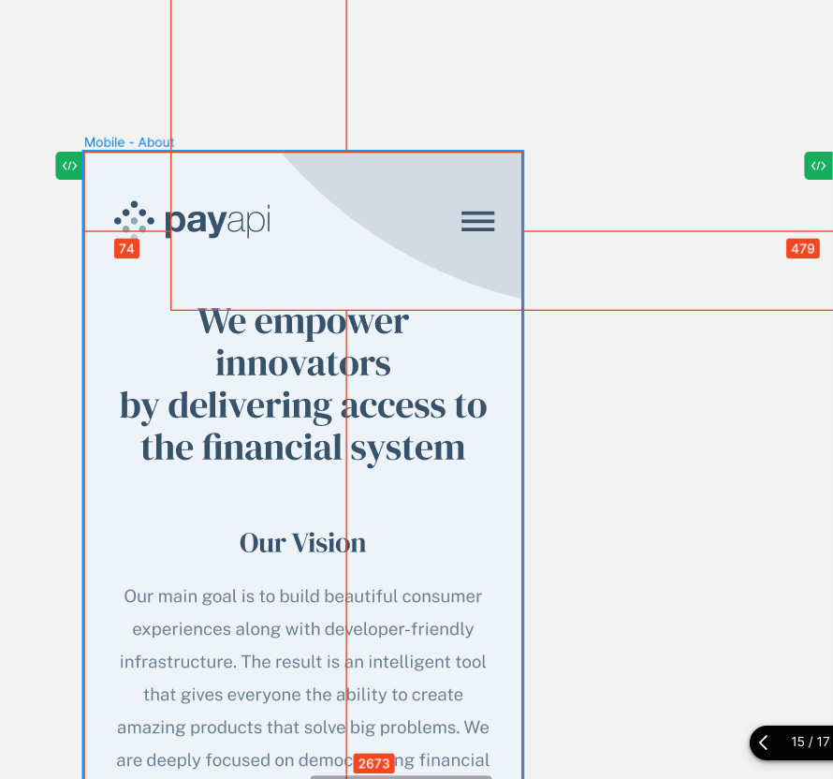 Layout: width: 780px; height: 780px; flex-shrink: 0; Style: border-radius: 780px; background: #36536B;
Actual Behavior | 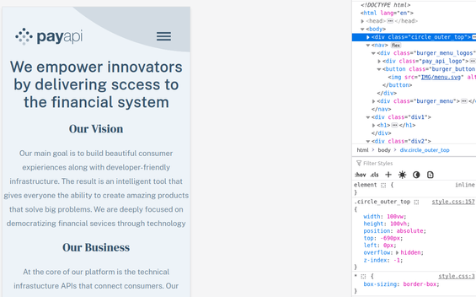
Attachments
Environment | Linux Mint 21.2 , Mozilla Firefox 120.0
Status | Closed
Date Fixed | 2023-12-01
Comments/Notes | The issue seems to be consistent across different browsers

