Bug Report
Field | Value
Defect ID | BUG_mob_about_005
Date Reported | 2023-11-31
Module/Component | About Page
Severity | Low
Priority | Low
Reported By | Pavel
Summary | Design flaw, top gray circle part is not visible in certain conditions
Description | Top gray circle part location doesn’t match requirements
Steps to Reproduce | 1. Open the About page; 2. Open inspect tools; 3. Set responsive design to width 375 px; 4. Resize viewing - browser window.
Expected Behavior |  Circle element remains same in all conditions.
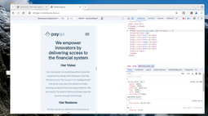 Actual Behavior |  When viewing window is resized circle disappears When viewing window is full screen and on laptop circle is visible only partially
Attachments
Environment | Linux Mint 21.2 , Mozilla Firefox 120.0
Status | Closed
Date Fixed | 2023-12-04
Comments/Notes | The issue seems to be consistent across different browsers

