Tornado_Analysis
Tornado Sensitivity Analysis – UltraFan Neo

NPV Sensitivity (Tornado)
Parameter | Low | Base | High
WACC | 0 | 0 | 0
g | 0 | 0 | 0
Rev Scale | 0.9 | 1 | 1.1

Parameter | Low NPV (GBP m) | High NPV (GBP m) | Range (High - Low)
WACC | -£1,465.11 | -£1,870.59 | 405.4767015
g | -£1,758.01 | -£1,620.65 | 137.3536596
Rev Scale | -£1,523.91 | -£1,862.56 | 338.6463815

Rev Low FCFF | -2250 | -251.025 | -186.9 | -87.4185 | -51.7931475 | 76.497285 | 134.0998275 | 181.3905975
Rev High FCFF | -2750 | -306.8083333 | -228.4333333 | -106.8448333 | -63.30273583 | 93.49668167 | 163.8997892 | 221.6996192

Appendix
Financial Charts

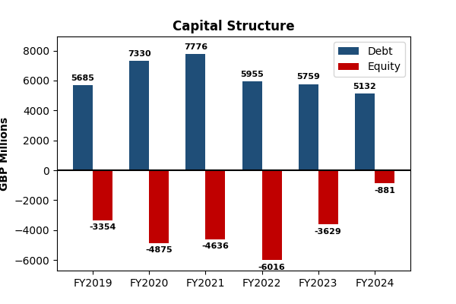
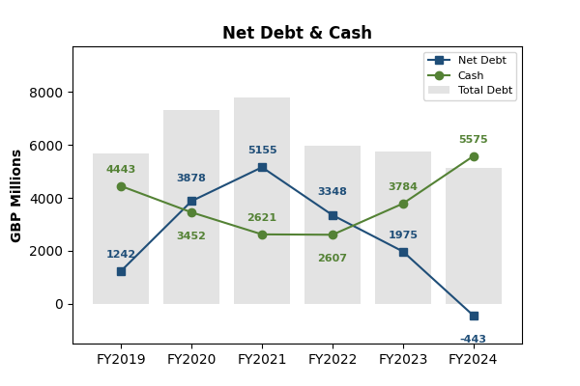

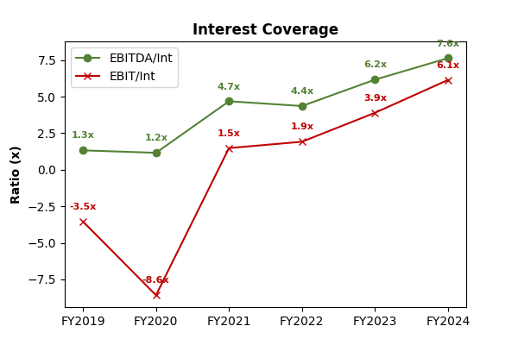
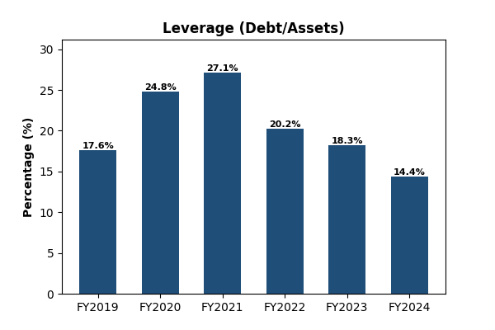

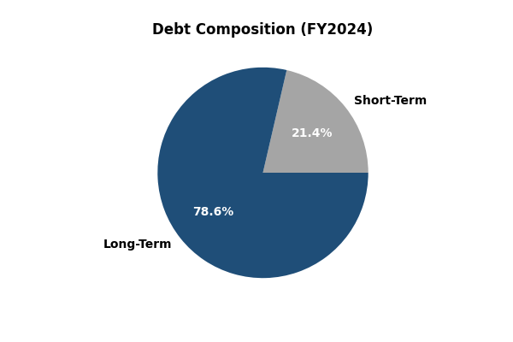

Source: Bloomberg

Additional
(All monetary values in £ millions unless otherwise stated)
Total Debt (£m)
Net Debt (£m)
Metric | 2019 | 2020 | 2021 | 2022 | 2023 | 2024
Total Debt | 5685 | 7330 | 7776 | 5955 | 5759 | 5132
Short-Term Debt | 775 | 1272 | 279 | 358 | 809 | 1097
Long-Term Debt | 4910 | 6058 | 7497 | 5597 | 4950 | 4035
Cash & Cash Equivalents | 4443 | 3452 | 2621 | 2607 | 3784 | 5575
Net Debt | 1242 | 3878 | 5155 | 3348 | 1975 | -443
Total Shareholders’ Equity | -3354 | -4875 | -4636 | -6016 | -3629 | -881
Debt-to-Assets (%) | 17.6192 | 24.8331 | 27.1186 | 20.2207 | 18.2756 | 14.381
Debt-to-Equity | N/A | N/A | N/A | N/A | N/A | N/A
EBITDA | 359 | 293 | 1477 | 1793 | 2800 | 3399
Net Debt/EBITDA | 3.4429 | 13.2355 | 3.4848 | 1.8611 | 0.7054 | -0.1303

Total Shareholders’ Equity (£m)
CASH & CASH EQUIVALENTS (£M)
RATIOS TREND (£m)

