Introduction
Rixml Generator Introduction

Rixml is a tagging file that describes the document, which submitted with Rixml file on SFTP will be ingested by Bloomberg contribution system.
This tool will help you generate your Rixml files (both with attachment or without attachment are available). It can generate/update multiple Rixml
files at one time, with the information input in corresponding worksheet.

Hyperlink:
1. Tool Interfaces

There are two interfaces you will see when use this tool:

1) Main Page
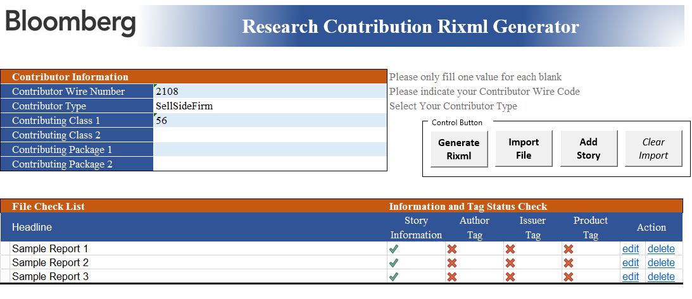

2) Individual Report Edit Page

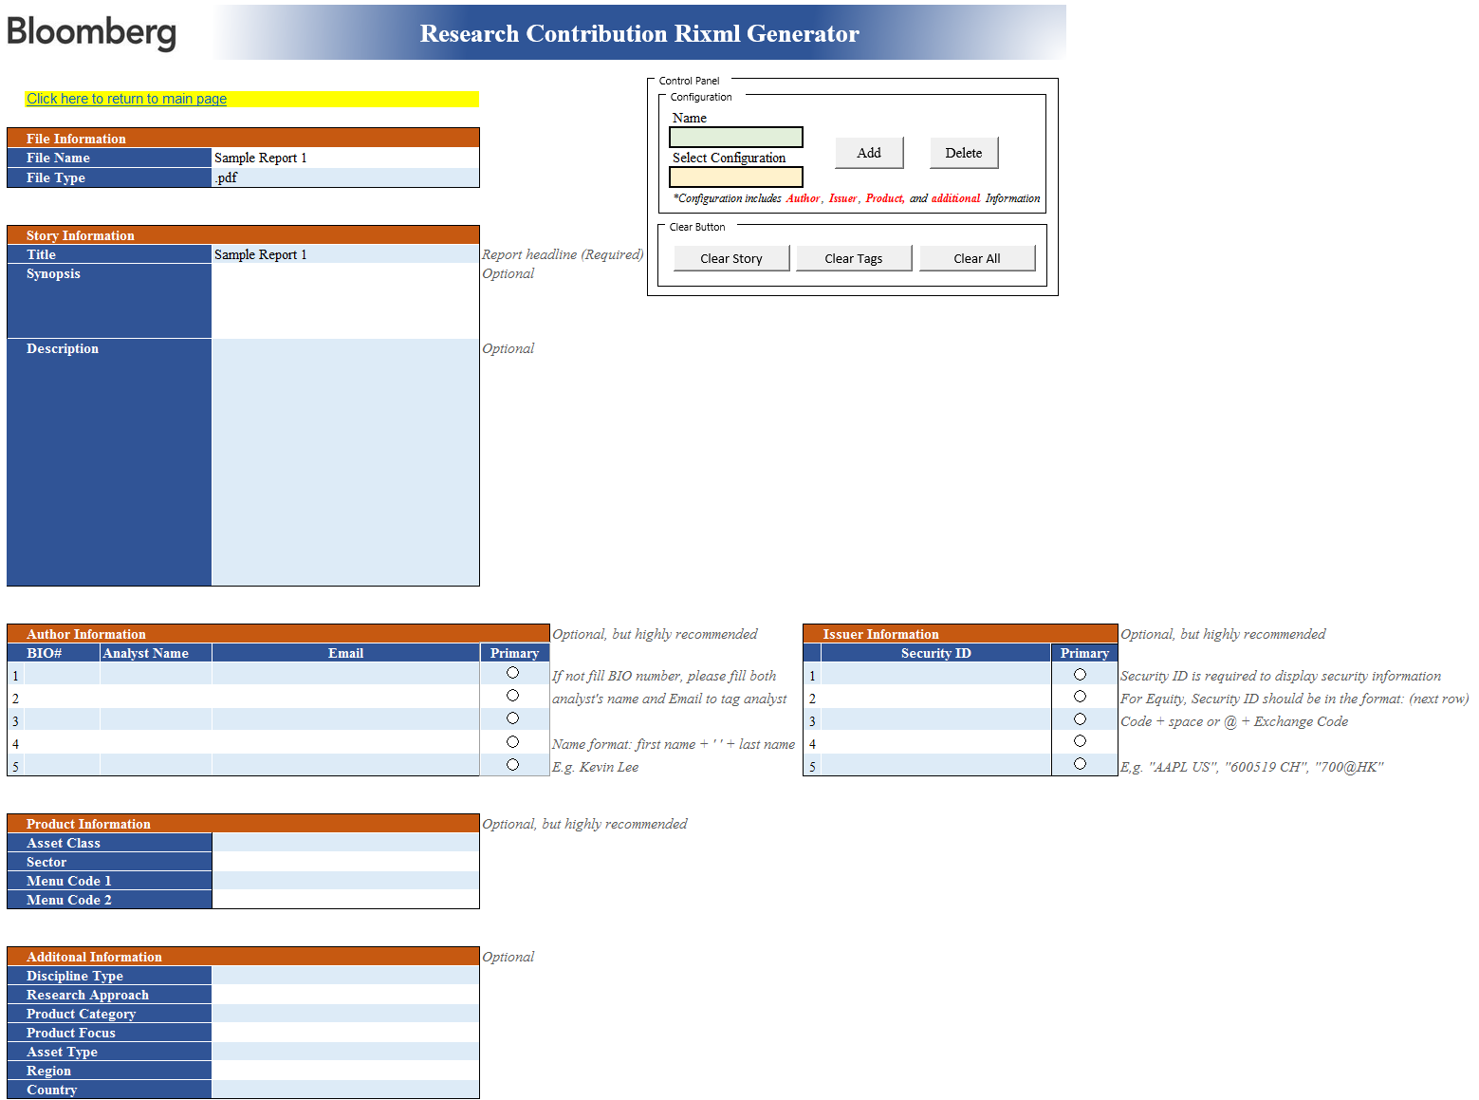

Back to top

1. Contributor Information (Example):

2. Control Button:

a. import file(s), for which you want to create Rixml file(s).

b. Generate/Update Rixml file(s) with information filled. The Rixml will locate in the same folder as this tool does.

C. Clear all imported file and filled information.

3. File Check List

Initial Interface

a. Once files are imported, headlines will be the same as imported file names by default. The headline can be changed in "edit" page.
b. Filling status is displayed; Notice: "Story Information" part must be filled!
c. edit or delete a specific report

Edit Page (Example):

a. Click the hyperlink to return to main page

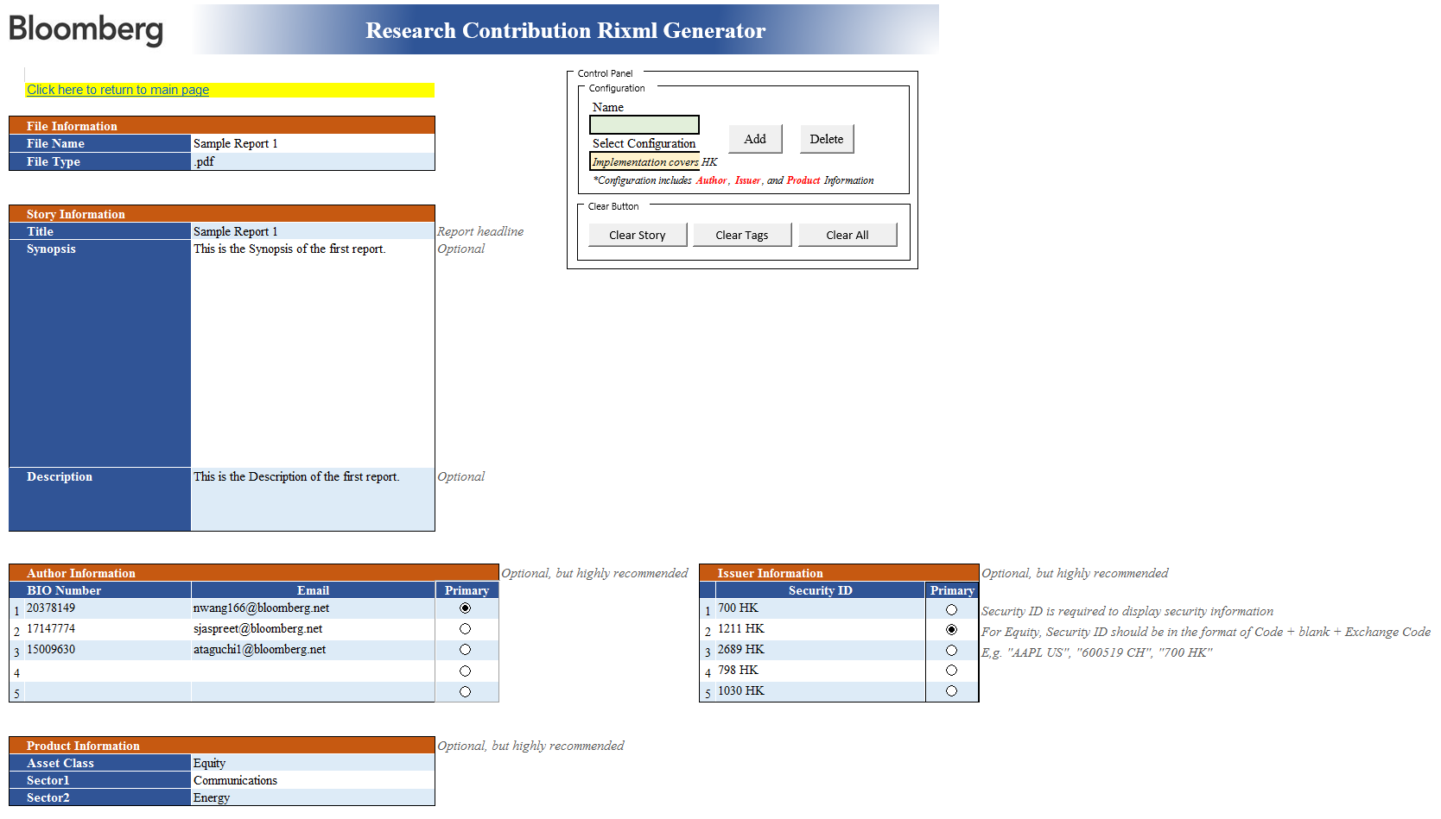

b. file name and file type will be filled automatically according to the file you select; Please do NOT change it
e. add, select, or delete a configuration. configuration contains Author, Issuer, Product tags prestored in the tool.

c. headline can be changed here, and it will be updated in the main page.

*If you want to reset all configurations, please click here! Please note that reset is not revokable!
d. (optional) fill the synopsis and description of the report

f. (optional) fill in/ pull out tag information related to the specific report

Main Page
Research Contribution Rixml Generator

Contributor Information |  | Please only fill one value for each blank
Contributor Wire Number | 2108 | Please indicate your Contributor Wire Code
Contributor Type | SellSideFirm | Select Your Contributor Type
Contributing Class 1 | 56
Contributing Class 2
Contributing Package 1
Contributing Package 2

File Check List |  | Information and Tag Status Check
Headline |  | Story Information | Author Tag | Issuer Tag | Product Tag | Action
Test Sector - Energy |  | 1 | 0 | 0 | 1 | edit | delete
Test Sector - Materials |  | 1 | 0 | 0 | 1 | edit | delete
Test Sector - Industrials |  | 1 | 0 | 0 | 1 | edit | delete
Test Sector - Consumer Discretionary |  | 1 | 0 | 0 | 1 | edit | delete
Test Sector - Consumer Staples |  | 1 | 0 | 0 | 1 | edit | delete
Test Sector - Health Care |  | 1 | 0 | 0 | 1 | edit | delete
Test Sector - Financials |  | 1 | 0 | 0 | 1 | edit | delete
Test Sector - IT |  | 1 | 0 | 0 | 1 | edit | delete
Test Sector - Telecommunication Service |  | 1 | 0 | 0 | 1 | edit | delete
Test Sector - Utilities |  | 1 | 0 | 0 | 1 | edit | delete
Test Sector - Real Estate |  | 1 | 0 | 0 | 1 | edit | delete

