Guia
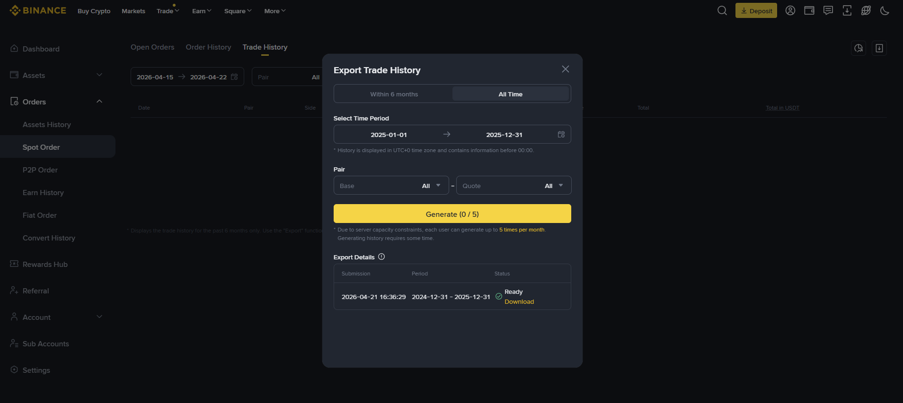
Obtener todos los movimientos, compras/ventas, earns, stakings… de los excehange
Obtener el precio en € de la criptomoneda en el momento del movimiento (para Bincance, no lo da). Lo estoy haciendo en google sheets
Junto los movimientos de coinbase y binance en "movimientos Cripto historico hasta 2025"
Referral commision va a otro lado de la renta, lo sumo y elimino de estos movimientos
Pegar los movimientos de "movimientos Cripto historico hasta 2025" en la pestaña "Transacciones"

