General Demand
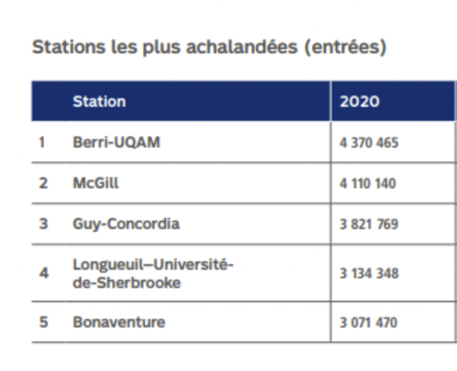
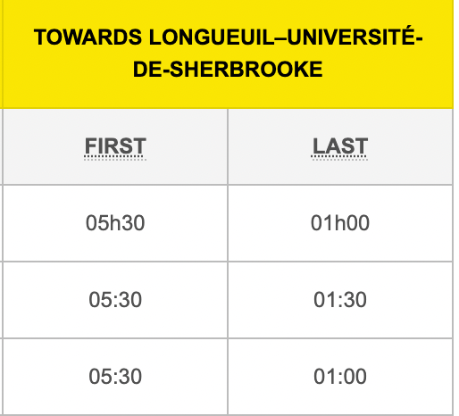
 | Monday | Tuesday | Wednesday | Thursday | Friday | Saturday | Sunday |  |  | Total
1 | 1 | 1 | 1 | 1 | 1 | 1 | 1 | Yellow | LONGUEUIL–UNIVERSITÉ-DE-SHERBROOKE | 3134348 | 52 | 60275.923077
2 | 2.25 | 2.25 | 2.25 | 2.25 | 2.25 | 1 | 1 | Blue | Jean-Talon | 2326891 | 52 | 44747.903846
3 | 2.25 | 2.25 | 2.25 | 2.25 | 2.25 | 1.5 | 1.5 | Orange | Berri-UQAM | 4370465 | 52 | 84047.4038
4 | 1.875 | 1.875 | 1.875 | 1.875 | 1.875 | 1.875 | 1.875 | Green | McGIll | 4110140 | 52 | 79041.153846
5 | 1.5 | 1.5 | 1.5 | 1.5 | 1.5 | 2.25 | 2.25
6 | 1.5 | 1.5 | 1.5 | 1.5 | 1.5 | 1.5 | 1.5
7 | 1.5 | 1.5 | 1.5 | 1.5 | 1.5 | 1.5 | 1.5
8 | 1.5 | 1.5 | 1.5 | 1.5 | 1.5 | 1.5 | 1.5
9 | 1.5 | 1.5 | 1.5 | 1.5 | 1.5 | 1.5 | 1.5
10 | 1.5 | 1.5 | 1.5 | 1.5 | 1.5 | 1.5 | 1.5
11 | 1.5 | 1.5 | 1.5 | 1.5 | 2.25 | 1.5 | 1.5
12 | 2.25 | 2.25 | 2.25 | 2.25 | 2.25 | 1.875 | 1.875
13 | 2.25 | 2.25 | 2.25 | 2.25 | 2.25 | 1.875 | 1.875
14 | 1.25 | 1.25 | 1.25 | 1.25 | 2.25 | 1.875 | 1.5
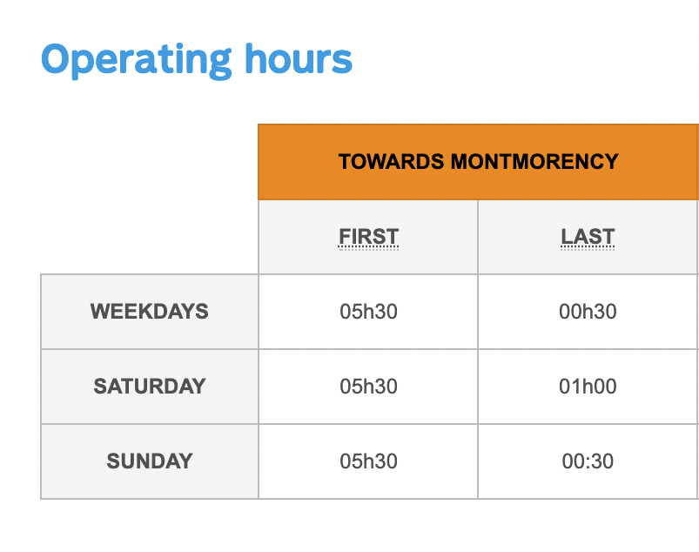
15 | 1 | 1 | 1 | 1 | 1.25 | 1.5 | 1
16 | 1 | 1 | 1 | 1 | 1 | 1 | 1
17 | 1 | 1 | 1 | 1 | 1 | 1 | 1
18 | 1 | 1 | 1 | 1 | 1 | 1 | 1
19 | 1 | 1 | 1 | 1 | 1 | 1 | 1
20 | 0 | 0 | 0 | 0 | 0 | 1 | 0

