Other Products
Other Products

Machine Name and Physical Location | Function | Operating System and Version | Name of Product Installed | Serial Number | # of Developers and/or Users | Language Associated
 | (Dev, Test, QA/Dev, etc.) |  |  |  |  | COBOL and/or PL/I

 | 9

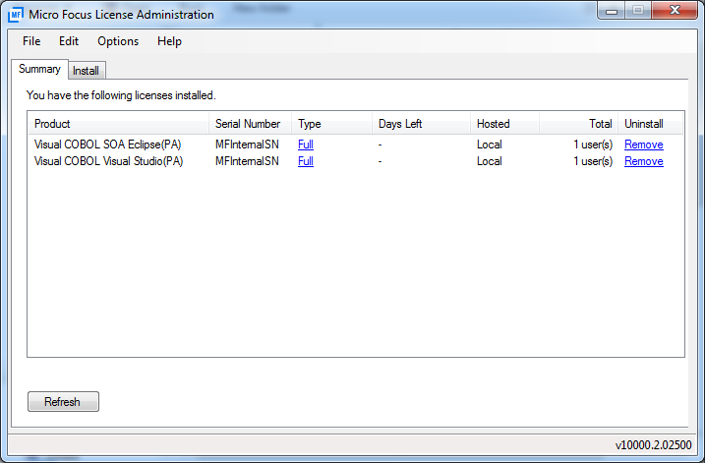

 | 9

 | 9

