1-SQLs
A- TOTAL SALES PER MONTH | 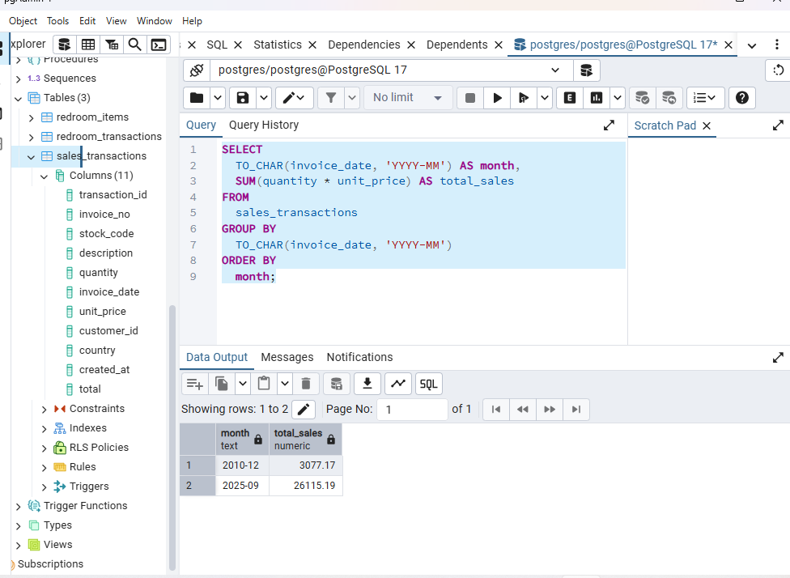 | SELECT TO_CHAR(invoice_date, 'YYYY-MM') AS month, SUM(quantity * unit_price) AS total_sales FROM sales_transactions GROUP BY TO_CHAR(invoice_date, 'YYYY-MM') ORDER BY month;
B- SALES BY PRODUCT CATEGORY | 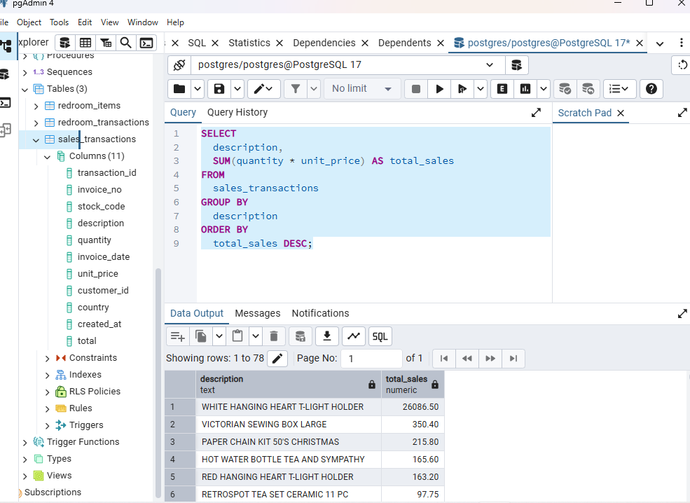 | SELECT description, SUM(quantity * unit_price) AS total_sales FROM sales_transactions GROUP BY description ORDER BY total_sales DESC;
C-NUMBER OF TRANSACTIONS PER CUSTOMER | 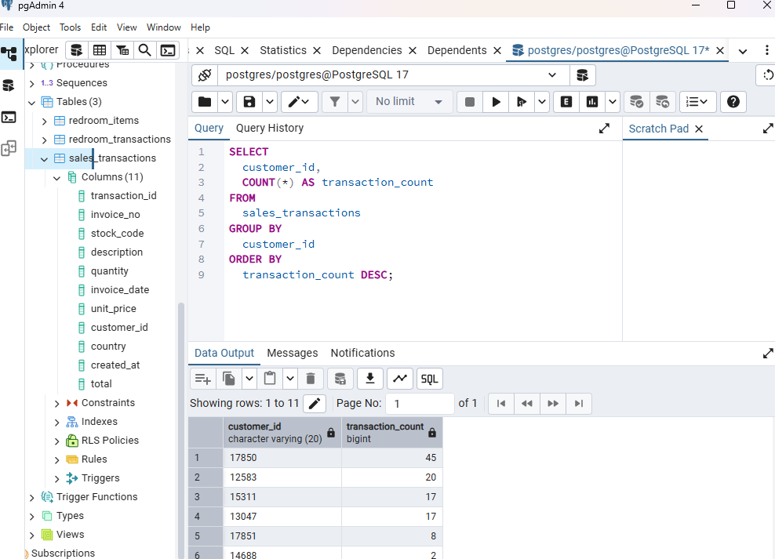 | SELECT customer_id, COUNT(*) AS transaction_count FROM sales_transactions GROUP BY customer_id ORDER BY transaction_count DESC;

Dashboard
REvenue, net income & GROSS PROFIT trends
 | Revenue | Net Income | GROSS PROFIT
2011 | $3,730.61 | $522.28 | $1,492.24
2012 | $4,103.67 | $574.51 | $1,641.47
2013 | $4,514.03 | $631.96 | $1,805.61
2014 | $4,965.44 | $695.16 | $1,986.17
2026 | $28,380.99 | $3,973.34 | $11,352.40
2027 | $31,219.09 | $4,370.67 | $12,487.64
2028 | $34,341.00 | $4,807.74 | $13,736.40
2029 | $37,775.10 | $5,288.51 | $15,110.04
SUMMARY
Year | Revenue | Net Income | GROSS PROFIT
2011 | $3,730.61 | $522.28 | $1,492.24
2012 | $4,103.67 | $574.51 | $1,641.47
2013 | $4,514.03 | $631.96 | $1,805.61
2014 | $4,965.44 | $695.16 | $1,986.17

2026 | $28,380.99 | $3,973.34 | $11,352.40
2027 | $31,219.09 | $4,370.67 | $12,487.64
2028 | $34,341.00 | $4,807.74 | $13,736.40
2029 | $37,775.10 | $5,288.51 | $15,110.04

Best Sellers
Total of Sold Items
Row Labels | Sum of TOTAL
WHITE HANGING HEART T-LIGHT HOLDER | 26086.5
VICTORIAN SEWING BOX LARGE | 350.4
PAPER CHAIN KIT 50'S CHRISTMAS | 215.8
HOT WATER BOTTLE TEA AND SYMPATHY | 165.6
RED HANGING HEART T-LIGHT HOLDER | 163.2
RETROSPOT TEA SET CERAMIC 11 PC | 97.75
ALARM CLOCK BAKELIKE RED | 90
ALARM CLOCK BAKELIKE PINK | 90
GLASS STAR FROSTED T-LIGHT HOLDER | 76.5
SET 2 TEA TOWELS I LOVE LONDON | 70.8
ROUND SNACK BOXES SET OF4 WOODLAND | 70.8
CREAM CUPID HEARTS COAT HANGER | 66
WHITE METAL LANTERN | 61.02
KNITTED UNION FLAG HOT WATER BOTTLE | 61.02
EDWARDIAN PARASOL RED | 59.4
RED WOOLLY HOTTIE WHITE HEART. | 57.63
WOOD S/3 CABINET ANT WHITE FINISH | 55.6
ASSORTED COLOUR BIRD ORNAMENT | 54.08
POSTAGE | 54
SET/2 RED RETROSPOT TEA TOWELS | 53.1
LUNCH BOX I LOVE LONDON | 46.8
SPACEBOY LUNCH BOX | 46.8
CIRCUS PARADE LUNCH BOX | 46.8
SET 7 BABUSHKA NESTING BOXES | 45.9
VINTAGE SEASIDE JIGSAW PUZZLES | 45
ALARM CLOCK BAKELIKE GREEN | 45
INFLATABLE POLITICAL GLOBE | 40.8
RED TOADSTOOL LED NIGHT LIGHT | 39.6
JAM MAKING SET PRINTED | 34.8
HAND WARMER UNION JACK | 33.3
HAND WARMER RED POLKA DOT | 33.3
DOORMAT NEW ENGLAND | 31.8
RECIPE BOX WITH METAL HEART | 31.8
WOODEN FRAME ANTIQUE WHITE | 30.6
VINTAGE HEADS AND TAILS CARD GAME | 30
CLEAR DRAWER KNOB ACRYLIC EDWARDIAN | 30
FELTCRAFT PRINCESS CHARLOTTE DOLL | 30
RED DRAWER KNOB ACRYLIC EDWARDIAN | 30
BOX OF 6 ASSORTED COLOUR TEASPOONS | 25.5
JAM MAKING SET WITH JARS | 25.5
WOODEN PICTURE FRAME WHITE FINISH | 25.2
GIRLY PINK TOOL SET | 24.75
MINI PAINT SET VINTAGE | 23.4
BOX OF VINTAGE ALPHABET BLOCKS | 19.9
WOOD 2 DRAWER CABINET WHITE FINISH | 19.8
JUMBO STORAGE BAG SUKI | 19.5
JUMBO BAG PINK VINTAGE PAISLEY | 19.5
JUMBO SHOPPER VINTAGE RED PAISLEY | 19.5
HOME BUILDING BLOCK WORD | 17.85
LOVE BUILDING BLOCK WORD | 17.85
BATH BUILDING BLOCK WORD | 17.85
CHARLOTTE BAG DOLLY GIRL DESIGN | 17
STARS GIFT TAPE | 15.6
RED COAT RACK PARIS FASHION | 14.85
BLUE COAT RACK PARIS FASHION | 14.85
YELLOW COAT RACK PARIS FASHION | 14.85
BOX OF VINTAGE JIGSAW BLOCKS | 14.85
VINTAGE BILLBOARD LOVE/HATE MUG | 12.72
SAVE THE PLANET MUG | 12.72
RETRO COFFEE MUGS ASSORTED | 12.72
VINTAGE BILLBOARD DRINK ME MUG | 12.72
POPPY'S PLAYHOUSE BEDROOM | 12.6
POPPY'S PLAYHOUSE KITCHEN | 12.6
PANDA AND BUNNIES STICKER SHEET | 10.2
MINI JIGSAW SPACEBOY | 10.08
MINI JIGSAW CIRCUS PARADE | 10.08
IVORY KNITTED MUG COSY | 9.9
WHITE SPOT RED CERAMIC DRAWER KNOB | 7.5
YOU'RE CONFUSING ME METAL SIGN | 5.07
AIRLINE LOUNGE,METAL SIGN | 4.2
GIN + TONIC DIET METAL SIGN | 4.2
PINK BREAKFAST CUP AND SAUCER | 2.95
YELLOW BREAKFAST CUP AND SAUCER | 2.95
PAPER CHAIN KIT RETROSPOT | 2.95
PIGGY BANK RETROSPOT | 2.55
COOK WITH WINE METAL SIGN | 1.95
PHOTO CLIP LINE | 1.25
FELT EGG COSY CHICKEN | 0.85
Grand Total | 29192.36

Projected Profit growth
 | Net Income
2011 | $522.28
2012 | $574.51
2013 | $631.96
2014 | $695.16
2026 | $3,973.34
2027 | $4,370.67
2028 | $4,807.74
2029 | $5,288.51
 | Profit Growth
2011 | 10%
2012 | 10%
2013 | 10%
2014
2026 | 10%
2027 | 10%
2028 | 10%
2029
Year | Net Income | Profit Growth
2011 | $522.28 | 10%
2012 | $574.51 | 10%
2013 | $631.96 | 10%
2014 | $695.16

2026 | $3,973.34 | 10%
2027 | $4,370.67 | 10%
2028 | $4,807.74 | 10%
2029 | $5,288.51

Customer Frequency
Count of INVOICE_NO per Customer ID
 | Count of INVOICE_NO
17850 | 41
12583 | 20
13047 | 17
15311 | 17
15291 | 2
14688 | 2
17809 | 1
13748 | 1
15100 | 1
Grand Total | 102

Row Labels | Count of INVOICE_NO
17850 | 41
12583 | 20
13047 | 17
15311 | 17
15291 | 2
14688 | 2
17809 | 1
13748 | 1
15100 | 1
Grand Total | 102

