CI
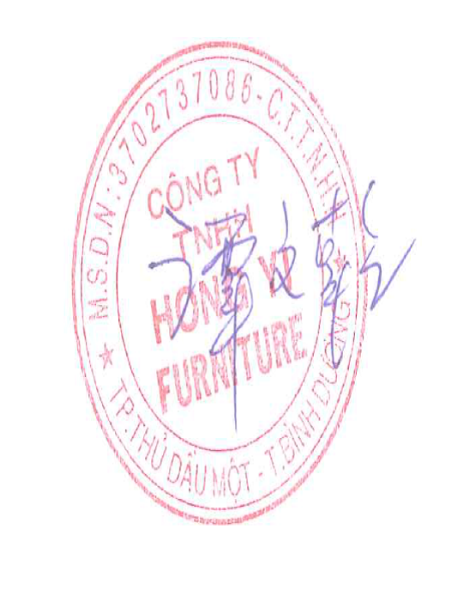
HONG YI FURNITURE COMPANY LIMITED
Lot 1H1,1H2,CN6-CN7 st., Tan Binh IP., Tan Binh commune,
Bac Tan Uyen Town Binh Duong Province, Vietnam .
COMMERCIAL INVOICE
Consignee |  | : | A2Z Trading LLC |  |  | P/L No.: | HY20164
Address |  | : | 1950 George St. Melrose Park, IL 60160 |  |  | Date: | 2020-10-05
 |  |  | Tel: 630-888-9835 Contact: Joe Zhang

Shipper |  | : | HONG YI FURNITURE COMPANY LIMITED
Address |  | : | Lot 1H1,1H2,CN6-CN7 st., Tan Binh IP., Tan Binh commune,
 |  |  | Bac Tan Uyen Town Binh Duong Province, Vietnam .

Notify Party |  | : | A2Z Trading LLC
Address |  | : | 1950 George St. Melrose Park, IL 60160
 |  |  | Tel: 630-888-9835 Contact: Joe Zhang

Per Vessel |  | : | COSCO ITALY 042E
From |  | : | HO-CHI-MINH PORT, VIETNAM |  | Voyage: | 042E
Commodity |  | : | WOODEN FURNITURE |  | TO: | CHICAGO, IL
SO NO. |  | : | 2647479700 | CONTAINER NO/Seal#: | OOCU7263951/GDK4416
PO # |  | : | A2Z200816-BL
S/N | Item |  |  | PO QTY(PCS) | Unit Price | TOTAL | REMARK
01 | 3DB12 |  |  | 18 | $86.84 | $1,563.12
02 | 3DB15 |  |  | 17 | $92.65 | $1,575.05
03 | 3DB18 |  |  | 17 | $100.81 | $1,713.77
04 | 3DB21 |  |  | 7 | $108.59 | $760.13
05 | 3DB24 |  |  | 6 | $114.45 | $686.70
06 | 3DB30 |  |  | 12 | $123.68 | $1,484.16
07 | 3DB36 |  |  | 14 | $141.21 | $1,976.94
08 | B12 |  |  | 6 | $52.85 | $317.10
09 | B15 |  |  | 10 | $58.91 | $589.10
10 | B18 |  |  | 30 | $62.43 | $1,872.90
14 | B21 |  |  | 20 | $65.87 | $1,317.40
15 | B24 |  |  | 30 | $73.91 | $2,217.30
16 | B27 |  |  | 6 | $79.23 | $475.38
17 | B36 |  |  | 23 | $106.38 | $2,446.74
18 | B30 |  |  | 27 | $96.12 | $2,595.24
19 | B33 |  |  | 21 | $100.45 | $2,109.45
20 | DWR3 |  |  | 21 | $15.14 | $317.94
21 | F342 |  |  | 201 | $4.69 | $942.69
22 | F396 |  |  | 99 | $12.77 | $1,264.23
23 | F642 |  |  | 51 | $9.31 | $474.81
27 | F696 |  |  | 51 | $22.04 | $1,124.04
28 | LRM8 |  |  | 51 | $19.09 | $973.59
29 | O308424 |  |  | 3 | $208.67 | $626.01
34 | OCM8 |  |  | 99 | $4.07 | $402.93
35 | REPV2496 |  |  | 51 | $22.07 | $1,125.57
40 | REPV2796 |  |  | 51 | $24.23 | $1,235.73
43 | Shoe molding |  |  | 201 | $3.22 | $647.22
45 | SMB |  |  | 999 | $3.91 | $3,906.09
46 | TKC |  |  | 201 | $3.61 | $725.61
47 | U188424 |  |  | 4 | $121.91 | $487.64
49 | U189624 |  |  | 6 | $138.85 | $833.10
50 | U248424 |  |  | 3 | $143.58 | $430.74
53 | U249624 |  |  | 4 | $173.16 | $692.64
54 | COV |  |  | 201 | $25.37 | $5,099.37
55 | BBFPV4296 |  |  | 21 | $48.75 | $1,023.75
58 | BCM8 |  |  | 51 | $20.89 | $1,065.39
59 | BDEP |  |  | 30 | $14.87 | $446.10
60 | WDEP30 |  |  | 38 | $8.11 | $308.18
61 | WDEP36 |  |  | 20 | $10.03 | $200.60
65 | WDEP42 |  |  | 19 | $11.04 | $209.76
67 | 3VDB12 |  |  | 10 | $0.00 | $-
80 | 3VDB15 |  |  | 10 | $0.00 | $-
86 | 3VDB18 |  |  | 15 | $0.00 | $-
92 | B42 |  |  | 5 | $0.00 | $-
94 | BT9 |  |  | 20 | $0.00 | $-
111 | 3DB36 |  |  | 5 | $0.00 | $-
112 | B18 |  |  | 20 | $0.00 | $-
116 | 3DB21 |  |  | 5 | $0.00 | $-
117 | 3DB24 |  |  | 10 | $0.00 | $-
119 | BWB18 |  |  | 10 | $0.00 | $-
120 | W0942 |  |  | 10 | $0.00 | $-
122 | B15 |  |  | 13 | $0.00 | $-
127 | 3DB30 |  |  | 8 | $0.00 | $-
128 | DCW2430 |  |  | 5 | $0.00 | $-
133 | 3DB15 |  |  | 3 | $0.00 | $-
134 | 3DB18 |  |  | 15 | $0.00 | $-
135 | W3012 |  |  | 10 | $0.00 | $-
136 | W301224 |  |  | 3 | $0.00 | $-
137 | W3015 |  |  | 10 | $0.00 | $-
138 | W3018 |  |  | 8 | $0.00 | $-
139 | W301824 |  |  | 5 | $0.00 | $-
140 | W3024 |  |  | 5 | $0.00 | $-
141 | W302424 |  |  | 5 | $0.00 | $-
142 | W3030 |  |  | 10 | $0.00 | $-
143 | W3030GD |  |  | 3 | $0.00 | $-
144 | W3036 |  |  | 10 | $0.00 | $-
145 | W3036GD |  |  | 3 | $0.00 | $-
146 | W3042 |  |  | 10 | $0.00 | $-
148 | W3042GD |  |  | 5 | $0.00 | $-
150 | W3312 |  |  | 5 | $0.00 | $-
152 | W331224 |  |  | 3 | $0.00 | $-
153 | W3315 |  |  | 5 | $0.00 | $-
154 | W3318 |  |  | 10 | $0.00 | $-
155 | W331824 |  |  | 3 | $0.00 | $-
156 | W3324 |  |  | 5 | $0.00 | $-
157 | W332424 |  |  | 10 | $0.00 | $-
158 | W3330 |  |  | 10 | $0.00 | $-
159 | W3336 |  |  | 5 | $0.00 | $-
160 | W3342 |  |  | 5 | $0.00 | $-
161 | W3612 |  |  | 10 | $0.00 | $-
164 | W361224 |  |  | 5 | $0.00 | $-
165 | W3615 |  |  | 10 | $0.00 | $-
166 | W361524 |  |  | 3 | $0.00 | $-
167 | W3618 |  |  | 25 | $0.00 | $-
168 | W361824 |  |  | 5 | $0.00 | $-
169 | W3021 |  |  | 5 | $0.00 | $-
170 | W3624 |  |  | 5 | $0.00 | $-
171 | W362424 |  |  | 10 | $0.00 | $-
172 | W3630 |  |  | 10 | $0.00 | $-
173 | W3930 |  |  | 3 | $0.00 | $-
174 | W3636 |  |  | 8 | $0.00 | $-
175 | W3642 |  |  | 10 | $0.00 | $-
176 | SB27 |  |  | 3 | $0.00 | $-
177 | SB30 |  |  | 10 | $0.00 | $-
178 | SB33 |  |  | 5 | $0.00 | $-
179 | SB36 |  |  | 10 | $0.00 | $-
180 | 3DB12 |  |  | 10 | $0.00 | $-
181 | DCW2436 |  |  | 10 | $0.00 | $-
182 | DCW2436GD |  |  | 2 | $0.00 | $-
183 | DCW2442 |  |  | 5 | $0.00 | $-
184 | B12 |  |  | 10 | $0.00 | $-
185 | ERB33 |  |  | 5 | $0.00 | $-
186 | B21 |  |  | 30 | $0.00 | $-
187 | B24 |  |  | 10 | $0.00 | $-
188 | B27 |  |  | 8 | $0.00 | $-
189 | B36 |  |  | 10 | $0.00 | $-
190 | B30 |  |  | 15 | $0.00 | $-
191 | B33 |  |  | 10 | $0.00 | $-
192 | ERB36 |  |  | 10 | $0.00 | $-
193 | FSB36 |  |  | 5 | $0.00 | $-
194 | VS24 |  |  | 8 | $0.00 | $-
195 | VS27 |  |  | 10 | $0.00 | $-
196 | VS30 |  |  | 15 | $0.00 | $-
197 | VS36 |  |  | 5 | $0.00 | $-
198 | VSD36 |  |  | 5 | $0.00 | $-
199 | VSD42 |  |  | 5 | $0.00 | $-
200 | VSD48 |  |  | 5 | $0.00 | $-
201 | W0930 |  |  | 10 | $0.00 | $-
202 | W0936 |  |  | 3 | $0.00 | $-
203 | W1230 |  |  | 15 | $0.00 | $-
204 | W1236 |  |  | 5 | $0.00 | $-
205 | W1242 |  |  | 8 | $0.00 | $-
206 | W1530 |  |  | 10 | $0.00 | $-
207 | W1536 |  |  | 10 | $0.00 | $-
208 | V3021DL |  |  | 5 | $0.00 | $-
209 | V3021DR |  |  | 5 | $0.00 | $-
210 | W1542 |  |  | 5 | $0.00 | $-
211 | W1830 |  |  | 8 | $0.00 | $-
212 | W1830GD |  |  | 5 | $0.00 | $-
213 | W1836 |  |  | 10 | $0.00 | $-
214 | W1836GD |  |  | 3 | $0.00 | $-
215 | W1842 |  |  | 8 | $0.00 | $-
216 | W1842GD |  |  | 5 | $0.00 | $-
217 | W2130 |  |  | 10 | $0.00 | $-
218 | W2136 |  |  | 15 | $0.00 | $-
219 | W2142 |  |  | 8 | $0.00 | $-
220 | W2430 |  |  | 5 | $0.00 | $-
221 | W2442GD |  |  | 5 | $0.00 | $-
222 | W2742 |  |  | 3 | $0.00 | $-
223 | DCW2736 |  |  | 3 | $0.00 | $-
224 | W2730 |  |  | 10 | $0.00 | $-
225 | W2736 |  |  | 5 | $0.00 | $-
226 | W2436GD |  |  | 15 | $0.00 | $-
227 | W2442 |  |  | 10 | $0.00 | $-
228 | DCW2742 |  |  | 5 | $0.00 | $-
 | TOTAL: |  |  | 3591 | $48,264.21

