Most Spoken Language
Count of Languages
Asian/Pacific Islander Languages had the most count out of all 9 language categories. This is an interesting observation because California is know for its wide diversity and this healthcare facilities dataset highlights this.
Row Labels | Count of LanguageGroup
African Languages | 192
Asian/Pacfic Islander Languages | 5035
English Language | 478
European Languages | 2310
Latin American Languages | 334
Middle Eastern Languages | 1515
Native American Languages | 58
Sign Languages | 262
Spanish Language | 469
Grand Total | 10653

Asian Pacific Islander Lang. BD
LanguageGroup | Asian/Pacfic Islander Languages
Asian/Pacific Islander Languages Breakdown
Row Labels | Count of PLS_DESCRIPTION
Assamese | 1
Bengali | 118
Burmese | 116
Cantonese; Yue Chinese | 211
Chamorro | 8
Chinese | 350
Chuukese | 7
Fijian | 37
Filipino | 66
Gujarati | 171
Hiligaynon | 3
Hindi | 265
Hmong | 144
Ilocano; Iloko | 89
Indonesian | 163
Japanese | 268
Javanese | 4
Korean | 319 | Total # of Asian/ Pacific Islander Languages | 35
Lao | 194
Malayalam | 47 | Most Popular Asian/ Pacific Islander Language | Chinese
Mandarin | 258
Marathi | 25 | 2nd Most Popular Asian/ Pacific Islander Language | Vietnamese
Mien; lu Mien | 73
Mongolian | 71 | Least Popular Asian/ Pacific Islander Language | Assamese
Mon-Khmer | 157
Nepali | 109
Panjabi; Punjabi | 259
Samoan | 153
Sinhalese | 33
Tagalog | 330
Telugu | 97
Thai | 250
Tonga | 90
Urdu | 201
Vietnamese | 348
Grand Total | 5035

Language Disproportion
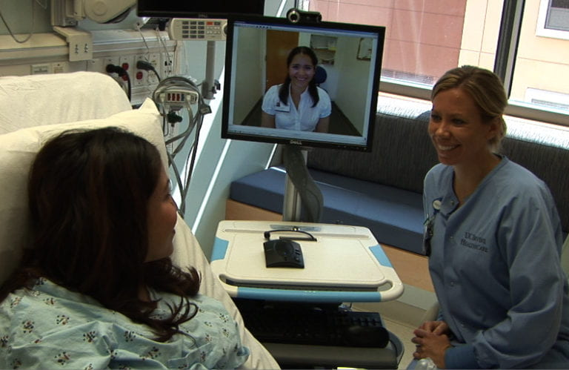
LanguageGroup | (All)
This analysis of encounters at California healthcare facilities reveals that the majority of interactions occur in English. Despite a significant portion of the population speaking Asian/Pacific Islander languages, these languages account for only 2% of all interactions, indicating a disproportionately low level of engagement with this linguistic group. These healthcare facilities can look into new translation technologies like Video remote interpretation (VRI) that are being adapted to better communicate with their patients.
Row Labels | Sum of Number of Encounters
English Language | 14214760
Other Languages | 381737
Spanish Language | 1932170
Grand Total | 16528667

