Quote
Lugo Framing |  |  |  | 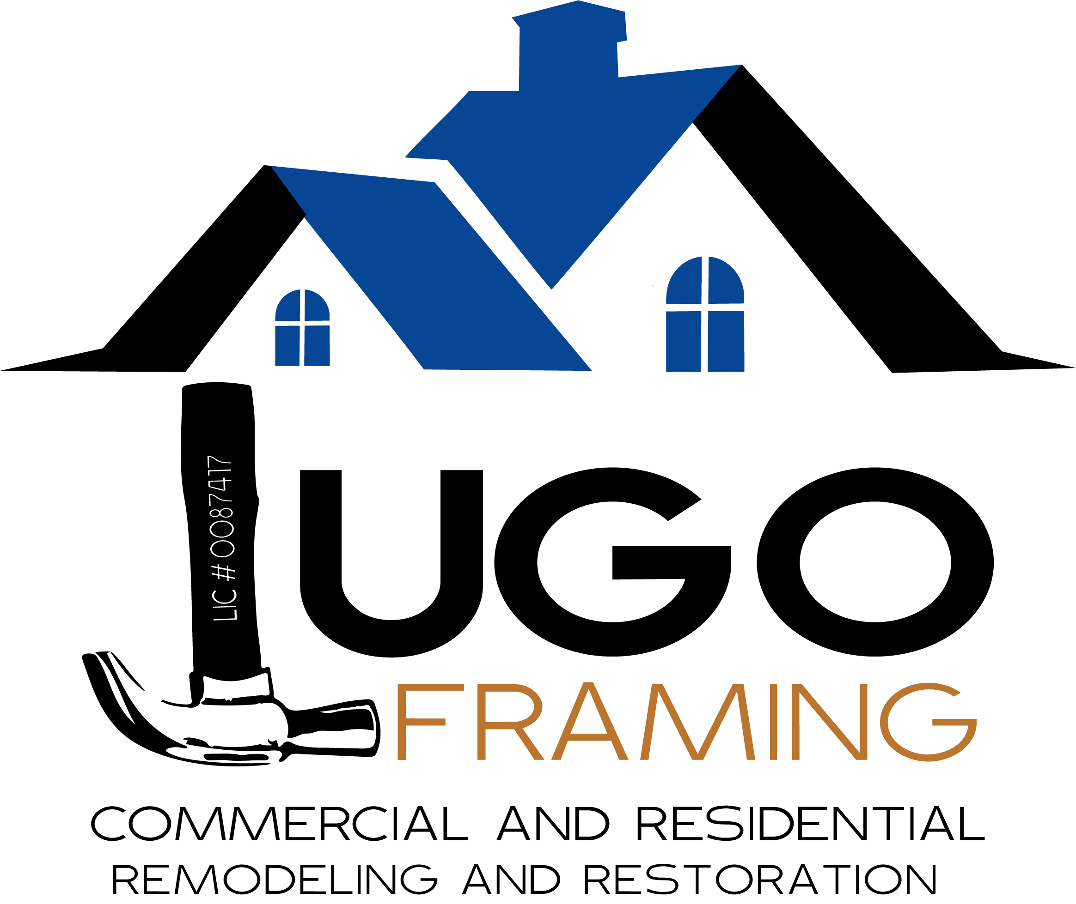
3835 Glen St.
Reno, NV. 89502
(775) 870-1128

Quote
NAME OF PROJECT
2025-01-21 |  |  |  | ESTIMATOR

Item # | Quantity | Description | Length (') | Used

