Core Gamma
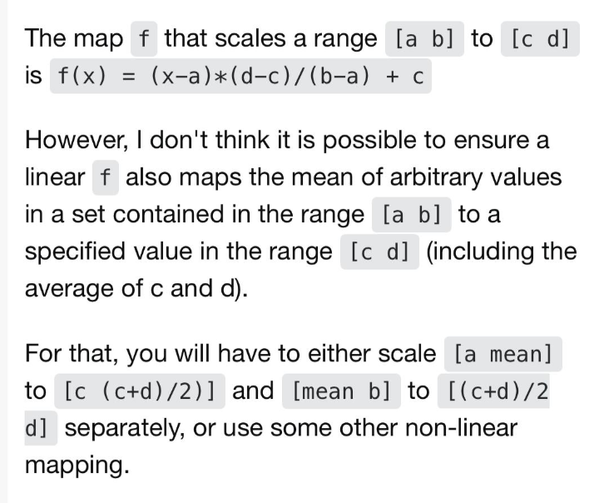
DEPTH | Core Gamma | Normalizacion | core
3671.0 | 70.4237 | 0.6642 | 83.2099 |  |  | Min | 8.2591046075 | 50
3671.5 | 79.3593 | 0.7597 | 87.9835 |  |  | Max | 101.85257421 | 100
3672.0 | 76.7403 | 0.7317 | 86.5844
3672.5 | 82.1325 | 0.7893 | 89.4650
3673.0 | 90.2208 | 0.8757 | 93.7860
3673.5 | 82.8258 | 0.7967 | 89.8354
3674.0 | 74.9685 | 0.7128 | 85.6379
3674.4 | 90.0667 | 0.8741 | 93.7037
3674.9 | 99.3105 | 0.9728 | 98.6420
3675.4 | 101.8526 | 1.0000 | 100.0000
3675.9 | 98.6943 | 0.9663 | 98.3128
3676.4 | 75.1996 | 0.7152 | 85.7613
3676.9 | 58.8689 | 0.5407 | 77.0370
3677.4 | 74.9685 | 0.7128 | 85.6379 | a | 2.6810
3677.9 | 68.4209 | 0.6428 | 82.1399 | b | 2.7428
3678.4 | 57.9445 | 0.5309 | 76.5432 | c | 2.6500
3678.9 | 51.0117 | 0.4568 | 72.8395 | d | 2.7500
3679.4 | 64.0300 | 0.5959 | 79.7942
3679.9 | 80.9000 | 0.7761 | 88.8066
3680.4 | 95.7671 | 0.9350 | 96.7490
3680.9 | 81.1311 | 0.7786 | 88.9301
3681.3 | 60.4866 | 0.5580 | 77.9012
3681.8 | 56.0188 | 0.5103 | 75.5144
3682.3 | 48.2386 | 0.4272 | 71.3580
3682.8 | 49.1629 | 0.4370 | 71.8519
3683.3 | 51.6279 | 0.4634 | 73.1687
3683.8 | 48.7778 | 0.4329 | 71.6461
3684.3 | 46.4668 | 0.4082 | 70.4115
3684.8 | 46.1587 | 0.4049 | 70.2469
3685.3 | 44.3099 | 0.3852 | 69.2593
3685.8 | 28.9036 | 0.2206 | 61.0288
3686.3 | 8.2591 | 0.0000 | 50.0000
3686.8 | 18.1191 | 0.1053 | 55.2675
3687.3 | 40.5354 | 0.3449 | 67.2428
3687.7 | 66.8032 | 0.6255 | 81.2757
3688.2 | 61.8732 | 0.5728 | 78.6420
3688.7 | 55.8647 | 0.5086 | 75.4321
3689.2 | 57.0201 | 0.5210 | 76.0494
3689.7 | 64.0300 | 0.5959 | 79.7942
3690.2 | 75.1996 | 0.7152 | 85.7613
3690.7 | 81.0541 | 0.7778 | 88.8889
3691.2 | 66.5721 | 0.6230 | 81.1523
3691.7 | 58.1756 | 0.5333 | 76.6667
3692.2 | 55.4025 | 0.5037 | 75.1852
3692.7 | 53.2456 | 0.4807 | 74.0329
3693.2 | 60.2555 | 0.5556 | 77.7778
3693.7 | 60.0244 | 0.5531 | 77.6543
3694.1 | 50.3954 | 0.4502 | 72.5103
3694.6 | 51.5509 | 0.4626 | 73.1276
3695.1 | 51.6279 | 0.4634 | 73.1687
3695.6 | 50.4725 | 0.4510 | 72.5515
3696.1 | 53.8619 | 0.4872 | 74.3621
3696.6 | 62.1813 | 0.5761 | 78.8066
3697.1 | 64.8774 | 0.6049 | 80.2469
3697.6 | 59.3311 | 0.5457 | 77.2839
3698.1 | 56.0187 | 0.5103 | 75.5144
3698.6 | 60.7947 | 0.5613 | 78.0658
3699.1 | 70.5777 | 0.6658 | 83.2922
3699.6 | 80.1296 | 0.7679 | 88.3951
3700.1 | 79.1282 | 0.7572 | 87.8601
3700.6 | 66.1869 | 0.6189 | 80.9465
3701.0 | 53.7848 | 0.4864 | 74.3210
3701.5 | 53.5537 | 0.4840 | 74.1975
3702.0 | 63.7219 | 0.5926 | 79.6296
3702.5 | 67.3424 | 0.6313 | 81.5638
3703.0 | 75.4307 | 0.7177 | 85.8848
3703.5 | 83.5961 | 0.8049 | 90.2469
3704.0 | 64.6463 | 0.6025 | 80.1235
3704.5 | 58.2527 | 0.5342 | 76.7078
3705.0 | 58.0986 | 0.5325 | 76.6255
3705.5 | 53.0145 | 0.4782 | 73.9095
3706.0 | 67.8046 | 0.6362 | 81.8107
3706.5 | 64.9544 | 0.6058 | 80.2881
3707.0 | 54.3240 | 0.4922 | 74.6091
3707.4 | 78.2809 | 0.7481 | 87.4074
3707.9 | 82.9028 | 0.7975 | 89.8765
3708.4 | 74.4293 | 0.7070 | 85.3498
3708.9 | 69.7304 | 0.6568 | 82.8395
3709.4 | 64.4922 | 0.6008 | 80.0412
3709.9 | 71.4251 | 0.6749 | 83.7449
3710.4 | 72.1954 | 0.6831 | 84.1564
3710.9 | 73.8131 | 0.7004 | 85.0206
3711.4 | 78.3579 | 0.7490 | 87.4486
3711.9 | 80.4378 | 0.7712 | 88.5597
3712.4 | 89.0653 | 0.8634 | 93.1687
3712.9 | 85.0597 | 0.8206 | 91.0288
3713.4 | 71.6562 | 0.6774 | 83.8683
3713.9 | 70.5777 | 0.6658 | 83.2922
3714.3 | 64.3382 | 0.5992 | 79.9588
3714.8 | 54.4011 | 0.4930 | 74.6502
3715.3 | 46.7749 | 0.4115 | 70.5761
3715.8 | 32.8322 | 0.2626 | 63.1276
3716.3 | 27.4400 | 0.2049 | 60.2469
3716.8 | 45.0032 | 0.3926 | 69.6296
3717.3 | 57.0972 | 0.5218 | 76.0905
3717.8 | 51.9361 | 0.4667 | 73.3333
3718.3 | 58.0216 | 0.5317 | 76.5844
3718.8 | 66.2639 | 0.6198 | 80.9877
3719.3 | 81.8243 | 0.7860 | 89.3004
3719.8 | 93.4561 | 0.9103 | 95.5144
3720.3 | 92.5317 | 0.9004 | 95.0206
3720.7 | 80.7459 | 0.7745 | 88.7243
3721.2 | 91.9925 | 0.8947 | 94.7325
3721.7 | 89.1424 | 0.8642 | 93.2099
3722.2 | 72.7346 | 0.6889 | 84.4445
3722.7 | 76.8173 | 0.7325 | 86.6255
3723.2 | 86.9084 | 0.8403 | 92.0165
3723.7 | 83.4420 | 0.8033 | 90.1646
3724.2 | 74.8145 | 0.7111 | 85.5556
3724.7 | 63.1056 | 0.5860 | 79.3004
3725.2 | 61.4880 | 0.5687 | 78.4362
3725.7 | 71.9643 | 0.6807 | 84.0329
3726.2 | 73.6590 | 0.6988 | 84.9383
3726.7 | 65.4166 | 0.6107 | 80.5350
3727.1 | 71.7332 | 0.6782 | 83.9095
3727.6 | 89.6045 | 0.8691 | 93.4568
3728.1 | 83.7501 | 0.8066 | 90.3292
3728.6 | 63.7990 | 0.5934 | 79.6708
3729.1 | 46.2357 | 0.4058 | 70.2881
3729.6 | 45.9276 | 0.4025 | 70.1235
3730.1 | 48.7007 | 0.4321 | 71.6049
3730.6 | 52.2442 | 0.4700 | 73.4979
3731.1 | 62.8746 | 0.5835 | 79.1770
3731.6 | 59.7163 | 0.5498 | 77.4897
3732.1 | 58.8689 | 0.5407 | 77.0370
3732.6 | 65.8788 | 0.6156 | 80.7819
3733.1 | 85.3678 | 0.8239 | 91.1934
3733.6 | 90.3749 | 0.8774 | 93.8683
3734.0 | 84.5975 | 0.8156 | 90.7819
3734.5 | 79.9756 | 0.7663 | 88.3128
3735.0 | 80.9000 | 0.7761 | 88.8066
3735.5 | 74.1212 | 0.7037 | 85.1852
3736.0 | 72.0413 | 0.6815 | 84.0741
3736.5 | 65.8018 | 0.6148 | 80.7407
3737.0 | 59.1000 | 0.5432 | 77.1605
3737.5 | 55.0173 | 0.4996 | 74.9794
3738.0 | 69.3452 | 0.6527 | 82.6337
3738.5 | 84.5975 | 0.8156 | 90.7819
3739.0 | 76.7402 | 0.7317 | 86.5844
3739.5 | 70.6548 | 0.6667 | 83.3333
3740.0 | 65.4937 | 0.6115 | 80.5761
3740.4 | 80.4378 | 0.7712 | 88.5597
3740.9 | 90.2978 | 0.8765 | 93.8272
3741.4 | 93.0710 | 0.9062 | 95.3087
3741.9 | 94.1494 | 0.9177 | 95.8848
3742.4 | 76.2781 | 0.7267 | 86.3374
3742.9 | 73.5049 | 0.6971 | 84.8560
3743.4 | 80.9770 | 0.7770 | 88.8477
3743.9 | 71.4251 | 0.6749 | 83.7449
3744.4 | 69.3452 | 0.6527 | 82.6337
3744.9 | 76.3551 | 0.7276 | 86.3786
3745.4 | 63.4908 | 0.5901 | 79.5062
3745.9 | 32.7552 | 0.2617 | 63.0864
3746.4 | 21.8937 | 0.1457 | 57.2839
3746.9 | 27.7674 | 0.2084 | 60.4218

