PovertyReport
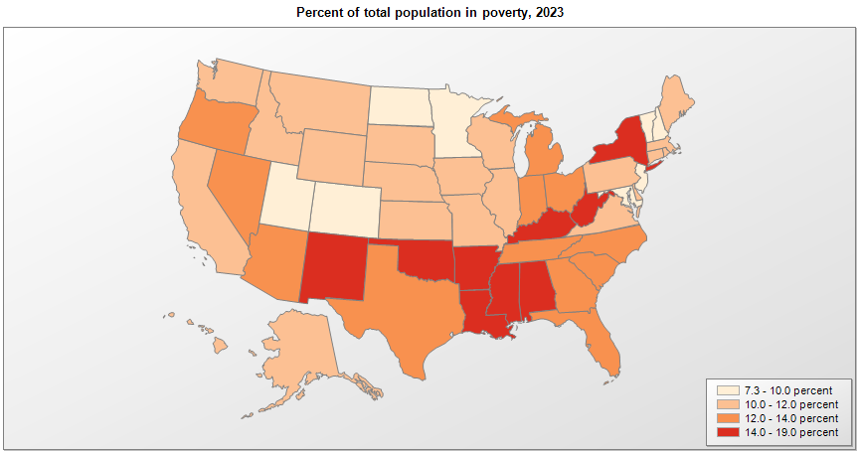
 | Percent | Number

 |  |  | All people in poverty (2023) |  |  | Children ages 0-17 in poverty (2023)
 |  |  |  | 90% confidence interval of estimate |  |  | 90% confidence interval of estimate
Name |  |  | Percent | Lower Bound | Upper Bound | Percent | Lower Bound | Upper Bound
Alabama |  |  | 15.7 | 15.3 | 16.1 | 21.3 | 20.5 | 22.1
Alaska |  |  | 10.5 | 9.9 | 11.1 | 12.5 | 11.4 | 13.6
Arizona |  |  | 12.6 | 12.3 | 12.9 | 15.8 | 15.1 | 16.5
Arkansas |  |  | 15.4 | 15 | 15.8 | 20.2 | 19.1 | 21.3
California |  |  | 12 | 11.9 | 12.1 | 15 | 14.6 | 15.4
Colorado |  |  | 9.4 | 9.1 | 9.7 | 10.9 | 10.1 | 11.7
Connecticut |  |  | 10.2 | 9.8 | 10.6 | 13 | 12.1 | 13.9
Delaware |  |  | 10.8 | 10.3 | 11.3 | 15.4 | 14.1 | 16.7
District of Columbia |  |  | 15.2 | 14.1 | 16.3 | 20.7 | 17.4 | 24
Florida |  |  | 12.4 | 12.2 | 12.6 | 16 | 15.4 | 16.6
Georgia |  |  | 13.7 | 13.4 | 14 | 18.8 | 18.1 | 19.5
Hawaii |  |  | 10.2 | 9.7 | 10.7 | 11.8 | 10.7 | 12.9
Idaho |  |  | 10.1 | 9.7 | 10.5 | 11.3 | 10.3 | 12.3
Illinois |  |  | 11.6 | 11.4 | 11.8 | 14.7 | 14.1 | 15.3
Indiana |  |  | 12.2 | 11.9 | 12.5 | 15.1 | 14.4 | 15.8
Iowa |  |  | 11.1 | 10.8 | 11.4 | 13 | 12.2 | 13.8
Kansas |  |  | 11.2 | 10.8 | 11.6 | 13.1 | 12.3 | 13.9
Kentucky |  |  | 16.1 | 15.8 | 16.4 | 20.2 | 19.3 | 21.1
Louisiana |  |  | 18.9 | 18.5 | 19.3 | 25.2 | 24.2 | 26.2
Maine |  |  | 10.5 | 10 | 11 | 12.6 | 11.5 | 13.7
Maryland |  |  | 9.7 | 9.4 | 10 | 11.3 | 10.6 | 12
Massachusetts |  |  | 10.5 | 10.2 | 10.8 | 12.7 | 12 | 13.4
Michigan |  |  | 13.5 | 13.3 | 13.7 | 17.5 | 16.9 | 18.1
Minnesota |  |  | 9.2 | 9 | 9.4 | 10.2 | 9.6 | 10.8
Mississippi |  |  | 18.3 | 17.8 | 18.8 | 24.3 | 23.1 | 25.5
Missouri |  |  | 12 | 11.7 | 12.3 | 14.7 | 14 | 15.4
Montana |  |  | 11.8 | 11.3 | 12.3 | 12.8 | 11.8 | 13.8
National |  |  | 12.5 | 12.4 | 12.6 | 16 | 15.8 | 16.2
Nebraska |  |  | 10.2 | 9.8 | 10.6 | 11.1 | 10.2 | 12
Nevada |  |  | 12.2 | 11.8 | 12.6 | 16.4 | 15.4 | 17.4
New Hampshire |  |  | 7.3 | 6.9 | 7.7 | 8.2 | 7.1 | 9.3
New Jersey |  |  | 9.7 | 9.5 | 9.9 | 12.8 | 12.2 | 13.4
New Mexico |  |  | 16.9 | 16.3 | 17.5 | 22.6 | 21.2 | 24
New York |  |  | 14.1 | 13.9 | 14.3 | 18.6 | 18.1 | 19.1
North Carolina |  |  | 12.8 | 12.6 | 13 | 17.5 | 16.9 | 18.1
North Dakota |  |  | 10 | 9.5 | 10.5 | 10.1 | 8.9 | 11.3
Ohio |  |  | 13.2 | 13 | 13.4 | 17.5 | 16.9 | 18.1
Oklahoma |  |  | 15.8 | 15.5 | 16.1 | 20.5 | 19.8 | 21.2
Oregon |  |  | 12.1 | 11.8 | 12.4 | 13.6 | 12.8 | 14.4
Pennsylvania |  |  | 11.9 | 11.7 | 12.1 | 15.5 | 14.9 | 16.1
Rhode Island |  |  | 11.4 | 10.8 | 12 | 15.1 | 13.7 | 16.5
South Carolina |  |  | 13.9 | 13.6 | 14.2 | 18.8 | 17.9 | 19.7
South Dakota |  |  | 11.4 | 10.8 | 12 | 13.5 | 12.2 | 14.8
Tennessee |  |  | 13.8 | 13.5 | 14.1 | 18.9 | 18 | 19.8
Texas |  |  | 13.7 | 13.5 | 13.9 | 18.4 | 17.9 | 18.9
Utah |  |  | 9 | 8.6 | 9.4 | 9.2 | 8.5 | 9.9
Vermont |  |  | 9.9 | 9.4 | 10.4 | 10.2 | 9 | 11.4
Virginia |  |  | 10.2 | 10 | 10.4 | 12.7 | 12.1 | 13.3
Washington |  |  | 10.3 | 10 | 10.6 | 12.1 | 11.5 | 12.7
West Virginia |  |  | 16.4 | 15.9 | 16.9 | 19.6 | 18.5 | 20.7
Wisconsin |  |  | 10.6 | 10.4 | 10.8 | 12.8 | 12.1 | 13.5
Wyoming |  |  | 10.4 | 9.7 | 11.1 | 12 | 10.6 | 13.4

See important notes about intercensal model-based poverty estimates. *The 2023 Rural-urban Continuum Codes classify metropolitan counties (codes 1 through 3) by the population of the Metropolitan Statistical Area (MSA) and nonmetropolitan counties (codes 4 through 9) by degree of urbanization and proximity to metro areas. See rural-urban continuum codes for precise definitions of each code. Source: Census Bureau, Small Area Income and Poverty Estimates.

