Week 1
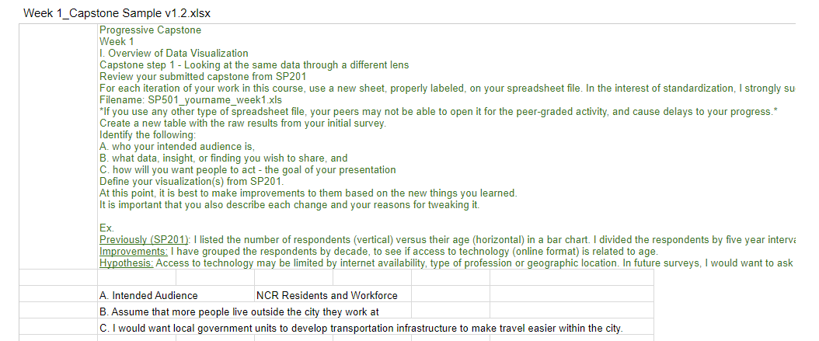

A. Who your Intended audience is?
Answer: Those people who are living/working/studying in Metro Manila.
B. What data, insight or finding you wish to share?
Answer: Create an impact by highlighting areas for enhancement in commuting/traveling across Metro Manila.
C. How will you want people to act?
Answer: Through analyzing their feedback and recommendations, we aim to formulate a plan within the LGU of Metro Manila to address necessary actions for a more convenient commuting experience.

Week 2
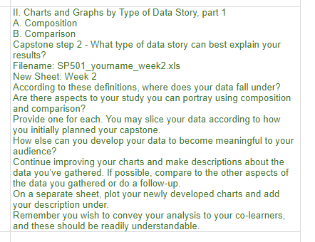
A. What type of data story can best explain your results?
Answer: Best visualization method for this one is by using a pie chart, and Bar Charts. This way, the audience can easily understand the data presented.
B. Are there aspects to your study you can protray using composition and comparison?
Answer: Indeed, by establishing a correlation between the satisfaction rating and the traffic situation in Metro Manila, we can gain insights into the genuine challenges commuters are encountering. Connecting the satisfaction rating with the traffic situation will provide us with valuable insights into the underlying issues.
C.How else can you develop your data to become meaningful to your audience?
Answer: By using Contextualization, and Highlighting the key points. Using contextualization method, it will present the data with a broader context, helping the audience understand the significance of the information in traffic situations, and by Highlighting the key points. it will emphasize the critical data points or trends by using annotations, callouts, or color coding to guide the audience attention.

Week 3
A. What other type of data story can best explain your results?
Answer: DESTINATION. By pinpointing the frequent destinations of commuters on a daily, weekly, and occasional basis, we can gain valuable insights into the solutions needed, along with their survey-based ideas and suggestions.
B. Accoridng to these definitons, where does your data fall under?
Answer: I employed a blend of Composition and Comparison visualization techniques. I utilized fundamental visualization tools such as pie charts and bar columns to ensure the audience comprehends the story conveyed by the visualization charts.

Week 4
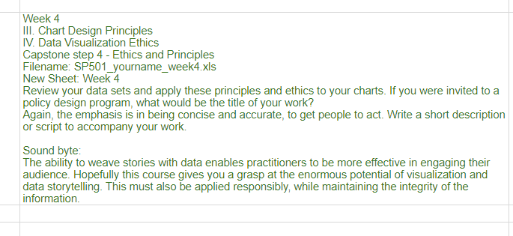

A. If you were invited to a policy design program, what would be the title of your work?
Answer: "Empowering Urban Mobility: Data-Driven Solutions for Efficient Commuting and Transportation"

Capstone
Commuting Experience in Metro Manila

Commonly used Mode of Transportation
 | Total
Bicycle | 3
Car | 14
Motorcycle | 1
N/A | 10
Observations
Within these data set, we can catch a glimpse of what is the traffic situation in Metro Manila. Are the commuters contented? Do they feel satisfaction in Communting in the Metro?
Based on the travel survey that I did on SP201 (although we only gathered 35 respondents) we can catch a glimpse of what the commuters are facing.
Based on my observations, I can infer that a mere 40% of respondents find the overall commuting experience in Metro Manila satisfactory. This indicates that certain aspects of the commuting experience in the Metro are deficient.
 | Mall/Shopping Centers - Bicycle | Mall/Shopping Centers - Car | School/University - Car | Workplace - Bicycle | Workplace - Car | Workplace - Motorcycle
Private Vehicle |  |  |  |  | 1
Private Vehicle, Public Transportation |  | 1 | 1 |  | 3 | 1
Public Transportation | 1 |  | 3 | 2 | 5

For 'AVERAGE TIME TRAVELED: Less than 1 hour', 'OVERALL TRAVELLING/COMMUTING EXPERIENCE': Satisfied has noticeably higher 'SATISFACTION LEVEL( From 1 to 10: 1 is the lowest and 10 is the highest)'.
 | Total
Satisfied | 7.1428571429
Neutral | 4
Dissatisfied | 3
Disappointing | 1
Traffic Situation in Metro Manila
 | Total
Mild Inconvenience | 14
Moderate Congestion | 10
Not a Problem | 1
Severe Congestion | 3
Average Time Travelled per Week
 | Employed | Self-Employed | Student | Unemployed
Daily | 15
Occasionally | 3 |  | 2 | 1
Tue-Thu | 1
Weekly | 1 | 1 | 2 | 2

