Iabco
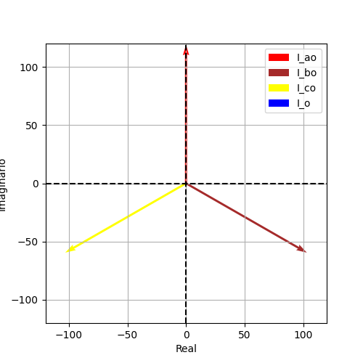
Iao | Ibo | Ico | Ion
119.00295404 | 119.00295404 | 119.00295404 | 0
1.5707963268 | -0.5235987756 | -2.617993878 | 0
1.4210854715E-14 | 103.05958132 | -103.05958132 | 0
119.00295404 | -59.501477018 | -59.501477018 | 0
(1.4210854715202004e-14+119.00295403586487j) | (103.05958132045089-59.50147701793249j) | (-103.0595813204509-59.50147701793239j) | 0j

Iabco1
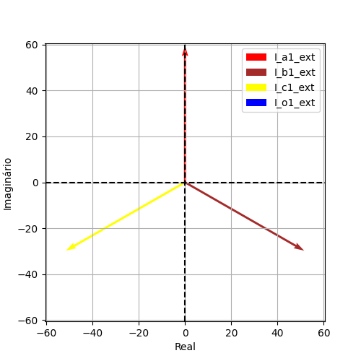
Iao | Ibo | Ico | Ion
59.501477018 | 59.501477018 | 59.501477018 | 7.1054273576E-15
1.5707963268 | -0.5235987756 | -2.617993878 | -1.5707963268
7.1054273576E-15 | 51.52979066 | -51.52979066 | 0
59.501477018 | -29.750738509 | -29.750738509 | -7.1054273576E-15
(7.105427357601002e-15+59.50147701793244j) | (51.529790660225444-29.750738508966247j) | (-51.52979066022545-29.750738508966197j) | -7.105427357601002e-15j

Iabco2

Iao | Ibo | Ico | Ion
59.501477018 | 59.501477018 | 59.501477018 | 7.1054273576E-15
1.5707963268 | -0.5235987756 | -2.617993878 | -1.5707963268
7.1054273576E-15 | 51.52979066 | -51.52979066 | 0
59.501477018 | -29.750738509 | -29.750738509 | -7.1054273576E-15
(7.105427357601002e-15+59.50147701793244j) | (51.529790660225444-29.750738508966247j) | (-51.52979066022545-29.750738508966197j) | -7.105427357601002e-15j

