Vabco
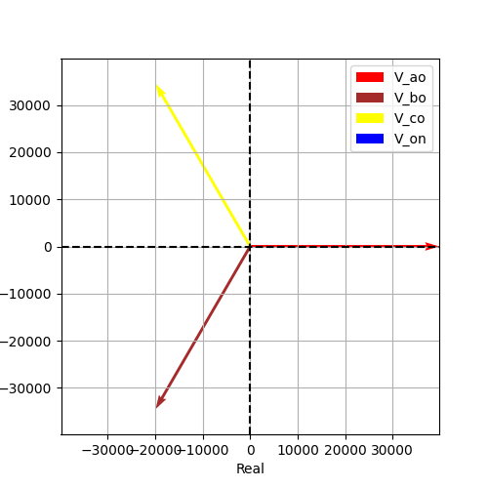
Vao | Vbo | Vco | Von | Vab | Vbc | Vca
39837.168574 | 39837.168574 | 39837.168574 | 1.2126596024E-12 | 69000 | 69000 | 69000
-1.1941598282E-16 | -2.0943951024 | 2.0943951024 | 3.1415926536 | 0.5235987756 | -1.5707963268 | 2.617993878
39837.168574 | -19918.584287 | -19918.584287 | -1.2126596024E-12 | 59755.752861 | -3.2741809264E-11 | -59755.752861
-4.7571946382E-12 | -34500 | 34500 | 0 | 34500 | -69000 | 34500
(39837.168574084164-4.7571946382163325e-12j) | (-19918.5842870421-34499.99999999999j) | (-19918.584287042067+34500j) | (-1.2126596023639042e-12+0j) | (59755.75286112627+34499.999999999985j) | (-3.2741809263825417e-11-69000j) | (-59755.75286112623+34500.00000000001j)

