Vabco
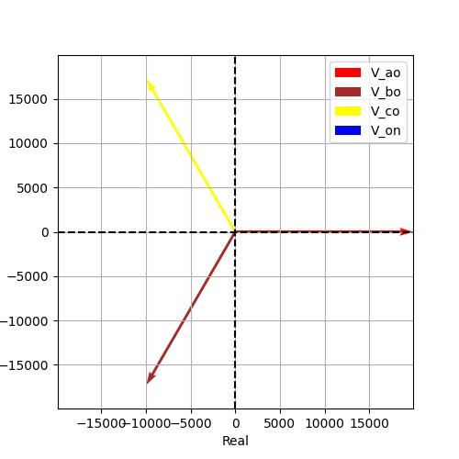
Vao | Vbo | Vco | Von | Vab | Vbc | Vca
19918.584287 | 19918.584287 | 19918.584287 | 1.3557946522E-12 | 34500 | 34500 | 34500
-1.0614754029E-16 | -2.0943951024 | 2.0943951024 | -2.0344439358 | 0.5235987756 | -1.5707963268 | 2.617993878
19918.584287 | -9959.2921435 | -9959.2921435 | -6.0632980118E-13 | 29877.876431 | -1.6370904632E-11 | -29877.876431
-2.1143087281E-12 | -17250 | 17250 | -1.2126596024E-12 | 17250 | -34500 | 17250
(19918.584287042086-2.1143087280961485e-12j) | (-9959.292143521052-17250j) | (-9959.292143521036+17250j) | (-6.063298011819521e-13-1.2126596023639042e-12j) | (29877.876430563138+17249.999999999996j) | (-1.6370904631912708e-11-34500j) | (-29877.87643056312+17250.000000000004j)

