Sheet1
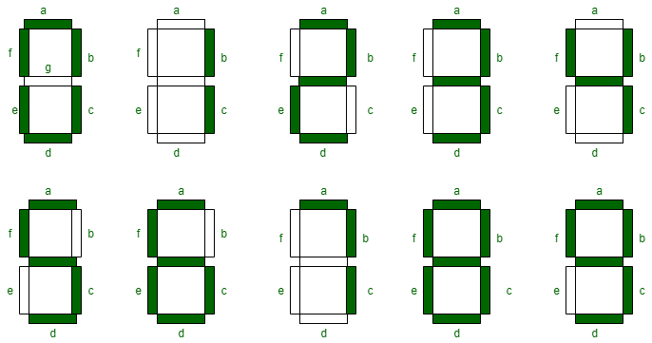
W | X | Y | Z | A | B | C | D | E | F | G
0 | 0 | 0 | 0 | 1 | 1 | 1 | 1 | 1 | 1 | 0 | 0
0 | 0 | 0 | 1 | 0 | 1 | 1 | 0 | 0 | 0 | 0 | 1
0 | 0 | 1 | 0 | 1 | 1 | 0 | 1 | 1 | 0 | 1 | 2
0 | 0 | 1 | 1 | 1 | 1 | 1 | 1 | 0 | 0 | 1 | 3
0 | 1 | 0 | 0 | 0 | 1 | 1 | 0 | 0 | 1 | 1 | 4
0 | 1 | 0 | 1 | 1 | 0 | 1 | 1 | 0 | 1 | 1 | 5
0 | 1 | 1 | 0 | 1 | 0 | 1 | 1 | 1 | 1 | 1 | 6
0 | 1 | 1 | 1 | 1 | 1 | 1 | 0 | 0 | 0 | 0 | 7
1 | 0 | 0 | 0 | 1 | 1 | 1 | 1 | 1 | 1 | 1 | 8
1 | 0 | 0 | 1 | 1 | 1 | 1 | 1 | 0 | 1 | 1 | 9

 |  |  |  | A | YZ |  |  |  |  |  | B | YZ
 |  |  |  | WX | 00 | 01 | 11 | 10 |  |  | WX | 00 | 01 | 11 | 10
 |  | y + w + x'z' + xz |  | 00 | 1 | 0 | 1 | 1 | x' + y'z' + yz |  | 00 | 1 | 1 | 1 | 1
 |  |  |  | 01 | 0 | 1 | 1 | 1 |  |  | 01 | 1 | 0 | 1 | 0
 |  |  |  | 11 | X | X | X | X |  |  | 11 | X | X | X | X
 |  |  |  | 10 | 1 | 1 | X | X |  |  | 10 | 1 | 1 | X | X

 |  |  |  | C | YZ |  |  |  |  |  | D | YZ
 |  |  |  | WX | 00 | 01 | 11 | 10 |  |  | WX | 00 | 01 | 11 | 10
 |  | y' + z + x |  | 00 | 1 | 1 | 1 | 0 | w + x'z' + x'y + yz' + xy'z |  | 00 | 1 | 0 | 1 | 1
 |  |  |  | 01 | 1 | 1 | 1 | 1 |  |  | 01 | 0 | 1 | 0 | 1
 |  |  |  | 11 | X | X | X | X |  |  | 11 | X | X | X | X
 |  |  |  | 10 | 1 | 1 | X | X |  |  | 10 | 1 | 1 | X | X

 |  |  |  | E | YZ |  |  |  |  |  | F | YZ
 |  | x'z' + yz' |  | WX | 00 | 01 | 11 | 10 | w + y'z' + xy' + xz' |  | WX | 00 | 01 | 11 | 10
 |  |  |  | 00 | 1 | 0 | 1 | 0 |  |  | 00 | 1 | 0 | 0 | 0
 |  |  |  | 01 | 0 | 0 | 0 | 1 |  |  | 01 | 1 | 1 | 0 | 1
 |  |  |  | 11 | X | X | X | X |  |  | 11 | X | X | X | X
 |  |  |  | 10 | 1 | 0 | X | X |  |  | 10 | 1 | 1 | X | X

 |  |  |  | G | YZ
 |  | w + x'y + xy' + yz' |  | WX | 00 | 01 | 11 | 10
 |  |  |  | 00 | 0 | 0 | 1 | 1
 |  |  |  | 01 | 1 | 1 | 0 | 1
 |  |  |  | 11 | X | X | X | X
 |  |  |  | 10 | 1 | 1 | X | X

