main
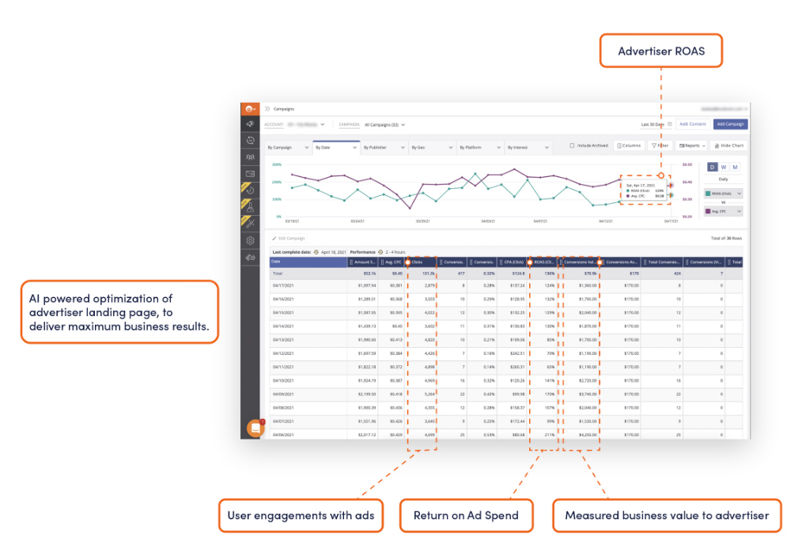
 |  | Price | 6.9
Founded | 2006 | Shares | 50
CEO | David Kostman | MC | 343
Headcount | 850 | Cash | 131
 |  | Debt | 0
 |  | EV | 212

Business model relies on AI prediction engine with purpose to connect advertisers
and media owners with engaged audiences around the world

73% revenue generated from mobile

1)predicting consumer attention and engagement
2)media partners
3)advertisers

Outbrain partners with top digital media brands, helping them monetize their content.
Since inception, it has generated about $5.2 billion in direct revenue for partners.
Key long-term partners include CNN, The Washington Post, and Sky News, with top media partnerships averaging seven years.

FUN FACTS for 2023: 610 billion spended WW in digital ads , 450 billion mobile ad + 160 billion other

Competition
Criteo | Google
Taboola | Amazon
RevContent | Meta
Magnite | Tiktok
PubMatic | X
Teads
TripleLift

