KKO
KAJIAN KELAYAKAN OPERASI

DAYA LAMA |  |  |  | DAYA BARU
Nama Pelanggan | : | SARKOWI |  | Nama Pelanggan | : | SARKOWI
Daya Lama (VA) | : | 42000 |  | Daya Baru (VA) | : | 66000
Jumlah Fasa | : | 3 | * | Jumlah Fasa | : | 3
Tegangan Sekunder Pengukuran rata-rata (Fasa-Netral) (V) | : | 380 | * | Tegangan Sekunder Pengukuran rata-rata (Fasa-Netral) (V) | : | 380
Beban Pelanggan (A) | : | 63.81 |  | Beban Pelanggan (A) | : | 100.28

SUPLAI TRAFO EKSISTING |  |  |  | SUPLAI TRAFO RENCANA
Nomor Tiang | : | T5-334/182/3 |  | Nomor Tiang | : | T5-334/182/3
Penyulang | : | MGN 04 |  | Penyulang | : | MGN 04
Daya | : | 100 | * | Daya | : | 160
Jumlah Fasa | : | 3 | * | Jumlah Fasa | : | 3
Beban TRAFO (Pengukuran Lapangan) |  | 110 |  | Beban TRAFO | : | 50.00
Beban Primer | : | 2.89 | * | Beban Primer | : | 4.62
Beban Sekunder | : | 151.93 | * | Beban Sekunder | : | 243.09
Beban (A) | : | #VALUE! |  | Beban (A) | : | #VALUE!
Prosentase Pembebanan | : | 72% |  | Beban (A) | : | 21%
 | 21% | 100%
Prosentase Pembebanan | : | 100% |  | Beban (A) | : | 100%

DATA





DATA
Tahun | : | 2022
Discount Rate | : | 12%
Transfer price TM | : | 1,084 |  | Marginal COST maret 2022
Umur ekonomis (tahun) | : | 25.00
Selisih Susut Teknis | : | 2.25%
∑ Daya | : | 24
BP (Rp) | : | 22,488,000
RAB (Rp) | : | 126,145,671
Biaya O&M (2% invest) | : | 2,522,913.42

Nama Pelanggan | : | SARKOWI | *
Golongan Pelanggan | : | BISNIS | *
Jenis Layanan | : | B2 | *
Daya Lama (kVA) | : | 42 | *
Daya Baru (kVA) | : | 66 | *
Tarif WBP (Rp/kWh) | : | 1,444.70 | *
Tarif LWBP (Rp/kWh) | : | 1,444.70 | *
BP (Rp/VA) TR | : | 937 | *
Jam Nyala | : | 40 | *

RAB
 |  | PT. PLN ( PERSERO )
 |  | UNIT INDUK DISTRIBUSI JAWA TENGAH & DI YOGYAKARTA |  |  |  |  |  |  |  |  |  | RAB TOTAL
 |  | UP3 DEMAK |  |  |  |  |  |  |  |  | RAB TOTAL | RAB NON MDU
 | RENCANA ANGGARAN BIAYA (RAB)

 |  |  |  | Pekerjaan | : | SARKOWI
 |  |  |  | Lokasi | : | PUNDENARUM TR 02 RW 07 KARANGAWEN
 |  |  |  | Pelaksana | : | PT. PLN (PERSERO) UP3 DEMAK
 |  |  |  | Anggaran | : | SAR 2023

Note !! 1. Saat Pengisian Uraian di mohon memasukan nama material sesuai dengan nama material di harga satuan
2. Mohon di cek kembali saat pengisian volume material
3. Untuk program Sarana Penunjang Fungsi tidak perlu SLO.
 | NO | URAIAN | GOL | SAT | VOL | HARGA SATUAN | BIAYA YANG DIPERLUKAN ( Rp )
 |  |  |  |  |  |  | MDU | HARDWARE | JASA | JUMLAH

#REF! | A | PEMASANGAN TIANG |  |  |  | 0 | 0 | 0 | 0 | 0
#REF! |  |  |  |  |  | 0 | 0 | 0 | 0 | 0
#REF! |  |  |  |  |  | 0 | 0 | 0 | 0 | 0
#REF! |  |  |  |  |  | 0 | 0 | 0 | 0 | 0
#REF! | B | PEKERJAAN PEMASANGAN KONSTRUKSI |  |  |  | 0 | 0 | 0 | 0 | 0
#REF! |  |  |  |  |  | 0 | 0 | 0 | 0 | 0
#REF! | + | Trafo 3 Fasa 160 KVA 2 Tiang (G313) |  | Unit | 1 | 0 | 0 | 0 | 0 | 0
#REF! | 1 | Trafo 3 phasa 160 kVA YNyn0 | MDU-KD | Bh | 1 | 77,674,900 | 77,674,900 | 0 | 0 | 77,674,900
#REF! | 2 | Jumper Wire : |  |  |  | 0 | 0 | 0 | 0 | 0
#REF! |  | AAAC 70 mm² | MDU-KD | Mtr | 9 | 14,200 | 127,800 | 0 | 0 | 127,800
v |  | NFA2X-T 3x70+1x70 | MDU-KD | Mtr | 3 | 54,500 | 163,500 | 0 | 0 | 163,500
#REF! | 3 | Lightning Arester (Polymer) 21 KV, 10 KA | MDU-KD | Bh | 3 |  | 0 | 0 | 0 | 0
#REF! | 4 | FCO Polymer | MDU-KD | Bh | 3 |  | 0 | 0 | 0 | 0
#REF! | 5 | Fuse Link 6 A | HDW | Bh | 3 | 18,000 | 0 | 54,000 | 0 | 54,000
#REF! | 6 | Sepatu Kabel AL/CU Kepala 70 | HDW | Bh | 13 | 73,300 | 0 | 952,900 | 0 | 952,900
#REF! | 7 | Bolt Machine / Bolt cariage ½" x ¾" | HDW | Bh | 28 |  | 0 | 0 | 0 | 0
#REF! | 8 | Bracket band segment,vertikal plat ( Hot dip galvanis ) | HDW | Bh | 2 |  | 0 | 0 | 0 | 0
#REF! | 9 | Compresion Conector H type 70 mm² / 70 mm² | HDW | Bh | 3 | 15,900 | 0 | 47,700 | 0 | 47,700
v | 10 | Cross Arm Steel 2.000 mm ( UNSP 10 ) galvanis | HDW | Bh | 5 |  | 0 | 0 | 0 | 0
#REF! | 11 | Cross Arm Steel 3.000 mm ( UNSP 10 ) galvanis | HDW | Bh | 4 |  | 0 | 0 | 0 | 0
#REF! | 12 | Hot Line Clamp ( 150mm² s/d 240 mm² ) | HDW | Bh | 3 |  | 0 | 0 | 0 | 0
#REF! | 13 | Pole Band Single Rack 7" atau 7 ½" | HDW | Bh | 2 |  | 0 | 0 | 0 | 0
#REF! | 14 | Pole Band Single Rack 8" atau 8 ½" | HDW | Bh | 2 | 60,300 | 0 | 120,600 | 0 | 120,600
#REF! | 15 | Steel L 70 x 70 x 7 x 780 mm galvanis | HDW | Bh | 4 |  | 0 | 0 | 0 | 0
#REF! | 16 | Upah Pasang Trafo 3 Fasa 160 KVA 2 Tiang | JASA | Unit | 1 | 3,784,400 | 0 | 0 | 3,784,400 | 3,784,400
v |  |  |  |  |  | 0 | 0 | 0 | 0 | 0
#REF! | + | SJ6 |  | Unit | 4 | 0 | 0 | 0 | 0 | 0
#REF! | 1 | Armour Tape ¼" wide | HDW | Mtr | 4 | 7,789 | 0 | 31,156 | 0 | 31,156
#REF! | 2 | Clevis Swinging Secondary | HDW | Bh | 4 | 15,500 | 0 | 62,000 | 0 | 62,000
#REF! | 3 | Loop Dead End Clamp / LC ( 35 s/d 240 ) mm² | HDW | Bh | 8 | 29,600 | 0 | 236,800 | 0 | 236,800
#REF! | 4 | Oval Eye Nut ⅝" | HDW | Bh | 4 | 23,936 | 0 | 95,744 | 0 | 95,744
#REF! | 5 | Pole Band Single Rack 7" atau 7 ½" | HDW | Bh | 4 | 57,690 | 0 | 230,760 | 0 | 230,760
#REF! | 6 | Spool Insulator ANSI 53 - 4 | HDW | Bh | 4 | 33,502 | 0 | 134,007 | 0 | 134,007
v | 7 | Upah Pasang Konst. JTR J6 | JASA | Unit | 4 | 35,700 | 0 | 0 | 142,800 | 142,800
#REF! |  |  |  |  |  | 0 | 0 | 0 | 0 | 0
#REF! | + | CM2-12 |  | Unit | 2 | 0 | 0 | 0 | 0 | 0
#REF! | 1 | Bimetalic Connector 35 - 240 mm² | HDW | Bh | 2 | 47,459 | 0 | 94,918 | 0 | 94,918
#REF! | 2 | Ground wire Cu 16 mm² | HDW | Mtr | 1.6 | 30,000 | 0 | 48,000 | 0 | 48,000
 | 3 | Ground rod & Washer | HDW | Bh | 2 | 9,500 | 0 | 19,000 | 0 | 19,000
 | 4 | Upah Pasang Acc.Jar M2-12 | JASA | Unit | 2 | 16,200 | 0 | 0 | 32,400 | 32,400
#REF! |  |  |  |  |  | 0 | 0 | 0 | 0 | 0
 |  |  |  |  |  | 0 | 0 | 0 | 0 | 0
 |  |  |  |  |  | 0 | 0 | 0 | 0 | 0
v | D | PEKERJAAN PEMASANGAN APP |  |  |  | 0 | 0 | 0 | 0 | 0
#REF! | + | Daya 66.000 VA |  | Unit | 1 | 0 | 0 | 0 | 0 | 0
v | 1 | KWH Elektronik; 3P; 4W; 220/380V; 5(10); kls 1 (Pengukuran Tidak Langsung) | MDU-KD | Bh | 1 | 1,504,200 | 1,504,200 | 0 | 0 | 1,504,200
#REF! | 2 | Smart Box Tidak Langsung Daya 66 kVA MCCB 100 A | MDU-KD | Unit | 1 | 13,644,300 | 13,644,300 | 0 | 0 | 13,644,300
 | 3 | Modem 3G/4G | HDW | Unit | 1 | 1,113,900 | 0 | 1,113,900 | 0 | 1,113,900
#REF! | 4 | NFA2X-T 3x70+1x70 | MDU-KD | Mtr | 150 | 54,500 | 8,175,000 | 0 | 0 | 8,175,000
#REF! | 5 | Upah Pasang SR + APP 3 Fasa | JASA | Unit | 1 | 106,400 | 0 | 0 | 106,400 | 106,400
v |  |  |  |  |  | 0 | 0 | 0 | 0 | 0
#REF! | E | PEMBONGKARAN |  |  |  | 0 | 0 | 0 | 0 | 0
#REF! | 1 | Upah Bongkar Trafo 3 Fasa 100 KVA 2 Tiang | JASA | Unit | 1 | 2,211,900 | 0 | 0 | 2,211,900 | 2,211,900
#REF! | 2 | Upah Bongkar SR + APP 3 Fasa | JASA | Unit | 1 | 63,840 | 0 | 0 | 63,840 | 63,840
#REF! |  |  |  |  |  | 0 | 0 | 0 | 0 | 0
 |  |  |  |  |  | 0 | 0 | 0 | 0 | 0
 |  | SLO |  |  |  | 0 | 0 | 0 | 0 | 0
 | 1 | Sertifikasi Laik Operasi | JASA | Lot | 1 | 2.5% |  |  | 2,771,823 | 2,771,823
 |  |  |  |  |  |  | 0 | 0 | 0 | 0

 |  | Jumlah MDU - Hardware - Jasa |  |  |  | : | 101,289,700 | 3,241,485 | 9,113,563 | 113,644,749
 |  | PPN 11% |  |  |  | : | 11,141,867 | 356,563 | 1,002,492 | 12,500,922
 |  | Jumlah Total |  |  |  | : | 112,431,567 | 3,598,049 | 10,116,055 | 126,145,671
 | Terbilang : Seratus Dua Puluh Enam Juta Seratus Empat Puluh Lima Ribu Enam Ratus Tujuh Puluh Satu Rupiah

 | Harga yang dipakai adalah RAB HSS 2023

 |  |  |  |  |  |  |  | Tegowanu, Februari 2024
 |  |  |  |  |  |  |  | MANAGER ULP TEGOWANU

 |  |  |  |  |  |  |  | HARY PRATAMA

GAMBAR
 |  |  |  |  | PT. PLN (PERSERO) UP3 DEMAK
Hasil Ukur Trafo 3 Ph 50 KVA ( X ) di -
 | X0 | X1 | X2 | X3 | Keterangan Gambar :
SIANG |  |  |  |  | No | Nama Material |  |  | Baru |  | Eksisting
s
s
MALAM |  |  |  |  | 1 | Tiang Beton
 |  |  |  |  | 2 | Tiang Besi
 |  |  |  |  | 3 | JTM 3 Fasa
 |  |  |  |  | 4 | JTM 1 Fasa
 |  |  |  |  | 5 | JTR 1 Fasa Only / UB
 |  |  |  |  | 6 | JTR 3 Fasa Only / UB
 |  |  |  |  | 7 | Trafo 1 Fasa
 |  |  |  |  | 8 | Trafo 3 Fasa
 |  |  |  |  | 9 | Fuse Cut Out
 |  |  |  |  | 10 | ABSW
 |  |  |  |  | 11 | Vang Net
APP
 |  |  |  |  | 12 | Schoor
 |  |  |  |  | 13
APP
T5-334/182/4
3 SJ6
1 CM2-12
 |  |  |  |  | Bongkar Pasang Konstruksi :
 |  |  |  |  | Pasang |  |  |  | Bongkar
 |  |  |  |  | CG-313 160KVA |  | U | 1 | CG-313 100KVA |  | U | 1
 |  |  |  |  | SR APP 3P 66KVA |  | U | 1 | SR APP 3P 41.5KVA |  | U | 1
A
 |  |  |  |  | LVTC 3X70+NX50 mm2 |  | U | 150
 |  |  |  |  | SJ6 |  | U | 4
37 m
37 m
 |  |  |  |  | CM2-12 |  | U | 2

T5-334/182/3
1 CG-313 100KVA
1 SR APP 3PH 41.5KVA
1 CG-313 160 KVA
1 SR APP 3PH 66KVA
1 SJ6
1 CM2-12

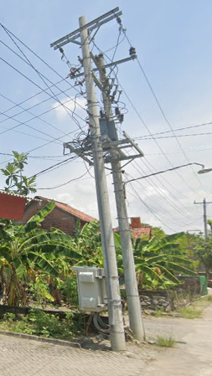
APP
APP

s
s

s
s

Gg. Bilo Kendal
 |  |  |  |  | Keterangan Tambahan : -7.014605, 110.595401

 |  |  |  |  | Golongan
 |  |  |  |  | No. Gambar |  | 1 |  |  | Lembar |  | dr
 |  |  |  |  | Gambar dari |  |  |  |  | Skala
 |  |  |  |  | Perihal:
 |  |  |  |  | SARKOWI
 |  |  |  |  | PUNDENARUM TR 02 RW 07 KARANGAWEN

 |  |  |  |  | Digambar |  | Staf Teknik
 |  |  |  |  | Diperiksa |  | TL. Teknik
 |  |  |  |  | Diketahui |  | Manager ULP
 |  |  |  |  | Disetujui |  | Man. Perencanaan

PETA
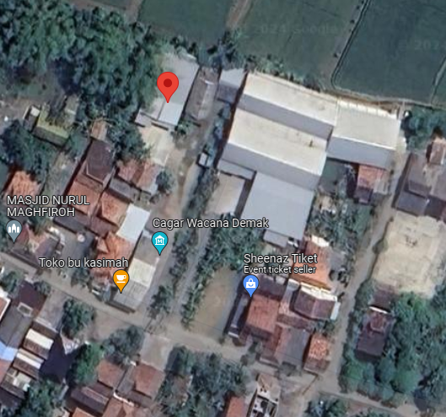
PETA LOKASI PELANGGAN

KOORDINAT LOKASI : -7.014605, 110.595401

SLD
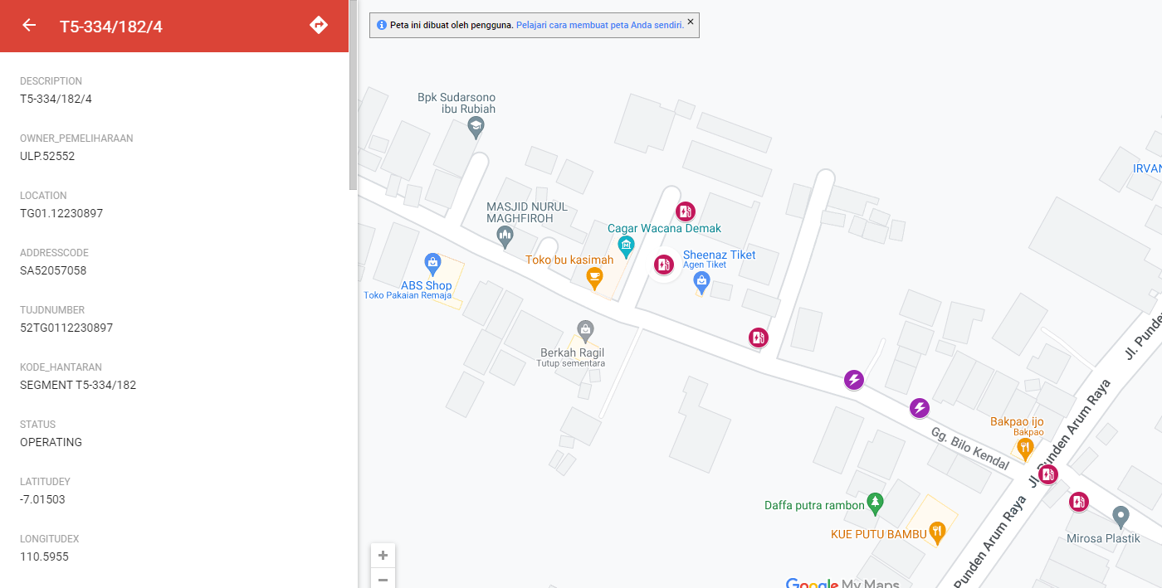
SINGLE LINE DIAGRAM LOKASI PELANGGAN

