KKO
KAJIAN KELAYAKAN OPERASI

DAYA LAMA |  |  |  | DAYA BARU
Nama Pelanggan | : | SANTOSO |  | Nama Pelanggan | : | SANTOSO
Daya Lama (VA) | : | 41500 |  | Daya Baru (VA) | : | 41500
Jumlah Fasa | : | 3 | * | Jumlah Fasa | : | 3
Tegangan Sekunder Pengukuran rata-rata (Fasa-Netral) (V) | : | 380 | * | Tegangan Sekunder Pengukuran rata-rata (Fasa-Netral) (V) | : | 380
Beban Pelanggan (A) | : | 63.05 |  | Beban Pelanggan (A) | : | 63.05

SUPLAI TRAFO EKSISTING |  |  |  | SUPLAI TRAFO RENCANA
Nomor Tiang | : |  |  | Nomor Tiang | : | -
Penyulang | : |  |  | Penyulang | : | 0
Daya | : |  | * | Daya | : | 50
Jumlah Fasa | : | 1 | * | Jumlah Fasa | : | 1
Beban TRAFO (Pengukuran Lapangan) |  | 160 |  | Beban TRAFO | : | 63.05
Beban Primer | : | 0.00 | * | Beban Primer | : | 4.33
Beban Sekunder | : | 0.00 | * | Beban Sekunder | : | 227.90
Beban (A) | : | 0.00 |  | Beban (A) | : | 0.23
Prosentase Pembebanan | : | #DIV/0! |  | Beban (A) | : | 28%
 | 28% | 100%
Prosentase Pembebanan | : | 100% |  | Beban (A) | : | 100%

DATA





DATA
Tahun | : | 2022
Discount Rate | : | 12%
Transfer price TM | : | 1,084 |  | Marginal COST maret 2022
Umur ekonomis (tahun) | : | 25.00
Selisih Susut Teknis | : | 2.25%
∑ Daya | : | -
BP (Rp) | : | -
RAB (Rp) | : | 14,038,862
Biaya O&M (2% invest) | : | 280,777.24

Nama Pelanggan | : | SANTOSO | *
Golongan Pelanggan | : | B2 | *
Jenis Layanan | : | REGULER | *
Daya Lama (kVA) | : | 42 | *
Daya Baru (kVA) | : | 42 | *
Jml Phasa |  | 3
Tegangan |  | 380
Tarif WBP (Rp/kWh) | : | 1,444.70 | *
Tarif LWBP (Rp/kWh) | : | 1,444.70 | *
BP (Rp/VA) TR | : | 969 | *
Jam Nyala | : | 40 | *

RAB
 | PT. PLN ( PERSERO )
 | UNIT INDUK DISTRIBUSI JAWA TENGAH & DI YOGYAKARTA |  |  |  |  |  |  |  |  |  | RAB TOTAL
 | UP3 DEMAK |  |  |  |  |  |  |  |  | RAB TOTAL | RAB NON MDU
RENCANA ANGGARAN BIAYA (RAB)

 |  |  | Pekerjaan | : | SANTOSO
 |  |  | Lokasi | : | DN Kembangan RT3 RW2 Waru
 |  |  | Pelaksana | :
 |  |  | Anggaran | : | SAR 2023

Note !! 1. Saat Pengisian Uraian di mohon memasukan nama material sesuai dengan nama material di harga satuan
2. Mohon di cek kembali saat pengisian volume material
3. Untuk program Sarana Penunjang Fungsi tidak perlu SLO.
NO | URAIAN | GOL | SAT | VOL | HARGA SATUAN | BIAYA YANG DIPERLUKAN ( Rp )
 |  |  |  |  |  | MDU | HARDWARE | JASA | JUMLAH

 |  |  |  |  | 0 | 0 | 0 | 0 | 0
A | PEKERJAAN PEMASANGAN TIANG |  |  |  | 0 | 0 | 0 | 0 | 0
 |  |  |  |  | 0 | 0 | 0 | 0 | 0
B | PEKERJAAN PEMASANGAN JTR |  |  |  | 0 | 0 | 0 | 0 | 0

C | PEKERJAAN PEMASANGAN TRAFO |  |  |  | 0 | 0 | 0 | 0 | 0
 |  |  |  |  | 0 | 0 | 0 | 0 | 0
D | PEKERJAAN PEMASANGAN APP |  |  |  | 0 | 0 | 0 | 0 | 0
+ | Daya 41.500 VA |  | Unit | 1 | 0 | 0 | 0 | 0 | 0
1 | KWH MPB; 3P; 4W; 230/400 V; 5(80) A; Class 1 | HDW | Bh | 1 | 1,719,200 | 0 | 1,719,200 | 0 | 1,719,200
2 | Smart Box Langsung Daya 41.5 kVA MCCB 63 A | MDU-KD | Unit | 1 | 3,564,900 | 3,564,900 | 0 | 0 | 3,564,900
3 | Modem 3G/4G | HDW | Unit | 1 | 1,113,900 | 0 | 1,113,900 | 0 | 1,113,900
4 | Kabel NYY 4 x 35 mm² | HDW | Mtr | 35 | 164,883 | 0 | 5,770,905 | 0 | 5,770,905
5 | Upah Pasang SR + APP 3 Fasa | JASA | Unit | 1 | 106,400 | 0 | 0 | 106,400 | 106,400
6 | Upah Bongkar SR + APP 3 Fasa | JASA | Unit | 1 | 63,840 | 0 | 0 | 63,840 | 63,840
 |  |  |  |  | 0 | 0 | 0 | 0 | 0
 | SLO |  |  |  | 0 | 0 | 0 | 0 | 0
1 | Sertifikasi Laik Operasi | JASA | Lot | 1 | 2.5% |  |  | 308,479 | 308,479
 |  |  |  |  |  | 0 | 0 | 0 | 0

 | Jumlah MDU - Hardware - Jasa |  |  |  | : | 3,564,900 | 8,604,005 | 478,719 | 12,647,624
 | PPN 11% |  |  |  | : | 392,139 | 946,441 | 52,659 | 1,391,239
 | Jumlah Total |  |  |  | : | 3,957,039 | 9,550,446 | 531,378 | 14,038,862
Terbilang : Empat Belas Juta Tiga Puluh Delapan Ribu Delapan Ratus Enam Puluh Dua Rupiah

Harga yang dipakai adalah RAB HSS 2023

 |  |  |  |  |  |  | Wirosari, Mei 2024
 |  |  |  |  |  |  | MANAGER

 |  |  |  |  |  |  | SUCIPTO ARIEF WIBOWO

GAMBAR
 | PT. PLN (PERSERO) UP3 DEMAK

s
s
KOORDINAT : | Keterangan Gambar :
 | No | Nama Material |  | Baru |  | Eksisting
-7.113576, 111.118144 | 1 | Tiang Beton
 | 2 | Tiang Besi
 | 3 | JTM 3 Fasa
 | 4 | JTM 1 Fasa
 | 5 | JTR 1 Fasa Only / UB
 | 6 | JTR 3 Fasa Only / UB
SANTOSO
 | 7 | Trafo 1 Fasa
 | 8 | Trafo 3 Fasa
 | 9 | Fuse Cut Out
 | 10 | ABSW
 | 11 | Vang Net
 | 12 | Schoor
 | 13

 | Bongkar Pasang Konstruksi :
 | Pasang |  |  | Bongkar
K2-603/370 /312/88/13
1 C11-200
1 CA1 1 CG-312 1 CM5-9
2 CM2-11M

 | Keterangan Tambahan :

 | Golongan
 | No. Gambar |  | 1 |  | Lembar |  | dr
 | Gambar dari |  |  |  | Skala
 | Perihal:
 | SANTOSO
 | DN Kembangan RT3 RW2 Waru

 | Digambar |  | Staff Teknik
 | Diperiksa |  | TL. Teknik
 | Diketahui |  | Manager
 | Disetujui

SLD

SINGLE LINE DIAGRAM LOKASI PELANGGAN

PETA
PETA LOKASI PELANGGAN

-7.113576, 111.118144

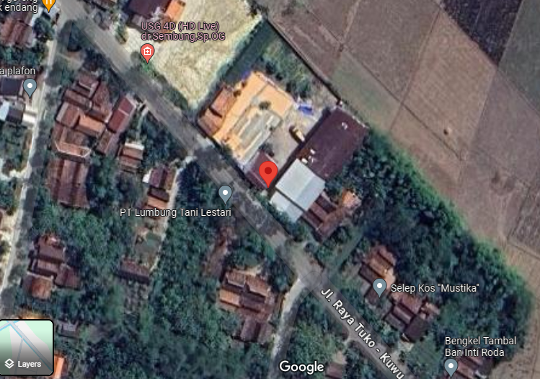

SMP 1

