KKO
KAJIAN KELAYAKAN OPERASI

DAYA LAMA |  |  |  | DAYA BARU
Nama Pelanggan | : | KUSDIYANTO |  | Nama Pelanggan | : | KUSDIYANTO
Daya Lama (VA) | : | 33000 |  | Daya Baru (VA) | : | 105000
Jumlah Fasa | : | 3 | * | Jumlah Fasa | : | 3
Tegangan Sekunder Pengukuran rata-rata (Fasa-Netral) (V) | : | 380 | * | Tegangan Sekunder Pengukuran rata-rata (Fasa-Netral) (V) | : | 380
Beban Pelanggan (A) | : | 50.14 |  | Beban Pelanggan (A) | : | 159.53

SUPLAI TRAFO EKSISTING |  |  |  | SUPLAI TRAFO RENCANA
Nomor Tiang | : | PWI12-696 |  | Nomor Tiang | : | PWI12-696
Penyulang | : | PWI12 |  | Penyulang | : | PWI12
Daya | : | 50 | * | Daya | : | 100
Jumlah Fasa | : | 3 | * | Jumlah Fasa | : | 3
Beban TRAFO (Pengukuran Lapangan) |  | 0 |  | Beban TRAFO | : | 159.53
Beban Primer | : | 1.44 | * | Beban Primer | : | 2.89
Beban Sekunder | : | 75.97 | * | Beban Sekunder | : | 151.93
Beban (A) | : | 0.08 |  | Beban (A) | : | 0.15
Prosentase Pembebanan | : | 0% |  | Beban (A) | : | 105%
 | 105% | 100%
Prosentase Pembebanan | : | 100% |  | Beban (A) | : | 100%

DATA





DATA
Tahun | : | 2023
Discount Rate | : | 12%
Transfer price TM | : | 1,084 |  | Marginal COST maret 2022
Umur ekonomis (tahun) | : | 25.00
Selisih Susut Teknis | : | 2.25%
∑ Daya | : | 72
BP (Rp) | : | 55,800,000
RAB (Rp) | : | 71,833,483
Biaya O&M (2% invest) | : | 1,436,669.67

Nama Pelanggan | : | KUSDIYANTO | *
Golongan Pelanggan | : | B2 | *
Jenis Layanan | : | REGULER | *
Daya Lama (kVA) | : | 33 | *
Daya Baru (kVA) | : | 105.00 | *
Tarif WBP (Rp/kWh) | : | 1,444.70 | *
Tarif LWBP (Rp/kWh) | : | 1,444.70 | *
BP (Rp/VA) TR | : | 775 | *
Jam Nyala | : | 40 | *

RAB
 |  | PT. PLN ( PERSERO )
 |  | UNIT INDUK DISTRIBUSI JAWA TENGAH & DI YOGYAKARTA |  |  |  |  |  |  |  |  |  | RAB TOTAL
 |  | UP3 DEMAK |  |  |  |  |  |  |  |  | RAB TOTAL | RAB NON MDU
 | RENCANA ANGGARAN BIAYA (RAB)

 |  |  |  | Pekerjaan | : | KUSDIYANTO
 |  |  |  | Lokasi | : | DS DANYANG
 |  |  |  | Pelaksana | : | PT. PLN (PERSERO) UP3 DEMAK
 |  |  |  | Anggaran | : | SAR 2023

Note !! 1. Saat Pengisian Uraian di mohon memasukan nama material sesuai dengan nama material di harga satuan
2. Mohon di cek kembali saat pengisian volume material
3. Untuk program Sarana Penunjang Fungsi tidak perlu SLO.
 | NO | URAIAN | GOL | SAT | VOL | HARGA SATUAN | BIAYA YANG DIPERLUKAN ( Rp )
 |  |  |  |  |  |  | MDU | HARDWARE | JASA | JUMLAH

 |  |  |  |  |  | 0 | 0 | 0 | 0 | 0
#REF! | I | PEMASANGAN TIANG |  |  |  | 0 | 0 | 0 | 0 | 0
 |  |  |  |  |  | 0 | 0 | 0 | 0 | 0
 |  |  |  |  |  | 0 | 0 | 0 | 0 | 0
 | II | PEMASANGAN KONSTRUKSI |  |  |  | 0 | 0 | 0 | 0 | 0
 | + | Trafo 3 Fasa 100 KVA 2 Tiang (G313) |  | Unit | 1 | 0 | 0 | 0 | 0 | 0
 | 1 | Trafo 3 phasa 100 kVA YNyn0 | MDU-KD | Bh | 1 | 56,838,600 | 56,838,600 | 0 | 0 | 56,838,600
 | 2 | Jumper Wire : |  |  |  | 0 | 0 | 0 | 0 | 0
 |  | AAAC 70 mm² | ATB | Mtr | 9 | 14,200 | 0 | 0 | 0 | 0
 |  | NFA2X-T 3 x 70 + N 50 mm² |  |  | 3 | 0 | 0 | 0 | 0 | 0
 | 3 | Lightning Arester (Polymer) 21 KV, 10 KA | ATB | Bh | 3 | 725,900 | 0 | 0 | 0 | 0
 | 4 | FCO Polymer | ATB | Bh | 3 | 848,250 | 0 | 0 | 0 | 0
 | 5 | Fuse Link 6 A | ATB | Bh | 3 | 18,000 | 0 | 0 | 0 | 0
 | 6 | Sepatu Kabel AL/CU Ring-70 mm² | ATB | Bh | 13 | 49,000 | 0 | 0 | 0 | 0
 | 7 | Bolt Machine / Bolt cariage ½" x ¾" | ATB | Bh | 22 | 7,938 | 0 | 0 | 0 | 0
 | 8 | Bracket band segment,vertikal plat ( Hot dip galvanis ) | ATB | Bh | 1 | 404,600 | 0 | 0 | 0 | 0
 | 9 | Compresion Conector H type 70 mm² / 70 mm² | ATB | Bh | 3 | 15,900 | 0 | 0 | 0 | 0
 | 10 | Cross Arm Steel 2.000 mm ( UNSP 10 ) galvanis | ATB | Bh | 5 | 380,500 | 0 | 0 | 0 | 0
 | 11 | Cross Arm Steel 3.000 mm ( UNSP 10 ) galvanis | ATB | Bh | 4 | 559,200 | 0 | 0 | 0 | 0
 | 12 | Hot Line Clamp ( 150mm² s/d 240 mm² ) | ATB | Bh | 3 | 173,400 | 0 | 0 | 0 | 0
 | 13 | Pole Band Single Rack 7" atau 7 ½" | ATB | Bh | 1 | 57,690 | 0 | 0 | 0 | 0
 | 14 | Pole Band Single Rack 8" atau 8 ½" | ATB | Bh | 2 | 60,300 | 0 | 0 | 0 | 0
 | 15 | Steel L 70 x 70 x 7 x 780 mm galvanis | ATB | Bh | 2 | 129,000 | 0 | 0 | 0 | 0
 | 16 | Upah Pasang Trafo 3 Fasa 100 KVA 2 Tiang | ATB | Unit | 4 | 3,686,500 | 0 | 0 | 0 | 0
 |  |  |  |  |  | 0 | 0 | 0 | 0 | 0
 |  |  |  |  |  | 0 | 0 | 0 | 0 | 0
 | III | PEKERJAAN PEMASANGAN KONDUKTOR |  |  |  | 0 | 0 | 0 | 0 | 0
 |  |  |  |  |  | 0 | 0 | 0 | 0 | 0
 |  |  |  |  |  | 0 | 0 | 0 | 0 | 0
 | IV | PEMASANGAN APP |  |  |  | 0 | 0 | 0 | 0 | 0
 | + | Daya 105.000 VA |  | Unit | 1 | 0 | 0 | 0 | 0 | 0
 | 1 | KWH Elektronik; 3P; 4W; 220/380V; 5(10); kls 1 (Pengukuran Tidak Langsung) | MDU-KD | Bh | 1 | 1,504,200 | 1,504,200 | 0 | 0 | 1,504,200
 | 2 | Smart Box Tidak Langsung Daya 105 kVA MCCB 160 A | ATB | Unit | 1 | 14,217,900 | 0 | 0 | 0 | 0
 | 3 | Modem 3G/4G | HDW | Unit | 1 | 1,113,900 | 0 | 1,113,900 | 0 | 1,113,900
 | 4 | NFA2X-T 3x70+1x70 | MDU-KD | Mtr | 40 | 54,500 | 2,180,000 | 0 | 0 | 2,180,000
 | 5 | Upah Pasang SR + APP 3 Fasa | JASA | Unit | 1 | 106,400 | 0 | 0 | 106,400 | 106,400
 |  |  |  |  |  | 0 | 0 | 0 | 0 | 0
 | + | CM2-11 |  | Unit | 1 | 0 | 0 | 0 | 0 | 0
 | 1 | Ground rod ⅝" x 8" Copper Weld | HDW | Bh | 1 | 185,200 | 0 | 185,200 | 0 | 185,200
 | 2 | Bimetalic Connector 35 - 240 mm² | HDW | Bh | 1 | 47,459 | 0 | 47,459 | 0 | 47,459
 | 3 | Ground wire Cu 16 mm² | HDW | Mtr | 1.5 | 30,000 | 0 | 45,000 | 0 | 45,000
 | 4 | Ground rod & Washer | HDW | Bh | 2 | 9,500 | 0 | 19,000 | 0 | 19,000
 | 5 | Upah Pasang Acc.Jar M2-11 | JASA | Unit | 1 | 56,400 | 0 | 0 | 56,400 | 56,400
 | V | UPAH BONGKAR |  | 0 |  | 0 | 0 | 0 | 0 | 0
 | 1 | Upah Bongkar SR + APP 3 Fasa | JASA | Unit | 1 | 63,840 | 0 | 0 | 63,840 | 63,840
 | 2 | Upah Bongkar Trafo 3 Fasa 50 KVA 2 Tiang | JASA | Unit | 1 | 976,440 | 0 | 0 | 976,440 | 976,440
 |  | SLO |  |  |  | 0 | 0 | 0 | 0 | 0
 | 1 | Sertifikasi Laik Operasi | JASA | Lot | 1 | 2.5% | 1,513,070 | 35,264 | 30,077 | 1,578,411
 |  |  |  |  |  |  | 0 | 0 | 0 | 0

 |  | Jumlah MDU - Hardware - Jasa |  |  |  | : | 62,035,870 | 1,445,823 | 1,233,157 | 64,714,850
 |  | PPN 11% |  |  |  | : | 6,823,946 | 159,041 | 135,647 | 7,118,633
 |  | Jumlah Total |  |  |  | : | 68,859,816 | 1,604,864 | 1,368,804 | 71,833,483
 | Terbilang : Tujuh Puluh Satu Juta Delapan Ratus Tiga Puluh Tiga Ribu Empat Ratus Delapan Puluh Tiga Rupiah

 | Harga yang dipakai adalah RAB HSS 2023

 |  |  |  |  |  |  |  | Demak, 30Agustus 2023
 |  |  |  |  |  |  |  | ASMAN PERENCANAAN

 |  |  |  |  |  |  |  | VALENTHINA EKA SABTI WONOHUSODO

GAMBAR
 |  |  |  | PT. PLN (PERSERO) UP3 DEMAK

 |  |  | -7.114473, 110.911222 | Keterangan Gambar :
 |  |  |  | No | Nama Material |  |  | Baru |  | Eksisting
 |  |  |  | 1 | Tiang Beton
 |  |  |  | 2 | Tiang Besi
 |  |  |  | 3 | JTM 3 Fasa
 |  |  |  | 4 | JTM 1 Fasa
 |  |  |  | 5 | JTR 1 Fasa Only / UB
 |  |  |  | 6 | JTR 3 Fasa Only / UB
 |  |  |  | 7 | Trafo 1 Fasa
 |  |  |  | 8 | Trafo 3 Fasa
s
s
 |  |  |  | 9 | Fuse Cut Out
 |  |  |  | 10 | ABSW
 |  |  |  | 11 | Vang Net
 |  |  |  | 12 | Schoor
 |  |  |  | 13
s
s
SR APP 33 KVA
 |  |  |  | Bongkar Pasang Konstruksi :
 |  |  |  | Pasang |  |  |  | Bongkar
 |  |  |  | APP 105KVA |  | UNIT | 1 | APP 33KVA |  | UNIT | 1
 |  |  |  | G312-A 100KVA |  | UNIT | 1 | G312-A 50KVA |  | UNIT | 1
50KVA
100KVA
 |  |  |  | CM2-11 |  | UNIT | 1

DC PWI04-696A & PWI12-696
1 G312A 50KVA
1 G312A 100KVA
1 CM2-11
1 APP 105KVA

 |  |  |  | Keterangan Tambahan : https://www.google.com/maps/place/Jl.+Semarang+-+Purwodadi+34-53,+Bugel,+Kec.+Godong,+Kabupaten+Grobogan,+Jawa+Tengah+58162/@-7.0210425,110.7672439,17z/data=!4m6!3m5!1s0x2e70be8cd271ac13:0x7a41e58914ce718c!8m2!3d-7.0207796!4d110.7681584!16s%2Fg%2F11c64pmlsc?hl=id

 |  |  |  | Golongan
 |  |  |  | No. Gambar |  | 1 |  |  | Lembar |  | dr
 |  |  |  | Gambar dari |  |  |  |  | Skala
TRF 1 PHASA |  |  |  | Perihal:
X1 | X2 | X0 |  | PD KUSDIYANTO 33-105KVA

 |  |  |  | Digambar |  | Spv. Rensis
 |  |  |  | Diperiksa |  | Man. Perencanaan
 |  |  |  | Diketahui |  | Man. Perencanaan
 |  |  |  | Disetujui |  | Manager

1 CG 313-A
1 C12-350E
1 CC7
3 CM2-11M
1 CM2-12
1 CM2-12A
1 F1-2
1 CE1-2

RUMAH SAKIT TRIMEDIKA
35
35
JL.PURWODADI-SUKOLILO-PATI

K2-541 B
1 C12-350E
1 CC1-A
1 CM2-12
1 CJ6-T
K2-541 A
1 C12-350E
1 CC8-AN
1 CM2-12
1 F1-2
1 CE1-2
K2-541
1 C12-350E
1 CC1
1 CC7
2 CM5-5
3 Ph 160 kVA

PETA
PETA LOKASI

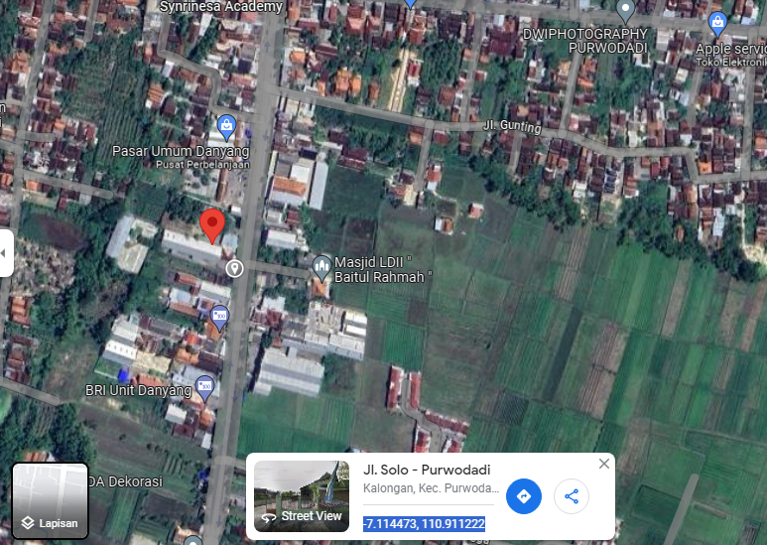

RS TRI MEDIKA KETAPANG

SLD
SINGLE LINE DIAGRAM LOKASI

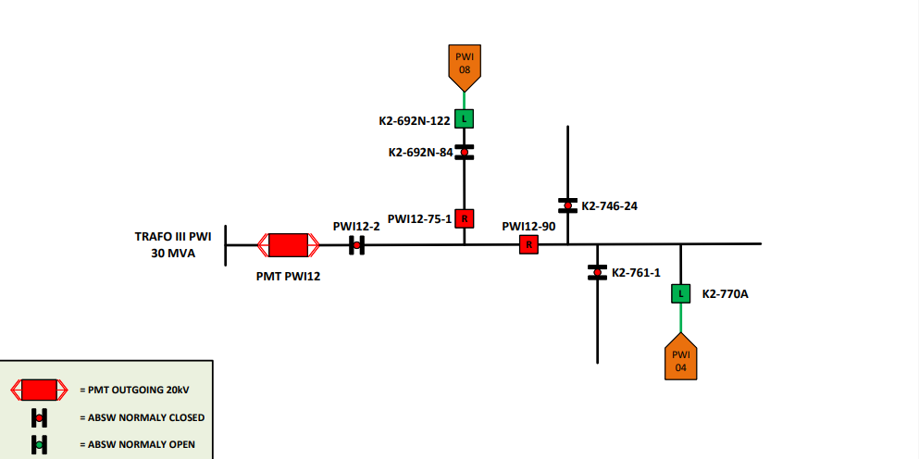

lokasi

