KKO
KAJIAN KELAYAKAN OPERASI

DAYA LAMA |  |  |  | DAYA BARU
Nama Pelanggan | : | YANTO |  | Nama Pelanggan | : | YANTO
Daya Lama (VA) | : | 11000 |  | Daya Baru (VA) | : | 41500
Jumlah Fasa | : | 1 | * | Jumlah Fasa | : | 3
Tegangan Sekunder Pengukuran rata-rata (Fasa-Netral) (V) | : | 220 | * | Tegangan Sekunder Pengukuran rata-rata (Fasa-Netral) (V) | : | 380
Beban Pelanggan (A) | : | 50.14 |  | Beban Pelanggan (A) | : | 63.05

SUPLAI TRAFO EKSISTING |  |  |  | SUPLAI TRAFO RENCANA
Nomor Tiang | : | K2-621/274/13A |  | Nomor Tiang | : | K2-621/274/13A
Penyulang | : | PWI06 |  | Penyulang | : | PWI06
Daya | : | 100 | * | Daya | : | 100
Jumlah Fasa | : | 3 | * | Jumlah Fasa | : | 3
Beban TRAFO (Pengukuran Lapangan) |  | 81 |  | Beban TRAFO | : | 63.05
Beban Primer | : | 2.89 | * | Beban Primer | : | 2.89
Beban Sekunder | : | 151.93 | * | Beban Sekunder | : | 151.93
Beban (A) | : | 0.15 |  | Beban (A) | : | 0.15
Prosentase Pembebanan | : | 53% |  | Beban (A) | : | 42%
 | 42% | 100%
Prosentase Pembebanan | : | 100% |  | Beban (A) | : | 100%

DATA





DATA
Tahun | : | 2023
Discount Rate | : | 12%
Transfer price TM | : | 1,084 |  | Marginal COST maret 2022
Umur ekonomis (tahun) | : | 25.00
Selisih Susut Teknis | : | 2.25%
∑ Daya | : | 31
BP (Rp) | : | 29,554,500
RAB (Rp) | : | 18,889,678
Biaya O&M (2% invest) | : | 377,793.55

Nama Pelanggan | : | YANTO | *
Golongan Pelanggan | : | I2 | *
Jenis Layanan | : | REGULER | *
Daya Lama (kVA) | : | 11 | *
Daya Baru (kVA) | : | 41.50 | *
Tarif WBP (Rp/kWh) | : | 1,458.00 | *
Tarif LWBP (Rp/kWh) | : | 972.00 | *
BP (Rp/VA) TR | : | 969 | *
Jam Nyala | : | 40 | *

RAB
 | PT. PLN ( PERSERO )
 | UNIT INDUK DISTRIBUSI JAWA TENGAH & DI YOGYAKARTA |  |  |  |  |  |  |  |  |  | RAB TOTAL
 | UP3 DEMAK |  |  |  |  |  |  |  |  | RAB TOTAL | RAB NON MDU
RENCANA ANGGARAN BIAYA (RAB)

 |  |  | Pekerjaan | : | YANTO
 |  |  | Lokasi | : | DS BUGEL
 |  |  | Pelaksana | : | PT. PLN (PERSERO) UP3 DEMAK
 |  |  | Anggaran | : | SAR 2023

Note !! 1. Saat Pengisian Uraian di mohon memasukan nama material sesuai dengan nama material di harga satuan
2. Mohon di cek kembali saat pengisian volume material
3. Untuk program Sarana Penunjang Fungsi tidak perlu SLO.
NO | URAIAN | GOL | SAT | VOL | HARGA SATUAN | BIAYA YANG DIPERLUKAN ( Rp )
 |  |  |  |  |  | MDU | HARDWARE | JASA | JUMLAH

 |  |  |  |  | 0 | 0 | 0 | 0 | 0
I | PEKERJAAN PEMASANGAN KONDUKTOR |  |  |  | 0 | 0 | 0 | 0 | 0
+ | CJ6-T |  | Unit | 1 | 0 | 0 | 0 | 0 | 0
1 | Dead End Assembly | HDW | Bh | 1 | 78,500 | 0 | 78,500 | 0 | 78,500
2 | Plastic Strap for Clamping | HDW | Bh | 1 | 4,212 | 0 | 4,212 | 0 | 4,212
3 | Stainless Steel Strap 20 x 0.7 mm | HDW | Mtr | 1 | 23,310 | 0 | 23,310 | 0 | 23,310
4 | Stopping Buckle / Yokes | HDW | Bh | 1 | 2,300 | 0 | 2,300 | 0 | 2,300
5 | Upah Pasang Konst. JTR J6-T | JASA | Unit | 1 | 35,700 | 0 | 0 | 35,700 | 35,700
 |  |  |  |  | 0 | 0 | 0 | 0 | 0
 |  |  |  |  | 0 | 0 | 0 | 0 | 0
III | PEKERJAAN PEMASANGAN KONDUKTOR |  |  |  | 0 | 0 | 0 | 0 | 0
 |  |  |  |  | 0 | 0 | 0 | 0 | 0
 |  |  |  |  | 0 | 0 | 0 | 0 | 0
IV | PEMASANGAN APP |  |  |  | 0 | 0 | 0 | 0 | 0
+ | Daya 41.500 VA |  | Unit | 1 | 0 | 0 | 0 | 0 | 0
1 | KWH Elektronik; 3P; 4W; 220/380V; 5(80) A; kls 1 (Pengukuran Langsung) | MDU-KD | Bh | 1 | 1,427,400 | 1,427,400 | 0 | 0 | 1,427,400
2 | Smart Box Langsung Daya 41.5 kVA MCCB 63 A | MDU-KD | Unit | 1 | 3,564,900 | 3,564,900 | 0 | 0 | 3,564,900
3 | Modem 3G/4G | HDW | Unit | 1 | 1,113,900 | 0 | 1,113,900 | 0 | 1,113,900
4 | Kabel NYY 4 x 35 mm² | HDW | Mtr | 60 | 164,883 | 0 | 9,892,980 | 0 | 9,892,980
5 | Upah Pasang SR + APP 3 Fasa | JASA | Unit | 1 | 106,400 | 0 | 0 | 106,400 | 106,400
 |  |  |  |  | 0 | 0 | 0 | 0 | 0
+ | CM2-11 |  | Unit | 1 | 0 | 0 | 0 | 0 | 0
1 | Ground rod ⅝" x 8" Copper Weld | HDW | Bh | 1 | 185,200 | 0 | 185,200 | 0 | 185,200
2 | Bimetalic Connector 35 - 240 mm² | HDW | Bh | 1 | 47,459 | 0 | 47,459 | 0 | 47,459
3 | Ground wire Cu 16 mm² | HDW | Mtr | 1.5 | 30,000 | 0 | 45,000 | 0 | 45,000
4 | Ground rod & Washer | HDW | Bh | 2 | 9,500 | 0 | 19,000 | 0 | 19,000
5 | Upah Pasang Acc.Jar M2-11 | JASA | Unit | 1 | 56,400 | 0 | 0 | 56,400 | 56,400
V | UPAH BONGKAR |  | 0 |  | 0 | 0 | 0 | 0 | 0
 |  |  |  |  | 0 | 0 | 0 | 0 | 0
 | SLO |  |  |  | 0 | 0 | 0 | 0 | 0
1 | Sertifikasi Laik Operasi | JASA | Lot | 1 | 2.5% | 124,808 | 285,297 | 4,963 | 415,067
 |  |  |  |  |  | 0 | 0 | 0 | 0

 | Jumlah MDU - Hardware - Jasa |  |  |  | : | 5,117,108 | 11,697,158 | 203,463 | 17,017,728
 | PPN 11% |  |  |  | : | 562,882 | 1,286,687 | 22,381 | 1,871,950
 | Jumlah Total |  |  |  | : | 5,679,989 | 12,983,845 | 225,843 | 18,889,678
Terbilang : Delapan Belas Juta Delapan Ratus Delapan Puluh Sembilan Ribu Enam Ratus Tujuh Puluh Delapan Rupiah

Harga yang dipakai adalah RAB HSS 2023

 |  |  |  |  |  |  | Demak, 30Agustus 2023
 |  |  |  |  |  |  | ASMAN PERENCANAAN

 |  |  |  |  |  |  | VALENTHINA EKA SABTI WONOHUSODO

GAMBAR
 |  |  |  | PT. PLN (PERSERO) UP3 DEMAK

 |  |  | -7.0210425,110.7672439 | Keterangan Gambar :
 |  |  |  | No | Nama Material |  |  | Baru |  | Eksisting
 |  |  |  | 1 | Tiang Beton
 |  |  |  | 2 | Tiang Besi
 |  |  |  | 3 | JTM 3 Fasa
 |  |  |  | 4 | JTM 1 Fasa
 |  |  |  | 5 | JTR 1 Fasa Only / UB
 |  |  |  | 6 | JTR 3 Fasa Only / UB
 |  |  |  | 7 | Trafo 1 Fasa
 |  |  |  | 8 | Trafo 3 Fasa
s
s
 |  |  |  | 9 | Fuse Cut Out
 |  |  |  | 10 | ABSW
 |  |  |  | 11 | Vang Net
 |  |  |  | 12 | Schoor
 |  |  |  | 13
s
s
 |  |  |  | Bongkar Pasang Konstruksi :
 |  |  |  | Pasang |  |  |  | Bongkar
 |  |  |  | APP 41,5 KVA |  | UNIT | 1 | APP 11 KVA PRA |  | UNIT | 1
 |  |  |  | LVTC 3X35, 35 |  | MTR | 60

K2-62/274/13 A
1 G312A 100KVA

SR APP 41,5 KVA
LVTC 3X35+35 = 60 MTR
1 CM2-11

 |  |  |  | Keterangan Tambahan : https://www.google.com/maps/place/Jl.+Semarang+-+Purwodadi+34-53,+Bugel,+Kec.+Godong,+Kabupaten+Grobogan,+Jawa+Tengah+58162/@-7.0210425,110.7672439,17z/data=!4m6!3m5!1s0x2e70be8cd271ac13:0x7a41e58914ce718c!8m2!3d-7.0207796!4d110.7681584!16s%2Fg%2F11c64pmlsc?hl=id

 |  |  |  | Golongan
 |  |  |  | No. Gambar |  | 1 |  |  | Lembar |  | dr
 |  |  |  | Gambar dari |  |  |  |  | Skala
TRF 1 PHASA |  |  |  | Perihal:
X1 | X2 | X0 |  | PD YANTO 11-41,5 KVA

 |  |  |  | Digambar |  | Spv. Rensis
 |  |  |  | Diperiksa |  | Man. Perencanaan
 |  |  |  | Diketahui |  | Man. Perencanaan
 |  |  |  | Disetujui |  | Manager

1 CG 313-A
1 C12-350E
1 CC7
3 CM2-11M
1 CM2-12
1 CM2-12A
1 F1-2
1 CE1-2

RUMAH SAKIT TRIMEDIKA
35
35
JL.PURWODADI-SUKOLILO-PATI

K2-541 B
1 C12-350E
1 CC1-A
1 CM2-12
1 CJ6-T
K2-541 A
1 C12-350E
1 CC8-AN
1 CM2-12
1 F1-2
1 CE1-2
K2-541
1 C12-350E
1 CC1
1 CC7
2 CM5-5
3 Ph 160 kVA

PETA
PETA LOKASI

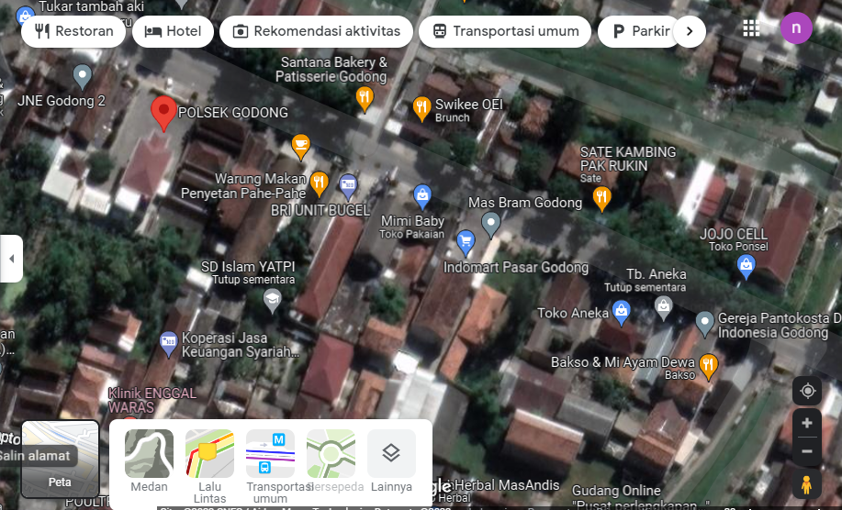

RS TRI MEDIKA KETAPANG

SLD
SINGLE LINE DIAGRAM LOKASI

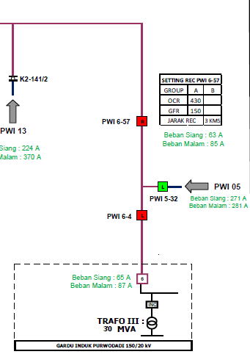

lokasi

