CHB Ports (FC)
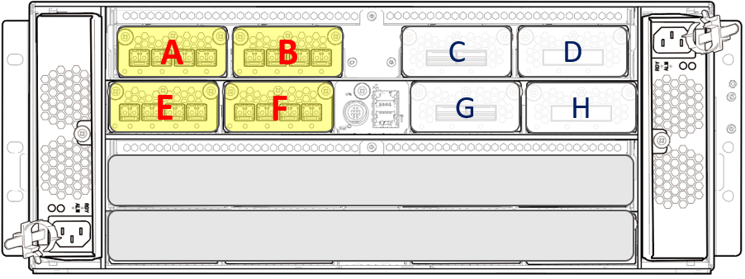
 |  | CBX Pair #1
 |  |  |  |  |  |  |  |  |  |  |  |  |  |  |  |  |  |  |  |  | Revised: 2019/10/18

D K C - 1
 | CTL 12 |  | CHB-12A |  |  |  |  |  |  |  |  | CHB-12B

 |  |  |  | Name | 2B | Name | 4B | Name | 6B | Name | 8B |  | Name | 2D | Name | 4D | Name | 6D | Name | 8D
 |  |  |  | Port # | 30 | Port # | 31 | Port # | 32 | Port # | 33 |  | Port # | 34 | Port # | 35 | Port # | 36 | Port # | 37
 |  |  |  | WWN | 11 | WWN | 31 | WWN | 51 | WWN | 71 |  | WWN | 13 | WWN | 33 | WWN | 53 | WWN | 73
CTL- 12
 |  |  |  | TPC # | 28 | TPC # | 29 | TPC # | 2A | TPC # | 2B |  | TPC # | 2C | TPC # | 2D | TPC # | 2E | TPC # | 2F

 |  |  | CHB-12E |  |  |  |  |  |  |  |  | CHB-12F

 |  |  |  | Name | 2F | Name | 4F | Name | 6F | Name | 8F |  | Name | 2H | Name | 4H | Name | 6H | Name | 8H
 |  |  |  | Port # | 38 | Port # | 39 | Port # | 3A | Port # | 3B |  | Port # | 3C | Port # | 3D | Port # | 3E | Port # | 3F
 |  |  |  | WWN | 15 | WWN | 35 | WWN | 55 | WWN | 75 |  | WWN | 17 | WWN | 37 | WWN | 57 | WWN | 77
 |  |  |  | TPC # | 38 | TPC # | 39 | TPC # | 3A | TPC # | 3B |  | TPC # | 3C | TPC # | 3D | TPC # | 3E | TPC # | 3F
DKC-1

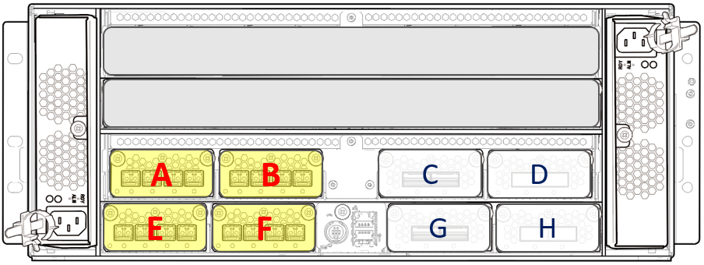
D K C - 0

DKC-0

 | CTL 01 |  | CHB-01A |  |  |  |  |  |  |  |  | CHB-01B

CTL- 01
 |  |  |  | Name | 1A | Name | 3A | Name | 5A | Name | 7A |  | Name | 1C | Name | 3C | Name | 5C | Name | 7C
 |  |  |  | Port # | 00 | Port # | 01 | Port # | 02 | Port # | 03 |  | Port # | 04 | Port # | 05 | Port # | 06 | Port # | 07
 |  |  |  | WWN | 00 | WWN | 20 | WWN | 40 | WWN | 60 |  | WWN | 02 | WWN | 22 | WWN | 42 | WWN | 62
 |  |  |  | TPC # | 00 | TPC # | 01 | TPC # | 02 | TPC # | 03 |  | TPC # | 04 | TPC # | 05 | TPC # | 06 | TPC # | 07

 |  |  | CHB-01E |  |  |  |  |  |  |  |  | CHB-01F

 |  |  |  | Name | 1E | Name | 3E | Name | 5E | Name | 7E |  | Name | 1G | Name | 3G | Name | 5G | Name | 7G
 |  |  |  | Port # | 08 | Port # | 09 | Port # | 0A | Port # | 0B |  | Port # | 0C | Port # | 0D | Port # | 0E | Port # | 0F
 |  |  |  | WWN | 04 | WWN | 24 | WWN | 44 | WWN | 64 |  | WWN | 06 | WWN | 26 | WWN | 46 | WWN | 66
 |  |  |  | TPC # | 10 | TPC # | 11 | TPC # | 12 | TPC # | 13 |  | TPC # | 14 | TPC # | 15 | TPC # | 16 | TPC # | 17

 |  | CBX Pair #1

CHB Ports (iSCSI)
 |  |  |  |  |  |  |  |  |  |  |  |  | Default IP Address of iSCSI Port is 192.168.0.XXX .
 |  | CBX Pair #1 |  |  |  |  |  |  |  |  |  |  | XXX is described in this sheet in decimal number. (Port#+1)
 |  |  |  |  |  |  |  |  |  |  |  |  | IP Address of iSCSI Port is configurable.
 |  |  |  |  |  |  |  |  |  |  |  |  |  | Revised: 2019/10/18
D K C - 1
 | CTL 12 |  | CHB-12A |  |  |  |  | CHB-12B

 |  |  |  | Name | 2B | Name | 4B |  | Name | 2D | Name | 4D
 |  |  |  | Port # | 30 | Port # | 31 |  | Port # | 34 | Port # | 35
 |  |  |  | IP | 49 | IP | 50 |  | IP | 53 | IP | 54
CTL- 12
 |  |  |  | TPC # | 28 | TPC # | 29 |  | TPC # | 2C | TPC # | 2D

 |  |  | CHB-12E |  |  |  |  | CHB-12F

 |  |  |  | Name | 2F | Name | 4F |  | Name | 2H | Name | 4H
 |  |  |  | Port # | 38 | Port # | 39 |  | Port # | 3C | Port # | 3D
 |  |  |  | IP | 57 | IP | 58 |  | IP | 61 | IP | 62
 |  |  |  | TPC # | 38 | TPC # | 39 |  | TPC # | 3C | TPC # | 3D
DKC-1

D K C - 0

DKC-0

 | CTL 01 |  | CHB-01A |  |  |  |  | CHB-01B

CTL- 01
 |  |  |  | Name | 1A | Name | 3A |  | Name | 1C | Name | 3C
 |  |  |  | Port # | 00 | Port # | 01 |  | Port # | 04 | Port # | 05
 |  |  |  | IP | 01 | IP | 02 |  | IP | 05 | IP | 06
 |  |  |  | TPC # | 00 | TPC # | 01 |  | TPC # | 04 | TPC # | 05

 |  |  | CHB-01E |  |  |  |  | CHB-01F

 |  |  |  | Name | 1E | Name | 3E |  | Name | 1G | Name | 3G
 |  |  |  | Port # | 08 | Port # | 09 |  | Port # | 0C | Port # | 0D
 |  |  |  | IP | 09 | IP | 10 |  | IP | 13 | IP | 14
 |  |  |  | TPC # | 10 | TPC # | 11 |  | TPC # | 14 | TPC # | 15

 |  | CBX Pair #1

DKB Ports
 | CBX Pair #1

 |  |  |  |  |  | Revised: 2019/10/18

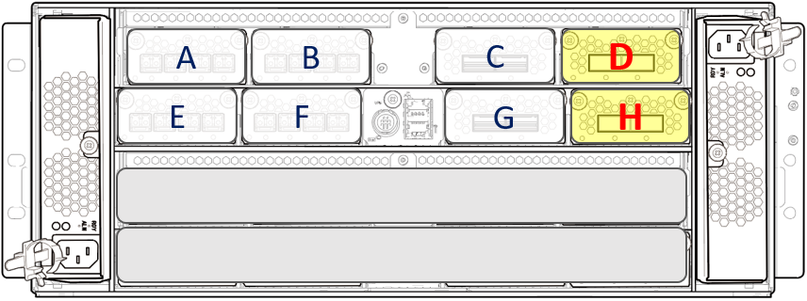
D K C - 1
 | CTL 12 | DKB-12D
 |  | 12D-0 | (P7) | 12D-1 | (P8)

CTL- 12

 |  | DKB-12H
 |  | 12H-0 | (P5) | 12H-1 | (P6)

DKC-1

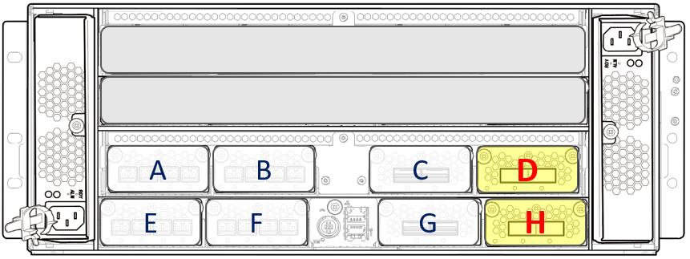
D K C - 0

DKC-0

 | CTL 01 | DKB-01D
 |  | 01D-0 | (P3) | 01D-1 | (P4)

CTL- 01

 |  | DKB-01H
 |  | 01H-0 | (P1) | 01H-1 | (P2)

 | CBX Pair #1

BE Connection - (SBX-FBX)
CBX Pair #1

D K C - 1

 | CTL 12 | DKB - 12D
 |  |  | 12D-1
 |  |  | P8

 |  |  | 12D-0
 |  |  | P7

 |  | DKB - 12H
 |  |  | 12H-1
 |  |  | P6 |  |  |  |  |  | DKU 00 |  |  |  |  |  |  |  |  |  |  |  | DKU 01 |  |  |  |  |  |  |  |  |  |  |  | DKU 02 |  |  |  |  |  |  |  |  |  |  |  | DKU 03

 |  |  | 12H-0
 |  |  | P5

 |  |  |  | IN | OUT |  | IN | OUT |  | IN | OUT |  | IN | OUT |  | IN | OUT |  | IN | OUT |  | IN | OUT |  | IN | OUT |  | IN | OUT |  | IN | OUT |  | IN | OUT |  | IN | OUT |  | IN | OUT |  | IN | OUT |  | IN | OUT |  | IN | OUT |  | IN | OUT

 |  |  |  | 3 |  |  | 3 |  |  | 7 |  |  | 7 |  |  | 3 |  |  | 3 |  |  | 7 |  |  | 7 |  |  | 3 |  |  | 3 |  |  | 7 |  |  | 7 |  |  | 3 |  |  | 3 |  |  | 7 |  |  | 7 |  |  | 3

 |  |  |  |  |  | ENC 006-1 |  |  |  |  |  | ENC 006-2 |  |  | SBX |  |  | ENC 014-1 |  |  |  |  |  | ENC 014-2 |  |  | SBX |  |  | ENC 022-1 |  |  |  |  |  | ENC 022-2 |  |  | SBX |  |  | ENC 030-1 |  |  |  |  |  | ENC 030-2 |  |  | SBX

 |  |  |  | IN | OUT |  | IN | OUT |  | IN | OUT |  | IN | OUT |  | IN | OUT |  | IN | OUT |  | IN | OUT |  | IN | OUT |  | IN | OUT |  | IN | OUT |  | IN | OUT |  | IN | OUT |  | IN | OUT |  | IN | OUT |  | IN | OUT |  | IN | OUT |  | IN | OUT

 |  |  |  | 2 |  |  | 2 |  |  | 6 |  |  | 6 |  |  | 2 |  |  | 2 |  |  | 6 |  |  | 6 |  |  | 2 |  |  | 2 |  |  | 6 |  |  | 6 |  |  | 2 |  |  | 2 |  |  | 6 |  |  | 6 |  |  | 2

 |  |  |  |  |  | ENC 004-1 |  |  |  |  |  | ENC 004-2 |  |  | SBX |  |  | ENC 012-1 |  |  |  |  |  | ENC 012-2 |  |  | SBX |  |  | ENC 020-1 |  |  |  |  |  | ENC 020-2 |  |  | SBX |  |  | ENC 028-1 |  |  |  |  |  | ENC 028-2 |  |  | SBX

D K C - 0

 |  |  |  | IN | OUT |  | IN | OUT |  | IN | OUT |  | IN | OUT |  | IN | OUT |  | IN | OUT |  | IN | OUT |  | IN | OUT |  | IN | OUT |  | IN | OUT |  | IN | OUT |  | IN | OUT |  | IN | OUT |  | IN | OUT |  | IN | OUT |  | IN | OUT |  | IN | OUT

 |  |  |  | 1 |  |  | 1 |  |  | 5 |  |  | 5 |  |  | 1 |  |  | 1 |  |  | 5 |  |  | 5 |  |  | 1 |  |  | 1 |  |  | 5 |  |  | 5 |  |  | 1 |  |  | 1 |  |  | 5 |  |  | 5 |  |  | 1

 |  |  |  |  |  | ENC 002-1 |  |  |  |  |  | ENC 002-2 |  |  | SBX |  |  | ENC 010-1 |  |  |  |  |  | ENC 010-2 |  |  | SBX |  |  | ENC 018-1 |  |  |  |  |  | ENC 018-2 |  |  | SBX |  |  | ENC 026-1 |  |  |  |  |  | ENC 026-2 |  |  | SBX

 |  |  |  | IN | OUT |  | IN | OUT |  | IN | OUT |  | IN | OUT |  | IN | OUT |  | IN | OUT |  | IN | OUT |  | IN | OUT |  | IN | OUT |  | IN | OUT |  | IN | OUT |  | IN | OUT |  | IN | OUT |  | IN | OUT |  | IN | OUT |  | IN | OUT |  | IN | OUT

 |  |  |  | 0 |  |  | 0 |  |  | 4 |  |  | 4 |  |  | 0 |  |  | 0 |  |  | 4 |  |  | 4 |  |  | 0 |  |  | 0 |  |  | 4 |  |  | 4 |  |  | 0 |  |  | 0 |  |  | 4 |  |  | 4 |  |  | 0

 |  |  |  |  |  | ENC 000-1 |  |  |  |  |  | ENC 000-2 |  |  | SBX |  |  | ENC 008-1 |  |  |  |  |  | ENC 008-2 |  |  | SBX |  |  | ENC 016-1 |  |  |  |  |  | ENC 016-2 |  |  | SBX |  |  | ENC 024-1 |  |  |  |  |  | ENC 024-2 |  |  | SBX

 | CTL 01 | DKB - 01D |  |  |  |  |  |  | DKU 00 |  |  |  |  |  |  |  |  |  |  |  | DKU 01 |  |  |  |  |  |  |  |  |  |  |  | DKU 02 |  |  |  |  |  |  |  |  |  |  |  | DKU 03
 |  |  | 01D-1
 |  |  | P4

 |  |  | 01D-0
 |  |  | P3

In case of FBX, only maximum 4 FBX DKUs are allowed behind the CBX Pair.
 |  | DKB - 01H
 |  |  | 01H-1
 |  |  | P2

 |  |  | 01H-0
 |  |  | P1

CBX Pair #1

BE Connection - (NBX)
CBX Pair #1

 |  |  |  |  |  |  |  |  |  |  |  |  |  |  |  | Revised: 2019/10/18
D K C - 1

 | CTL 12 | DKB - 12D
 |  |  | 12D-1
 |  |  | P8

 |  |  | 12D-0
 |  |  | P7

 |  | DKB - 12H
 |  |  | 12H-1
 |  |  | P6 |  |  |  |  |  | DKU 00

 |  |  | 12H-0
 |  |  | P5

 |  |  |  | IN | OUT |  | IN | OUT |  | IN | OUT |  | IN | OUT

 |  |  |  | 3 |  |  | 3 |  |  | 7 |  |  | 7

 |  |  |  |  |  | ENC 006-1 |  |  |  |  |  | ENC 006-2 |  |  | NBX

Only one NBX DKU is allowed behind the CBX Pair. It can only be DKU-00.

 |  |  |  | IN | OUT |  | IN | OUT |  | IN | OUT |  | IN | OUT

 |  |  |  | 2 |  |  | 2 |  |  | 6 |  |  | 6

 |  |  |  |  |  | ENC 004-1 |  |  |  |  |  | ENC 004-2 |  |  | NBX

D K C - 0

 |  |  |  | IN | OUT |  | IN | OUT |  | IN | OUT |  | IN | OUT

 |  |  |  | 1 |  |  | 1 |  |  | 5 |  |  | 5

 |  |  |  |  |  | ENC 002-1 |  |  |  |  |  | ENC 002-2 |  |  | NBX

 |  |  |  | IN | OUT |  | IN | OUT |  | IN | OUT |  | IN | OUT

 |  |  |  | 0 |  |  | 0 |  |  | 4 |  |  | 4

 |  |  |  |  |  | ENC 000-1 |  |  |  |  |  | ENC 000-2 |  |  | NBX

 | CTL 01 | DKB - 01D |  |  |  |  |  |  | DKU 00
 |  |  | 01D-1
 |  |  | P4

 |  |  | 01D-0
 |  |  | P3

 |  | DKB - 01H
 |  |  | 01H-1
 |  |  | P2

 |  |  | 01H-0
 |  |  | P1

CBX Pair #1

BE Connection - (UBX)
 |  |  |  |  |  |  |  |  |  |  |  |  |  |  |  |  |  |  | DKU 01 |  |  |  |  |  |  |  | DKU 02 |  |  |  |  |  |  |  | DKU 03

CBX Pair #1

D K C - 1

 | CTL 12 | DKB - 12D |  |  |  |  |  |  |  |  |  |  |  |  |  | IN | OUT |  |  | IN | OUT |  |  | IN | OUT |  |  | IN | OUT |  |  | IN | OUT |  |  | IN | OUT |  |  | IN
 |  |  | 12D-1
 |  |  | P8 |  |  |  |  |  |  |  |  |  |  |  |  | 3 |  |  |  | 7 |  |  |  | 3 |  |  |  | 7 |  |  |  | 3 |  |  |  | 7 |  |  |  | 3

 |  |  |  |  |  |  |  |  |  |  |  |  |  |  |  |  |  | ENC 015-1 |  |  |  | ENC 015-2 | UBX |  |  | ENC 023-1 |  |  |  | ENC 023-2 | UBX |  |  | ENC 031-1 |  |  |  | ENC 031-2 | UBX

 |  |  | 12D-0
 |  |  | P7

 |  | DKB - 12H
 |  |  | 12H-1 |  |  |  |  |  |  |  |  |  |  |  |  | IN | OUT |  |  | IN | OUT |  |  | IN | OUT |  |  | IN | OUT |  |  | IN | OUT |  |  | IN | OUT |  |  | IN
 |  |  | P6 |  |  |  |  |  | DKU 00
 |  |  |  |  |  |  |  |  |  |  |  |  |  |  |  | 3 |  |  |  | 7 |  |  |  | 3 |  |  |  | 7 |  |  |  | 3 |  |  |  | 7 |  |  |  | 3

 |  |  |  |  |  |  |  |  |  |  |  |  |  |  |  |  |  | ENC 014-1 |  |  |  | ENC 014-2 | UBX |  |  | ENC 022-1 |  |  |  | ENC 022-2 | UBX |  |  | ENC 030-1 |  |  |  | ENC 030-2 | UBX
 |  |  | 12H-0
 |  |  | P5

 |  |  |  | IN | OUT |  | IN | OUT |  | IN | OUT |  | IN | OUT
 |  |  |  |  |  |  |  |  |  |  |  |  |  |  |  | IN | OUT |  |  | IN | OUT |  |  | IN | OUT |  |  | IN | OUT |  |  | IN | OUT |  |  | IN | OUT |  |  | IN
 |  |  |  | 3 |  |  | 3 |  |  | 7 |  |  | 7
 |  |  |  |  |  |  |  |  |  |  |  |  |  |  |  | 2 |  |  |  | 6 |  |  |  | 2 |  |  |  | 6 |  |  |  | 2 |  |  |  | 6 |  |  |  | 2

 |  |  |  |  |  | ENC 006-1 |  |  |  |  |  | ENC 006-2 |  |  | SBX/FBX
 |  |  |  |  |  |  |  |  |  |  |  |  |  |  |  |  |  | ENC 013-1 |  |  |  | ENC 013-2 | UBX |  |  | ENC 021-1 |  |  |  | ENC 021-2 | UBX |  |  | ENC 029-1 |  |  |  | ENC 029-2 | UBX

 |  |  |  | IN | OUT |  | IN | OUT |  | IN | OUT |  | IN | OUT |  | IN | OUT |  |  | IN | OUT |  |  | IN | OUT |  |  | IN | OUT |  |  | IN | OUT |  |  | IN | OUT |  |  | IN

 |  |  |  | 2 |  |  | 2 |  |  | 6 |  |  | 6 |  |  | 2 |  |  |  | 6 |  |  |  | 2 |  |  |  | 6 |  |  |  | 2 |  |  |  | 6 |  |  |  | 2

 |  |  |  |  |  | ENC 004-1 |  |  |  |  |  | ENC 004-2 |  |  | SBX/FBX |  |  | ENC 012-1 |  |  |  | ENC 012-2 | UBX |  |  | ENC 020-1 |  |  |  | ENC 020-2 | UBX |  |  | ENC 028-1 |  |  |  | ENC 028-2 | UBX

D K C - 0

 |  |  |  |  |  |  |  |  |  |  |  |  |  |  |  | IN | OUT |  |  | IN | OUT |  |  | IN | OUT |  |  | IN | OUT |  |  | IN | OUT |  |  | IN | OUT |  |  | IN
 |  |  |  | IN | OUT |  | IN | OUT |  | IN | OUT |  | IN | OUT
 |  |  |  |  |  |  |  |  |  |  |  |  |  |  |  | 1 |  |  |  | 5 |  |  |  | 1 |  |  |  | 5 |  |  |  | 1 |  |  |  | 5 |  |  |  | 1
 |  |  |  | 1 |  |  | 1 |  |  | 5 |  |  | 5

 |  |  |  |  |  |  |  |  |  |  |  |  |  |  |  |  |  | ENC 011-1 |  |  |  | ENC 011-2 | UBX |  |  | ENC 019-1 |  |  |  | ENC 019-2 | UBX |  |  | ENC 027-1 |  |  |  | ENC 027-2 | UBX
 |  |  |  |  |  | ENC 002-1 |  |  |  |  |  | ENC 002-2 |  |  | SBX/FBX

 |  |  |  |  |  |  |  |  |  |  |  |  |  |  |  | IN | OUT |  |  | IN | OUT |  |  | IN | OUT |  |  | IN | OUT |  |  | IN | OUT |  |  | IN | OUT |  |  | IN

 |  |  |  | IN | OUT |  | IN | OUT |  | IN | OUT |  | IN | OUT |  | 1 |  |  |  | 5 |  |  |  | 1 |  |  |  | 5 |  |  |  | 1 |  |  |  | 5 |  |  |  | 1

 |  |  |  | 0 |  |  | 0 |  |  | 4 |  |  | 4
 |  |  |  |  |  |  |  |  |  |  |  |  |  |  |  |  |  | ENC 010-1 |  |  |  | ENC 010-2 | UBX |  |  | ENC 018-1 |  |  |  | ENC 018-2 | UBX |  |  | ENC 026-1 |  |  |  | ENC 026-2 | UBX

 |  |  |  |  |  | ENC 000-1 |  |  |  |  |  | ENC 000-2 |  |  | SBX/FBX

 | CTL 01 | DKB - 01D |  |  |  |  |  |  | DKU 00
 |  |  | 01D-1
 |  |  | P4 |  |  |  |  |  |  |  |  |  |  |  |  | IN | OUT |  |  | IN | OUT |  |  | IN | OUT |  |  | IN | OUT |  |  | IN | OUT |  |  | IN | OUT |  |  | IN

 |  |  |  |  |  |  |  |  |  |  |  |  |  |  |  | 0 |  |  |  | 4 |  |  |  | 0 |  |  |  | 4 |  |  |  | 0 |  |  |  | 4 |  |  |  | 0

 |  |  | 01D-0 |  |  |  |  |  |  |  |  |  |  |  |  |  |  | ENC 009-1 |  |  |  | ENC 009-2 | UBX |  |  | ENC 017-1 |  |  |  | ENC 017-2 | UBX |  |  | ENC 025-1 |  |  |  | ENC 025-2 | UBX
 |  |  | P3

 |  | DKB - 01H
 |  |  | 01H-1
 |  |  | P2
 |  |  |  |  |  |  |  |  |  |  |  |  |  |  |  | IN | OUT |  |  | IN | OUT |  |  | IN | OUT |  |  | IN | OUT |  |  | IN | OUT |  |  | IN | OUT |  |  | IN

 |  |  |  |  |  |  |  |  |  |  |  |  |  |  |  | 0 |  |  |  | 4 |  |  |  | 0 |  |  |  | 4 |  |  |  | 0 |  |  |  | 4 |  |  |  | 0

 |  |  | 01H-0
 |  |  | P1 |  |  |  |  |  |  |  |  |  |  |  |  |  |  | ENC 008-1 |  |  |  | ENC 008-2 | UBX |  |  | ENC 016-1 |  |  |  | ENC 016-2 | UBX |  |  | ENC 024-1 |  |  |  | ENC 024-2 | UBX

CBX Pair #1 |  |  |  |  |  |  |  |  |  |  |  |  |  |  |  |  |  |  | DKU 01 |  |  |  |  |  |  |  | DKU 02 |  |  |  |  |  |  |  | DKU 03

Max 4 UBX DKUs are allowed behind the CBX Pair. They can be in any location (DKU-01 ~ DKU-07) except DKU-00.

DKU NBX (2.5 SFF)
CBX Pair# 0 |  | DKU-00 |  |  |  |  |  |  |  |  |  |  |  |  |  |  |  |  |  |  |  |  |  |  |  |  |  | Revised: 2019/09/18
 |  | DB 006 |  |  |  |  |  |  |  |  |  |  |  |  |  |  |  |  |  |  |  |  |  |  |  |  | DB 007
 | DKC - 1
 |  |  | 006 | 006 | 006 | 006 | 006 | 006 | 006 | 006 | 006 | 006 | 006 | 006 | 007 | 007 | 007 | 007 | 007 | 007 | 007 | 007 | 007 | 007 | 007 | 007
 |  |  | 00 | 01 | 02 | 03 | 04 | 05 | 06 | 07 | 08 | 09 | 10 | 11 | 00 | 01 | 02 | 03 | 04 | 05 | 06 | 07 | 08 | 09 | 10 | 11

 |  | DB 004 |  |  |  |  |  |  |  |  |  |  |  |  |  |  |  |  |  |  |  |  |  |  |  |  | DB 005

 |  |  | 004 | 004 | 004 | 004 | 004 | 004 | 004 | 004 | 004 | 004 | 004 | 004 | 005 | 005 | 005 | 005 | 005 | 005 | 005 | 005 | 005 | 005 | 005 | 005
 |  |  | 00 | 01 | 02 | 03 | 04 | 05 | 06 | 07 | 08 | 09 | 10 | 11 | 00 | 01 | 02 | 03 | 04 | 05 | 06 | 07 | 08 | 09 | 10 | 11

 |  | DB 002 |  |  |  |  |  |  |  |  |  |  |  |  |  |  |  |  |  |  |  |  |  |  |  |  | DB 003
 | DKC - 0
 |  |  | 002 | 002 | 002 | 002 | 002 | 002 | 002 | 002 | 002 | 002 | 002 | 002 | 003 | 003 | 003 | 003 | 003 | 003 | 003 | 003 | 003 | 003 | 003 | 003
Only one NBX DKU is allowed behind the CBX Pair.
It can only be DKU-00.
 |  |  | 00 | 01 | 02 | 03 | 04 | 05 | 06 | 07 | 08 | 09 | 10 | 11 | 00 | 01 | 02 | 03 | 04 | 05 | 06 | 07 | 08 | 09 | 10 | 11

 |  | DB 000 |  |  |  |  |  |  |  |  |  |  |  |  |  |  |  |  |  |  |  |  |  |  |  |  | DB 001

 |  |  | 000 | 000 | 000 | 000 | 000 | 000 | 000 | 000 | 000 | 000 | 000 | 000 | 001 | 001 | 001 | 001 | 001 | 001 | 001 | 001 | 001 | 001 | 001 | 001
 |  |  | 00 | 01 | 02 | 03 | 04 | 05 | 06 | 07 | 08 | 09 | 10 | 11 | 00 | 01 | 02 | 03 | 04 | 05 | 06 | 07 | 08 | 09 | 10 | 11

 |  | DKU-00

DKU UBX (3.5 LFF)
CBX Pair #0 |  | DKU-00 |  |  |  |  |  |  |  |  |  |  |  |  |  |  |  |  |  |  |  |  |  |  |  |  |  | DKU-01 |  |  |  |  |  |  |  |  | DKU-02 |  |  |  |  |  |  |  |  | DKU-03 |  |  |  |  |  |  |  |  | DKU-04 |  |  |  |  |  |  |  |  | Revised: 2019/09/18
 |  | DB 006 |  |  |  |  |  |  |  |  |  |  |  |  |  |  |  |  |  |  |  |  |  |  |  |  | DB 007 | DB 015 |  |  |  |  |  |  |  |  | DB 023 |  |  |  |  |  |  |  |  | DB 031 |  |  |  |  |  |  |  |  | DB 039
 | DKC - 1 |  |  |  |  |  |  |  |  |  |  |  |  |  |  |  |  |  |  |  |  |  |  |  |  |  |  |  | 015 | -08 | 015 | -09 | 015 | -10 | 015 | -11 |  | 023 | -08 | 023 | -09 | 023 | -10 | 023 | -11 |  | 031 | -08 | 031 | -09 | 031 | -10 | 031 | -11 |  | 039 | -08 | 039 | -09 | 039 | -10 | 039 | -11
 |  |  | 006 | 006 | 006 | 006 | 006 | 006 | 006 | 006 | 006 | 006 | 006 | 006 | 007 | 007 | 007 | 007 | 007 | 007 | 007 | 007 | 007 | 007 | 007 | 007 |  |  | 015 | -04 | 015 | -05 | 015 | -06 | 015 | -07 |  | 023 | -04 | 023 | -05 | 023 | -06 | 023 | -07 |  | 031 | -04 | 031 | -05 | 031 | -06 | 031 | -07 |  | 039 | -04 | 039 | -05 | 039 | -06 | 039 | -07
 |  |  | 00 | 01 | 02 | 03 | 04 | 05 | 06 | 07 | 08 | 09 | 10 | 11 | 00 | 01 | 02 | 03 | 04 | 05 | 06 | 07 | 08 | 09 | 10 | 11 |  |  | 015 | -00 | 015 | -01 | 015 | -02 | 015 | -03 |  | 023 | -00 | 023 | -01 | 023 | -02 | 023 | -03 |  | 031 | -00 | 031 | -01 | 031 | -02 | 031 | -03 |  | 039 | -00 | 039 | -01 | 039 | -02 | 039 | -03

 |  | DB 004 |  |  |  |  |  |  |  |  |  |  |  |  |  |  |  |  |  |  |  |  |  |  |  |  | DB 005 | DB 014 |  |  |  |  |  |  |  |  | DB 022 |  |  |  |  |  |  |  |  | DB 030 |  |  |  |  |  |  |  |  | DB 038
 |  |  |  |  |  |  |  |  |  |  |  |  |  |  |  |  |  |  |  |  |  |  |  |  |  |  |  |  | 014 | -08 | 014 | -09 | 014 | -10 | 014 | -11 |  | 022 | -08 | 022 | -09 | 022 | -10 | 022 | -11 |  | 030 | -08 | 030 | -09 | 030 | -10 | 030 | -11 |  | 038 | -08 | 038 | -09 | 038 | -10 | 038 | -11
 |  |  | 004 | 004 | 004 | 004 | 004 | 004 | 004 | 004 | 004 | 004 | 004 | 004 | 005 | 005 | 005 | 005 | 005 | 005 | 005 | 005 | 005 | 005 | 005 | 005 |  |  | 014 | -04 | 014 | -05 | 014 | -06 | 014 | -07 |  | 022 | -04 | 022 | -05 | 022 | -06 | 022 | -07 |  | 030 | -04 | 030 | -05 | 030 | -06 | 030 | -07 |  | 038 | -04 | 038 | -05 | 038 | -06 | 038 | -07
 |  |  | 00 | 01 | 02 | 03 | 04 | 05 | 06 | 07 | 08 | 09 | 10 | 11 | 00 | 01 | 02 | 03 | 04 | 05 | 06 | 07 | 08 | 09 | 10 | 11 |  |  | 014 | -00 | 014 | -01 | 014 | -02 | 014 | -03 |  | 022 | -00 | 022 | -01 | 022 | -02 | 022 | -03 |  | 030 | -00 | 030 | -01 | 030 | -02 | 030 | -03 |  | 038 | -00 | 038 | -01 | 038 | -02 | 038 | -03

 |  | DB 002 |  |  |  |  |  |  |  |  |  |  |  |  |  |  |  |  |  |  |  |  |  |  |  |  | DB 003 | DB 013 |  |  |  |  |  |  |  |  | DB 021 |  |  |  |  |  |  |  |  | DB 029 |  |  |  |  |  |  |  |  | DB 037
 |  |  |  |  |  |  |  |  |  |  |  |  |  |  |  |  |  |  |  |  |  |  |  |  |  |  |  |  | 013 | -08 | 013 | -09 | 013 | -10 | 013 | -11 |  | 021 | -08 | 021 | -09 | 021 | -10 | 021 | -11 |  | 029 | -08 | 029 | -09 | 029 | -10 | 029 | -11 |  | 037 | -08 | 037 | -09 | 037 | -10 | 037 | -11
 |  |  | 002 | 002 | 002 | 002 | 002 | 002 | 002 | 002 | 002 | 002 | 002 | 002 | 003 | 003 | 003 | 003 | 003 | 003 | 003 | 003 | 003 | 003 | 003 | 003 |  |  | 013 | -04 | 013 | -05 | 013 | -06 | 013 | -07 |  | 021 | -04 | 021 | -05 | 021 | -06 | 021 | -07 |  | 029 | -04 | 029 | -05 | 029 | -06 | 029 | -07 |  | 037 | -04 | 037 | -05 | 037 | -06 | 037 | -07
 |  |  | 00 | 01 | 02 | 03 | 04 | 05 | 06 | 07 | 08 | 09 | 10 | 11 | 00 | 01 | 02 | 03 | 04 | 05 | 06 | 07 | 08 | 09 | 10 | 11 |  |  | 013 | -00 | 013 | -01 | 013 | -02 | 013 | -03 |  | 021 | -00 | 021 | -01 | 021 | -02 | 021 | -03 |  | 029 | -00 | 029 | -01 | 029 | -02 | 029 | -03 |  | 037 | -00 | 037 | -01 | 037 | -02 | 037 | -03

 |  | DB 000 |  |  |  |  |  |  |  |  |  |  |  |  |  |  |  |  |  |  |  |  |  |  |  |  | DB 001 | DB 012 |  |  |  |  |  |  |  |  | DB 020 |  |  |  |  |  |  |  |  | DB 028 |  |  |  |  |  |  |  |  | DB 036
 |  |  |  |  |  |  |  |  |  |  |  |  |  |  |  |  |  |  |  |  |  |  |  |  |  |  |  |  | 012 | -08 | 012 | -09 | 012 | -10 | 012 | -11 |  | 020 | -08 | 020 | -09 | 020 | -10 | 020 | -11 |  | 028 | -08 | 028 | -09 | 028 | -10 | 028 | -11 |  | 036 | -08 | 036 | -09 | 036 | -10 | 036 | -11
 |  |  | 000 | 000 | 000 | 000 | 000 | 000 | 000 | 000 | 000 | 000 | 000 | 000 | 001 | 001 | 001 | 001 | 001 | 001 | 001 | 001 | 001 | 001 | 001 | 001 |  |  | 012 | -04 | 012 | -05 | 012 | -06 | 012 | -07 |  | 020 | -04 | 020 | -05 | 020 | -06 | 020 | -07 |  | 028 | -04 | 028 | -05 | 028 | -06 | 028 | -07 |  | 036 | -04 | 036 | -05 | 036 | -06 | 036 | -07
 |  |  | 00 | 01 | 02 | 03 | 04 | 05 | 06 | 07 | 08 | 09 | 10 | 11 | 00 | 01 | 02 | 03 | 04 | 05 | 06 | 07 | 08 | 09 | 10 | 11 |  |  | 012 | -00 | 012 | -01 | 012 | -02 | 012 | -03 |  | 020 | -00 | 020 | -01 | 020 | -02 | 020 | -03 |  | 028 | -00 | 028 | -01 | 028 | -02 | 028 | -03 |  | 036 | -00 | 036 | -01 | 036 | -02 | 036 | -03

 |  |  |  |  |  |  |  |  |  |  |  |  |  |  |  |  |  |  |  |  |  |  |  |  |  |  |  | DB 011 |  |  |  |  |  |  |  |  | DB 019 |  |  |  |  |  |  |  |  | DB 027 |  |  |  |  |  |  |  |  | DB 035
 |  | DKU-00 |  |  |  |  |  |  |  |  |  |  |  |  |  |  |  |  |  |  |  |  |  |  |  |  |  |  | 011 | -08 | 011 | -09 | 011 | -10 | 011 | -11 |  | 019 | -08 | 019 | -09 | 019 | -10 | 019 | -11 |  | 027 | -08 | 027 | -09 | 027 | -10 | 027 | -11 |  | 035 | -08 | 035 | -09 | 035 | -10 | 035 | -11
 | DKC - 0 |  |  |  |  |  |  |  |  |  |  |  |  |  |  |  |  |  |  |  |  |  |  |  |  |  |  |  | 011 | -04 | 011 | -05 | 011 | -06 | 011 | -07 |  | 019 | -04 | 019 | -05 | 019 | -06 | 019 | -07 |  | 027 | -04 | 027 | -05 | 027 | -06 | 027 | -07 |  | 035 | -04 | 035 | -05 | 035 | -06 | 035 | -07
 |  |  |  |  |  |  |  |  |  |  |  |  |  |  |  |  |  |  |  |  |  |  |  |  |  |  |  |  | 011 | -00 | 011 | -01 | 011 | -02 | 011 | -03 |  | 019 | -00 | 019 | -01 | 019 | -02 | 019 | -03 |  | 027 | -00 | 027 | -01 | 027 | -02 | 027 | -03 |  | 035 | -00 | 035 | -01 | 035 | -02 | 035 | -03

SBX-FBX DKU
 |  |  |  |  |  |  |  |  |  |  |  |  |  |  |  |  |  |  |  |  |  |  |  |  |  |  |  | DB 010 |  |  |  |  |  |  |  |  | DB 018 |  |  |  |  |  |  |  |  | DB 026 |  |  |  |  |  |  |  |  | DB 034
 |  |  |  |  |  |  |  |  |  |  |  |  |  |  |  |  |  |  |  |  |  |  |  |  |  |  |  |  | 010 | -08 | 010 | -09 | 010 | -10 | 010 | -11 |  | 018 | -08 | 018 | -09 | 018 | -10 | 018 | -11 |  | 026 | -08 | 026 | -09 | 026 | -10 | 026 | -11 |  | 034 | -08 | 034 | -09 | 034 | -10 | 034 | -11
 |  |  |  |  |  |  |  |  |  |  |  |  |  |  |  |  |  |  |  |  |  |  |  |  |  |  |  |  | 010 | -04 | 010 | -05 | 010 | -06 | 010 | -07 |  | 018 | -04 | 018 | -05 | 018 | -06 | 018 | -07 |  | 026 | -04 | 026 | -05 | 026 | -06 | 026 | -07 |  | 034 | -04 | 034 | -05 | 034 | -06 | 034 | -07
 |  |  |  |  |  |  |  |  |  |  |  |  |  |  |  |  |  |  |  |  |  |  |  |  |  |  |  |  | 010 | -00 | 010 | -01 | 010 | -02 | 010 | -03 |  | 018 | -00 | 018 | -01 | 018 | -02 | 018 | -03 |  | 026 | -00 | 026 | -01 | 026 | -02 | 026 | -03 |  | 034 | -00 | 034 | -01 | 034 | -02 | 034 | -03
 |  |  |  |  |  |  |  |  |  |  |  |  |  |  |  |  |  |  |  |  |  |  |  |  |  |  |  |  |  |  |  |  |  |  |  |  |  | 0 |  | 0 |  | 0 |  | 0
 |  |  |  |  |  |  |  |  |  |  |  |  |  |  |  |  |  |  |  |  |  |  |  |  |  |  |  | DB 009 |  |  |  |  |  |  |  |  | DB 017 |  |  |  |  |  |  |  |  | DB 025 |  |  |  |  |  |  |  |  | DB 033
 |  |  |  |  |  |  |  |  |  |  |  |  |  |  |  |  |  |  |  |  |  |  |  |  |  |  |  |  | 009 | -08 | 009 | -09 | 009 | -10 | 009 | -11 |  | 017 | -08 | 017 | -09 | 017 | -10 | 017 | -11 |  | 025 | -08 | 025 | -09 | 025 | -10 | 025 | -11 |  | 033 | -08 | 033 | -09 | 033 | -10 | 033 | -11
 |  |  |  |  |  |  |  |  |  |  |  |  |  |  |  |  |  |  |  |  |  |  |  |  |  |  |  |  | 009 | -04 | 009 | -05 | 009 | -06 | 009 | -07 |  | 017 | -04 | 017 | -05 | 017 | -06 | 017 | -07 |  | 025 | -04 | 025 | -05 | 025 | -06 | 025 | -07 |  | 033 | -04 | 033 | -05 | 033 | -06 | 033 | -07
 |  |  |  |  |  |  |  |  |  |  |  |  |  |  |  |  |  |  |  |  |  |  |  |  |  |  |  |  | 009 | -00 | 009 | -01 | 009 | -02 | 009 | -03 |  | 017 | -00 | 017 | -01 | 017 | -02 | 017 | -03 |  | 025 | -00 | 025 | -01 | 025 | -02 | 025 | -03 |  | 033 | -00 | 033 | -01 | 033 | -02 | 033 | -03

 |  |  |  |  |  |  |  |  |  |  |  |  |  |  |  |  |  |  |  |  |  |  |  |  |  |  |  | DB 008 |  |  |  |  |  |  |  |  | DB 016 |  |  |  |  |  |  |  |  | DB 024 |  |  |  |  |  |  |  |  | DB 032
 |  |  |  |  |  |  |  |  |  |  |  |  |  |  |  |  |  |  |  |  |  |  |  |  |  |  |  |  | 008 | -08 | 008 | -09 | 008 | -10 | 008 | -11 |  | 016 | -08 | 016 | -09 | 016 | -10 | 016 | -11 |  | 024 | -08 | 024 | -09 | 024 | -10 | 024 | -11 |  | 032 | -08 | 032 | -09 | 032 | -10 | 032 | -11
 |  |  |  |  |  |  |  |  |  |  |  |  |  |  |  |  |  |  |  |  |  |  |  |  |  |  |  |  | 008 | -04 | 008 | -05 | 008 | -06 | 008 | -07 |  | 016 | -04 | 016 | -05 | 016 | -06 | 016 | -07 |  | 024 | -04 | 024 | -05 | 024 | -06 | 024 | -07 |  | 032 | -04 | 032 | -05 | 032 | -06 | 032 | -07
 |  |  |  |  |  |  |  |  |  |  |  |  |  |  |  |  |  |  |  |  |  |  |  |  |  |  |  |  | 008 | -00 | 008 | -01 | 008 | -02 | 008 | -03 |  | 016 | -00 | 016 | -01 | 016 | -02 | 016 | -03 |  | 024 | -00 | 024 | -01 | 024 | -02 | 024 | -03 |  | 032 | -00 | 032 | -01 | 032 | -02 | 032 | -03
 |  |  |  |  |  |  |  |  |  |  |  |  |  |  |  |  |  |  |  |  |  |  |  |  |  |  |  |  |  |  |  |  |  |  |  |  |  |  |  |  |  |  |  |  |  |  |  |  |  |  |  |  |  |  |  | 32
 |  |  |  |  |  |  |  |  |  |  |  |  |  |  |  |  |  |  |  |  |  |  |  |  |  |  |  | DKU-01 |  |  |  |  |  |  |  |  | DKU-02 |  |  |  |  |  |  |  |  | DKU-03 |  |  |  |  |  |  |  |  | DKU-04

HIE Ports
 | CBX Pair #1

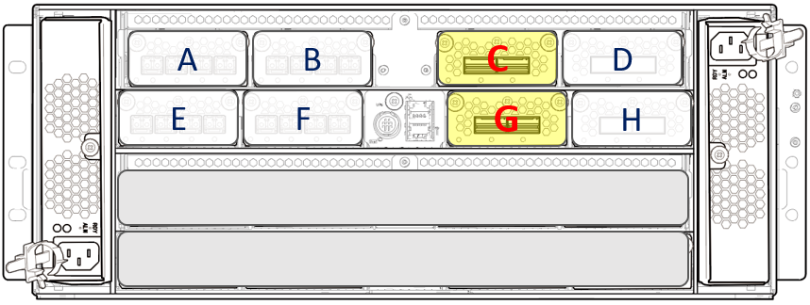
 |  |  |  |  |  | Revised: 2019/09/18
D K C # 1
 | CTL #12 | HIE-12C
 |  | 12C-0 | (P4) | 12C-1 | (P8)

CTL- 12

 |  | HIE-12G
 |  | 12G-0 | (P3) | 12G-1 | (P7)

DKC-1

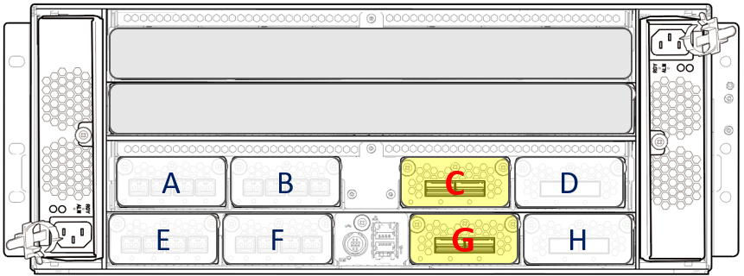
D K C # 0

DKC-0

 | CTL #01 | HIE-01C
 |  | 01C-0 | (P2) | 01C-1 | (P6)

CTL- 01

 |  | HIE-01G
 |  | 01G-0 | (P1) | 01G-1 | (P5)

 | CBX Pair #1

