immagine
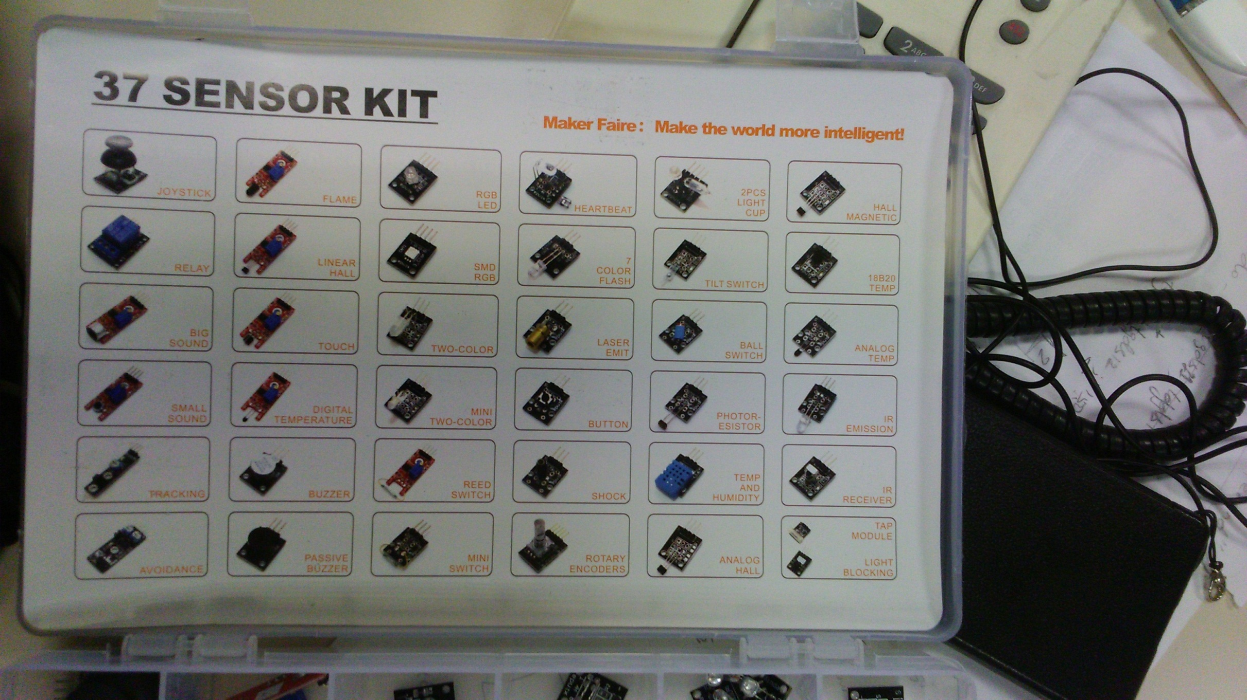

1
2
3
4
5
6

7
8
9
10
11
12

13
14
15
16
17
18

19
20
21
22
23
24

25
26
27
28
29
30

31
32
33
34
35
36

