Access chart
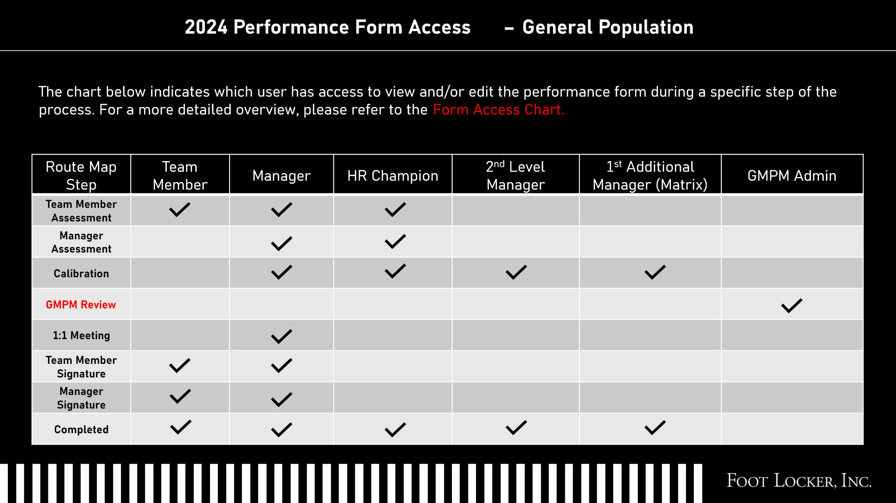
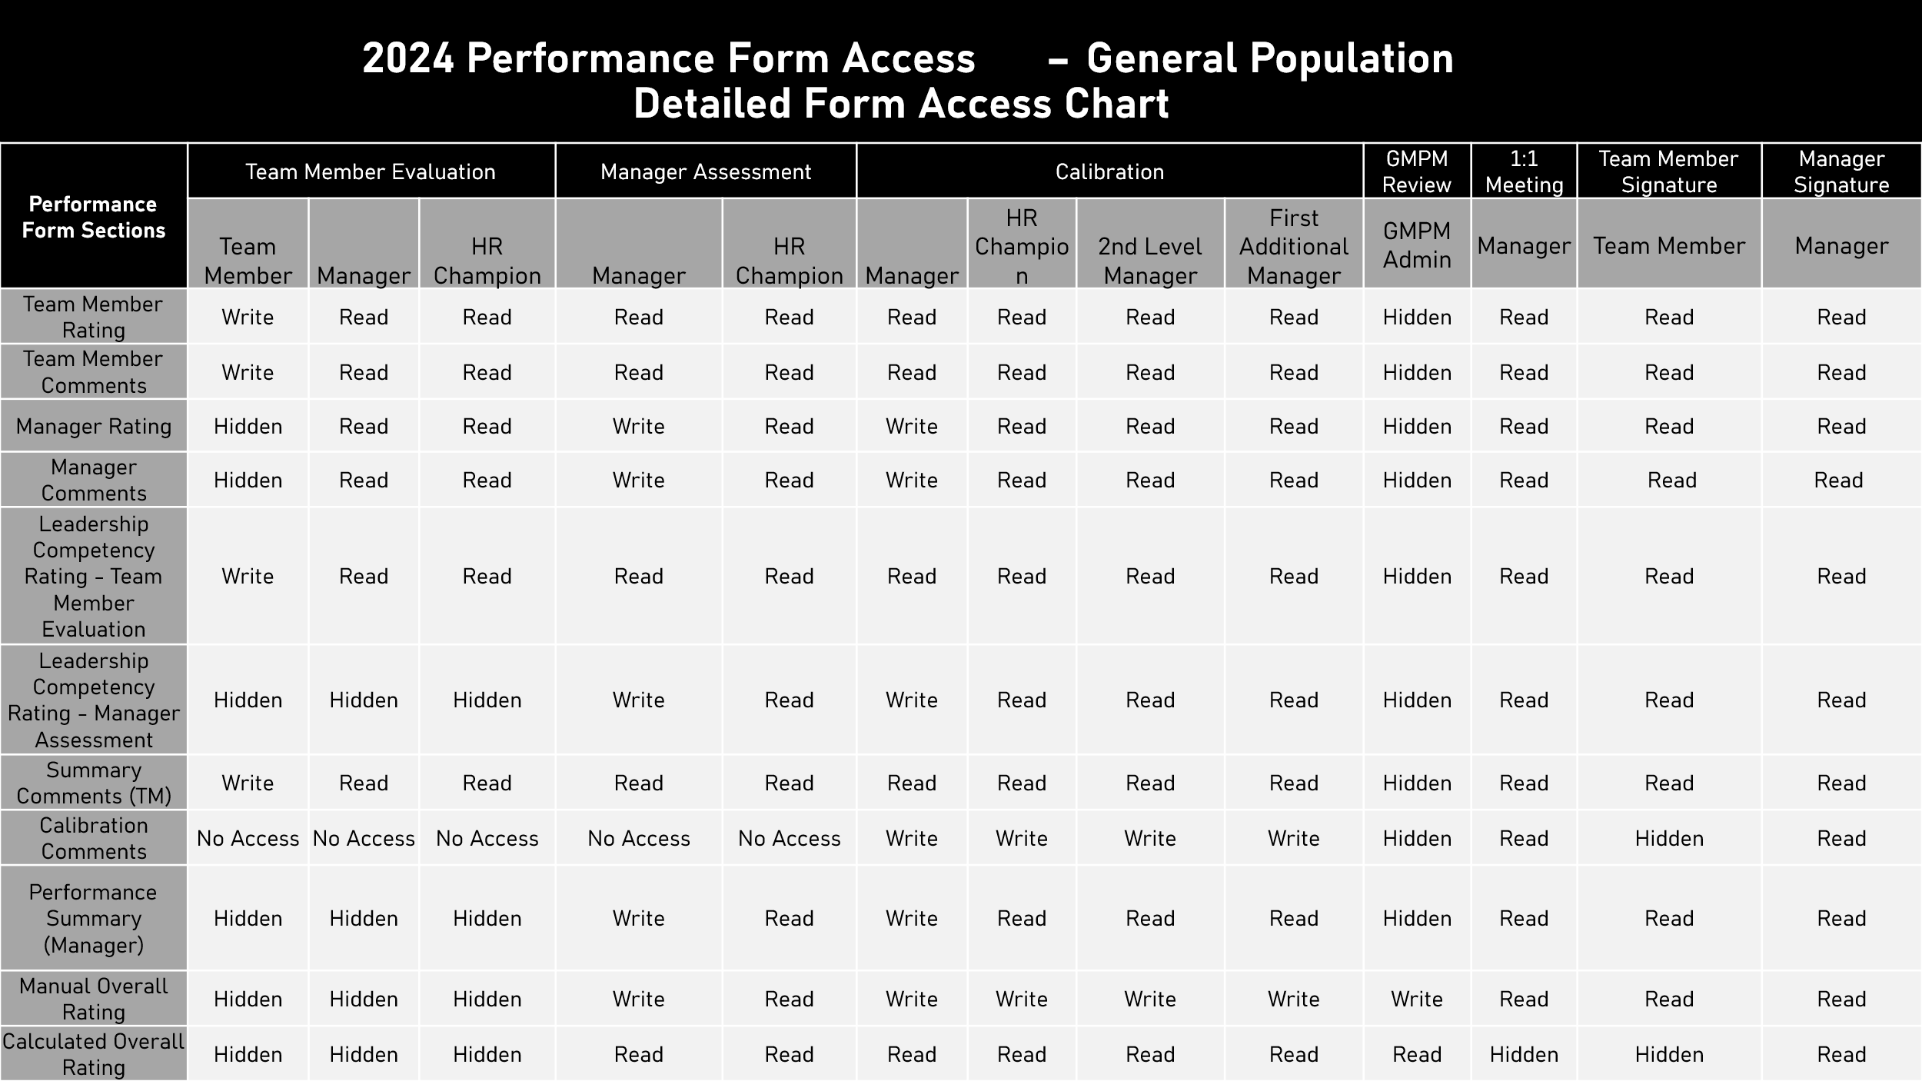
2025 Form Access Charts
Use these charts to share with HRBPs to review PM Form access

