Sheet
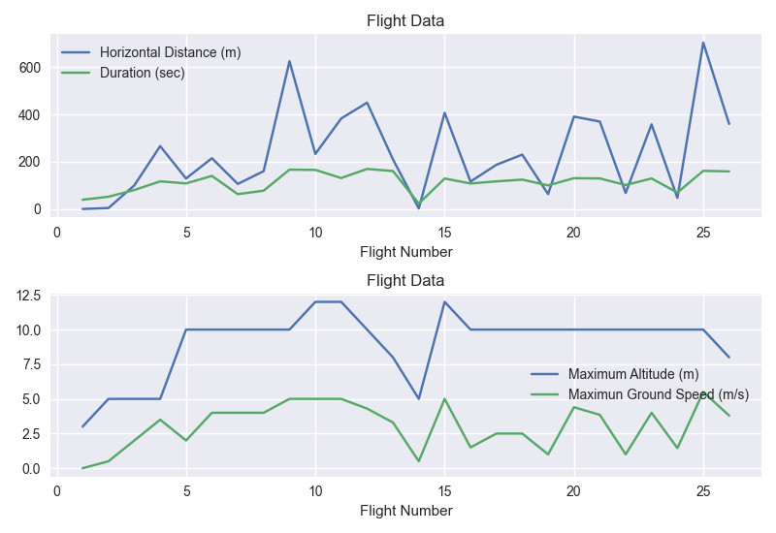
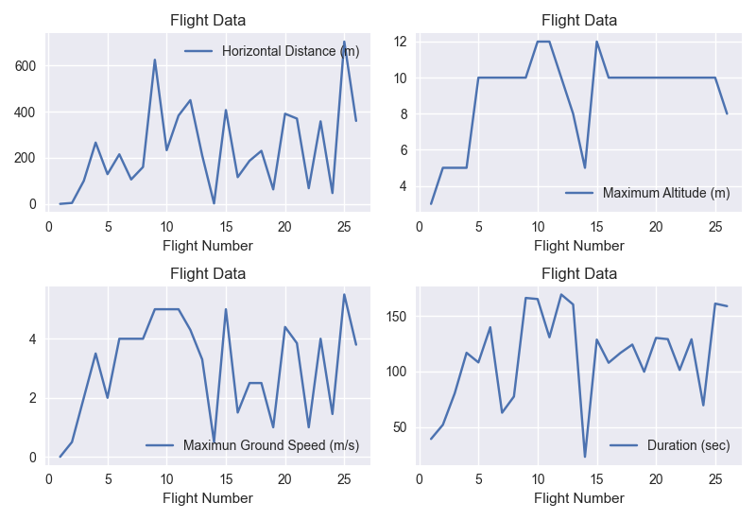
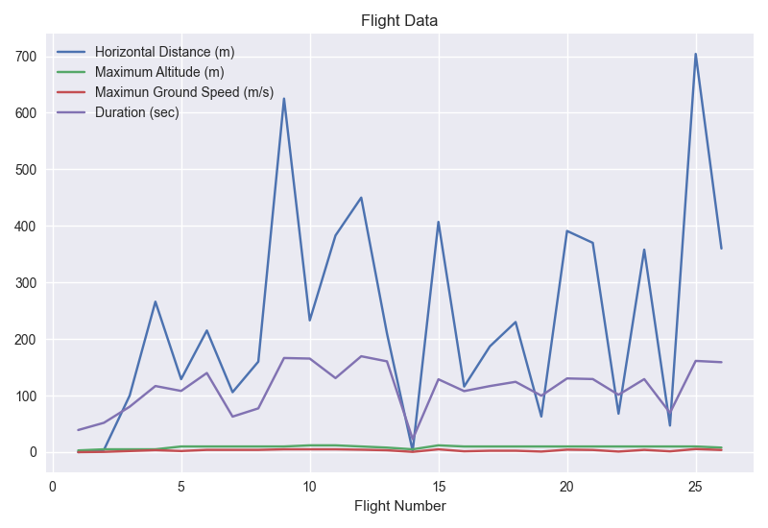
FLIGHT: | SOL: | DATE: | HOR_DIST (M): | HOR_DIST (FT): | MAX_ALT (M): | MAX_ALT (FT): | MAX_GND_SPEED (M/S): | MAX_GND_SPEED (MPH): | DURATION: | ROUTE:
1 | 58 | April 19, 2021 | 0 | 0 | 3 | ~10 | 0 | 0 | 39.1 | Wright Brothers Field
2 | 61 | April 22, 2021 | 4 | ~13 | 5 | ~16 | 0.50 | ~1.1 | 51.9 | Wright Brothers Field
3 | 64 | April 25, 2021 | 100 | ~328 | 5 | ~16 | 2 | ~4.5 | 80.3 | Wright Brothers Field
4 | 69 | April 30, 2021 | 266 | ~873 | 5 | ~16 | 3.50 | ~7.8 | 116.9 | Wright Brothers Field
5 | 76 | May 7, 2021 | 129 | ~423 | 10 | ~33 | 2 | ~4.5 | 108.2 | Wright Brothers Field
6 | 91 | May 22, 2021 | 215 | ~705 | 10 | ~33 | 4 | ~8.9 | 139.9 | Airfield B
7 | 107 | June 8, 2021 | 106 | ~348 | 10 | ~33 | 4 | ~8.9 | 62.8 | Airfield C
8 | 120 | June 21, 2021 | 160 | ~525 | 10 | ~33 | 4 | ~8.9 | 77.4 | Airfield D
9 | 133 | July 5, 2021 | 625 | ~2,051 | 10 | ~33 | 5 | ~11.2 | 166.4 | Airfield E
10 | 152 | July 24, 2021 | 233 | ~764 | 12 | ~39 | 5 | ~11.2 | 165.4 | Airfield F
11 | 163 | Aug. 4, 2021 | 383 | ~1,257 | 12 | ~39 | 5 | ~11.2 | 130.9 | Airfield G
12 | 174 | Aug. 16, 2021 | 450 | ~1,476 | 10 | ~33 | 4.30 | ~9.6 | 169.5 | Airfield H
13 | 193 | Sept. 4, 2021 | 210 | ~689 | 8 | ~26 | 3.30 | ~7.4 | 160.5 | Airfield H
14 | 241 | Oct. 24, 2021 | 2 | ~7 | 5 | ~16 | 0.50 | ~1.1 | 23.0 | Airfield H
15 | 254 | Nov. 6, 2021 | 407 | ~1,335 | 12 | ~39 | 5 | ~11.2 | 128.8 | Airfield H
16 | 268 | Nov. 20, 2021 | 116 | ~381 | 10 | ~33 | 1.50 | ~3.4 | 107.9 | Airfield F
17 | 282 | Dec. 5, 2021 | 187 | ~614 | 10 | ~33 | 2.50 | ~5.6 | 116.8 | Airfield J
18 | 292 | Dec. 15, 2021 | 230 | ~755 | 10 | ~33 | 2.50 | ~5.6 | 124.3 | Airfield K
19 | 345 | Feb. 7, 2022 | 63 | ~207 | 10 | ~33 | 1 | ~2.2 | 99.8 | Airfield L
20 | 362 | Feb. 25, 2022 | 391 | ~1,283 | 10 | ~33 | 4.40 | ~9.8 | 130.3 | Airfield E
21 | 375 | March 10, 2022 | 370 | ~1,214 | 10 | ~33 | 3.85 | ~8.6 | 129.2 | Airfield M
22 | 384 | March 19, 2022 | 68 | ~223 | 10 | ~33 | 1 | ~2.2 | 101.4 | Airfield N
23 | 388 | March 23, 2022 | 358 | ~1,175 | 10 | ~33 | 4 | ~8.9 | 129.1 | Airfield N
24 | 398 | April 3, 2022 | 47 | ~154 | 10 | ~33 | 1.45 | ~3.2 | 69.5 | Airfield P
25 | 403 | April 8, 2022 | 704 | ~2,310 | 10 | ~33 | 5.50 | ~12.3 | 161.3 | Airfield P
26 | 414 | April 19, 2022 | 360 | ~1,181 | 8 | ~26 | 3.80 | ~8.5 | 159.0 | Airfield Q

