Sheet2
Element | Z | M | Reaction | Isotope produced | Onset Energy (MeV) | Half Life (s) |  |  |  |  | Eurofer
Cr | 24 | 50 | (p,gamma) | 51Mn | 1 | 2.77E+03 | β+ | 46 min half life, could be an issue for changeover. |  |  | 9.654 | at%Cr
C | 6 | 14 | (p,n) | 14N | 1 | stable |  |  |  | density | 7.7988 | gcm-3
N | 7 | 15 | (p,alpha) | 12C | 1 | stable |  |  |  | = | 7798800 | gm-3
V | 23 | 51 | (p,gamma) | 52Cr | 1 | stable |  |  | σ(2 MeV) | = | 200 | μb | = | 2.00E-32
Cr | 24 | 52 | (p,gamma) | 53Mn | 1 | 1.18E+14 | Not an issue |  | Cr number density
Mn | 25 | 55 | (p,gamma) | 56Fe | 1 | stable
Fe | 26 | 58 | (p,gamma) | 59Co | 1 | stable
Cr | 24 | 54 | (p,gamma) | 55Mn | 2 | stable
Fe | 26 | 56 | (p,gamma) | 57Co | 2 | 2.35E+07 |  | Use ≤2 MeV to avoid 56Fe(p,gamma)57Co production
N | 7 | 14 | (p,alpha) | 11C | 2.5 | 1.22E+03
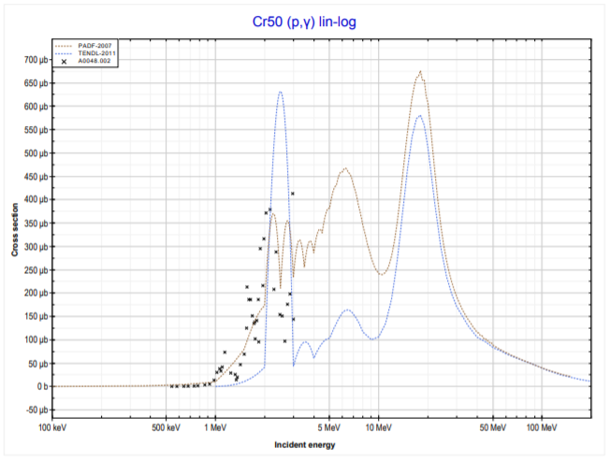
N | 7 | 14 | (p,2n + 2p) | 11C | 2.5 | 1.22E+03
V | 23 | 51 | (p,n) | 51Cr | 2.5 | 2.39E+06
Cr | 24 | 53 | (p,n) | 53Mn | 2.5 | 1.18E+14
Cr | 24 | 54 | (p,n) | 54Mn | 2.5 | 2.70E+07
Fe | 26 | 57 | (p,n) | 57Co | 2.5 | 2.35E+07
C | 6 | 13 | (p,n) | 13N | 3 | 5.98E+02
N | 7 | 15 | (p,n) | 15O | 3 | 1.22E+02
Mn | 25 | 55 | (p,n) | 55Fe | 3 | 8.66E+07
Fe | 26 | 54 | (p,gamma) | 55Co | 3 | 6.31E+04
Fe | 26 | 58 | (p,n) | 58Co | 3 | 6.12E+06
C | 6 | 12 | (p,n+p) | 11C | 5 | 1.22E+03
C | 6 | 12 | (p,gamma) | 13N | 5 | 5.98E+02
Fe | 26 | 56 | (p,n) | 56Co | 5 | 6.67E+06
Cr | 24 | 52 | (p,n) | 52Mn | 6 | 4.84E+05
Fe | 26 | 57 | (p,alpha) | 54Mn | 6 | 2.70E+07
W | 74 | 186 | (p,n) | 186Re | 6 | 3.21E+05
Ta | 73 | 181 | (p,n) | 181W | 7 | 1.05E+07
W | 74 | 184 | (p,n) | 184Re | 7 | 3.28E+06
N | 7 | 14 | (p,n) | 14O | 7.5 | 7.06E+01
W | 74 | 182 | (p,2n) | 181Re | 7.5 | 7.16E+04
C | 6 | 12 | (p,alpha) | 9B | 8 | 8.45E-19
N | 7 | 14 | (p,n+p) | 13N | 9 | 5.98E+02
N | 7 | 14 | (p,d) | 13N | 9 | 5.98E+02
Cr | 24 | 50 | (p,n) | 50Mn | 9 | 2.83E-01
Cr | 24 | 50 | (p,2n+2p) | 47V | 10
Fe | 26 | 54 | (p,alpha) | 51Mn | 10
Ta | 73 | 181 | (p,2n) | 180W | 10
Fe | 26 | 58 | (p,2n) | 57Co | 11
Mn | 25 | 55 | (p,n+p) | 54Mn | 12
Fe | 26 | 56 | (p,n+p) | 55Fe | 13
Cr | 24 | 50 | (p,2p) | 49V | 14
Fe | 26 | 57 | (p,2n) | 56Co | 14
N | 7 | 14 | (p,2 alpha) | 7Be | 15
N | 7 | 14 | (p,d+h) | 10B | 15
N | 7 | 15 | (p,n+alpha) | 11C | 15
Cr | 24 | 50 | (p,n+p) | 49Cr | 15
Cr | 24 | 52 | (p,2n) | 51Mn | 15
Cr | 24 | 52 | (p,n+p) | 51Cr | 15
Cr | 24 | 53 | (p,2n) | 52Mn | 15
Mn | 25 | 55 | (p,n+alpha) | 51Cr | 15
Fe | 26 | 54 | (p,n+p) | 53Fe | 15
Fe | 26 | 56 | (p,2n) | 55Co | 15
Ta | 73 | 181 | (p,n+p) | 180Ta | 15
W | 74 | 186 | (p,n+p) | 185W | 15
Ta | 73 | 181 | (p,3n) | 179W | 16
Fe | 26 | 58 | (p,n+alpha) | 54Mn | 17
Fe | 26 | 57 | (p,2p) | 56Mn | 18
V | 23 | 51 | (p,n+alpha) | 47Sc | 20
Cr | 24 | 52 | (p,n+alpha) | 48V | 20
Fe | 26 | 56 | (p,n+alpha) | 52Mn | 20
Fe | 26 | 57 | (p,2n+p) | 55Fe | 22
C | 6 | 12 | (p,n+p+alpha) | 7Be | 25
V | 23 | 51 | (p,3n) | 49Cr | 25
Cr | 24 | 50 | (p,2n+p) | 48Cr | 25
Cr | 24 | 50 | (p,n+2p) | 48V | 25
Mn | 25 | 55 | (p,3n) | 53Fe | 25
Fe | 26 | 54 | (p,t) | 52Fe | 25
Fe | 26 | 56 | (p,3n+p) | 53Fe | 25
Fe | 26 | 57 | (p,3n) | 55Co | 25
Fe | 26 | 58 | (p,3n) | 56Co | 25
Ta | 73 | 181 | (p,4n) | 178W | 25
V | 23 | 51 | (p,3p) | 49Sc | 30
Cr | 24 | 52 | (p,3n+p) | 49Cr | 30
W | 74 | 186 | (p,2p) | 185Ta | 30
Fe | 26 | 58 | (p,4n) | 55Co | 35
Ta | 73 | 181 | (p,5n) | 177W | 35
V | 23 | 51 | (p,4n) | 48Cr | 40
Mn | 25 | 55 | (p,4n) | 52Fe | 40
W | 74 | 186 | (p,3p) | 184Hf | 50
W | 74 | 183 | (p,fission) | ??? | 150
W | 74 | 184 | (p,fission) | ??? | 150
W | 74 | 186 | (p,fission) | ??? | 150

