Pinout
Arduino conector | STM32F469 Pinout | STM32F469 Alternative Function | SignalType | STM32Peripheral | PeripheralClockBus | Note
ARD_A0 | PB1 | ADC12_IN9 | AnalogIn0 | ADC1 | APB2 |  | AI_0 |  | 5 Digital Output | 4 Digital Output (PLC) | Relay / Opto | 0V-24V
ARD_A1 | PC2 | ADC12_IN12 | AnalogIn1 | ADC1 | APB2 |  | AI_1 |  | 7 Digital Input |  | Relay / Opto | 0V-24V
ARD_A2 | PC3 | ADC12_IN13 | AnalogIn2 | ADC1 | APB2 |  | AI_2 |  | 2 PWM/AnalogOut |  | PWM To Analog Converter |  | 0V-10V
ARD_A3 | PC4 | ADC12_IN14 | AnalogIn3 | ADC1 | APB2 |  | AI_3 |  | 4 ADC/AnalogIn |  | Voltage divider
ARD_A4 | PC5 | ADC12_IN15 | DigitalOutput0 | GPIOC | AHB1 |  | DO_0
ARD_A5 | PA4 | ADC12_IN4 | DigitalOutput1 | GPIOA | AHB1 |  | DO_1
ARD_D0 | PG9 | UASRT6_RX | DigitalOutput2 | GPIOG | AHB1 |  | DO_2
ARD_D1 | PG14 | UASRT6_TX | DigitalOutput3 | GPIOG | AHB1 |  | DO_3
ARD_D2 | PG13 |  | DigitalOutput4 | GPIOG | AHB1 |  | DO_4
ARD_D3 | PA1 | TIM5_CH2/PWM | AnalogOut0 | TIM5 | APB1 | 1.37 Khz | AO_0
ARD_D4 | PG12 |  | Non
ARD_D5 | PA2 | TIM5_CH3/PWM | AnalogOut1 | TIM5 | APB1 | 1.37 Khz | AO_1
ARD_D6 | PA6 | TIM3_CH1/PWM | Non | GPIOA | AHB1
ARD_D7 | PG11 |  | DigitalInput0 | GPIOG | AHB1 | EXTI_LINE_11 | DI_0
ARD_D8 | PG10 |  | DigitalInput1 | GPIOG | AHB1 | EXTI_LINE_10 | DI_1
ARD_D9 | PA7 | TIM14_CH1/PWM | DigitalInput2 | GPIOA | AHB1 | EXTI_LINE_7 | DI_2
ARD_D10 | PH6 | TIM12_CH1/PWM | DigitalInput3 | GPIOH | AHB1 | EXTI_LINE_6 | DI_3
ARD_D11 | PB15 | TIM12_CH2/PWM | DigitalInput4 | GPIOB | AHB1 | EXTI_LINE_15 | DI_4
ARD_D12 | PB14 | TIM12_CH2,SPI2_MOSI | DigitalInput5 | GPIOB | AHB1 | EXTI_LINE_14 | DI_5
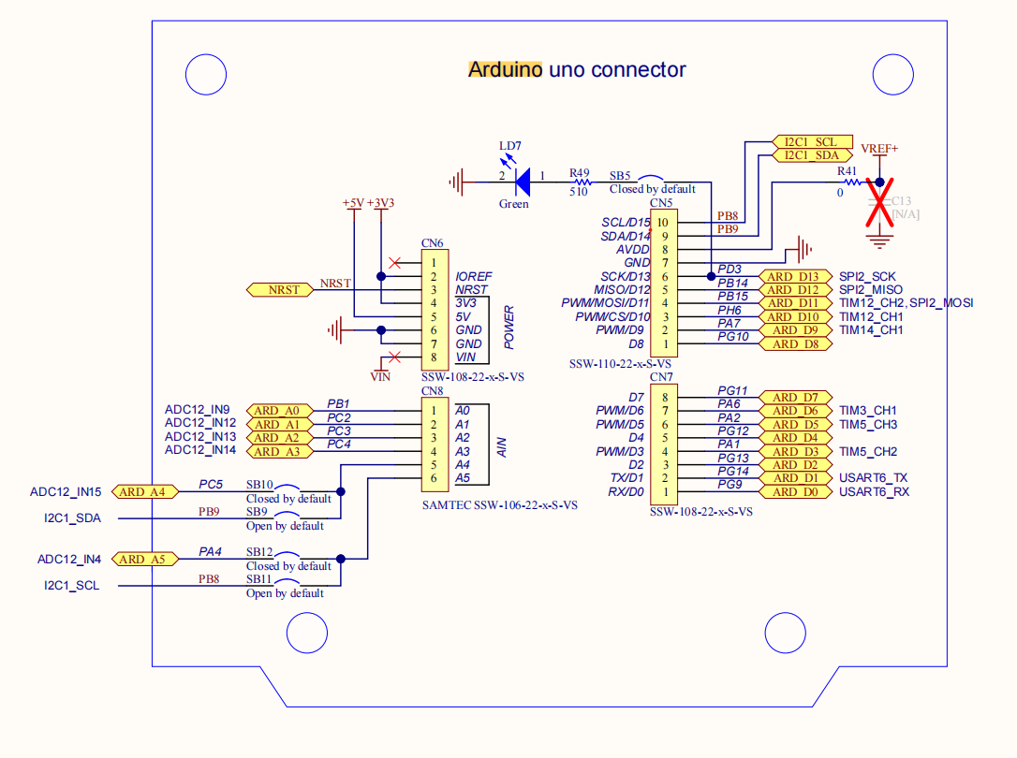
ARD_D13 | PD3 | SPI2_SCK | DigitalInput6 | GPIOD | AHB1 | EXTI_LINE_3 | DI_6
Timebase Source | TIM6
Onboard LED1 | PG6 | Non |  | GPIOG |  | Green
Onboard LED2 | PD4 | Non |  | GPIOD |  | Orange
Onboard LED3 | PD5 | Non |  | GPIOD |  | Red
Onboard LED4 | PK3 | Non |  | GPIOK |  | Blue
Level Sensor | 1501 | 1 | Pump | 1604 | 1601 |  | Cảm biến lưu lượng | 1101
 | 1503 |  |  | 1603 | 1602 |  | Công tắt phao B101 | 1102
Pressure Sensor | 1505 | 3 |  |  |  |  | Công tắt phao B102 | 1103
 | 1507 |  |  |  |  |  | Cảm biến điện dung B101 (low) | 1104
Temp Sensor | 1506 | 4 |  |  |  |  | Cảm biến điện dung B101 (cao) | 1105
 | 1508 |  |  |  |  |  | Hộp cảm biến V102 | 1106
Flow Sensor | 1502 | 2 |  |  |  |  | Hộp cảm biến V102 | 1107
 | 1504

V102 | 1201 | LR.1.NO

Heater | 1202

Pump101 Analog | 1203 | LR.2.NO

Pump101 Digital | 1204 | LR.3.NO

V106 | 1205 | LR.4.NO

SignalType | STM32Peripheral | STM32F469 Alternative Function | PeripheralClockBus | STM32F469 Pinout | Note
AnalogIn0 | ADC1 | ADC12_IN9 | APB2 | PB1
AnalogIn1 | ADC1 | ADC12_IN12 | APB2 | PC2
AnalogIn2 | ADC1 | ADC12_IN13 | APB2 | PC3
AnalogIn3 | ADC1 | ADC12_IN14 | APB2 | PC4
DigitalOutput0 | GPIOC | ADC12_IN15 | AHB1 | PC5
DigitalOutput1 | GPIOA | ADC12_IN4 | AHB1 | PA4
DigitalOutput2 | GPIOG | UASRT6_RX | AHB1 | PG9
DigitalOutput3 | GPIOG | UASRT6_TX | AHB1 | PG14
DigitalOutput4 | GPIOG |  | AHB1 | PG13
AnalogOut0 | TIM5 | TIM5_CH2/PWM | APB1 | PA1 | 1.37 Khz
Non |  |  |  | PG12
AnalogOut1 | TIM5 | TIM5_CH3/PWM | APB1 | PA2 | 1.37 Khz
Non | GPIOA | TIM3_CH1/PWM | AHB1 | PA6
DigitalInput0 | GPIOG |  | AHB1 | PG11 | EXTI_LINE_11
DigitalInput1 | GPIOG |  | AHB1 | PG10 | EXTI_LINE_10
DigitalInput2 | GPIOA | TIM14_CH1/PWM | AHB1 | PA7 | EXTI_LINE_7
DigitalInput3 | GPIOH | TIM12_CH1/PWM | AHB1 | PH6 | EXTI_LINE_6
DigitalInput4 | GPIOB | TIM12_CH2/PWM | AHB1 | PB15 | EXTI_LINE_15
DigitalInput5 | GPIOB |  | AHB1 | PB14 | EXTI_LINE_14
DigitalInput6 | GPIOD |  | AHB1 | PD3 | EXTI_LINE_3

SignalType | STM32F469 Alternative Function | STM32Peripheral | PeripheralClockBus | STM32F469 Pinout | Arduino conector | Note
AnalogIn0 | ADC12_IN9 | ADC1 | APB2 | PB1 | ARD_A0
AnalogIn1 | ADC12_IN12 | ADC1 | APB2 | PC2 | ARD_A1
AnalogIn2 | ADC12_IN13 | ADC1 | APB2 | PC3 | ARD_A2
AnalogIn3 | ADC12_IN14 | ADC1 | APB2 | PC4 | ARD_A3
DigitalOutput0 | ADC12_IN15 | GPIOC | AHB1 | PC5 | ARD_A4
DigitalOutput1 | ADC12_IN4 | GPIOA | AHB1 | PA4 | ARD_A5
DigitalOutput2 |  | GPIOG | AHB1 | PG9 | ARD_D0
AnalogOut0 | TIM5_CH2/PWM | TIM5 | APB1 | PA1 | ARD_D3 | 1.37 Khz
DigitalOutput4 |  |  | APB1 | PG12 | ARD_D4
AnalogOut1 | TIM5_CH3/PWM | TIM5 | APB1 | PA2 | ARD_D5 | 1.37 Khz
External Input 0 | NVIC | GPIOG | AHB1 | PG11 | ARD_D7 | EXTI_LINE_11
External Input 1 | NVIC | GPIOG | AHB1 | PG10 | ARD_D8 | EXTI_LINE_10
External Input 2 | NVIC | GPIOA | AHB1 | PA7 | ARD_D9 | EXTI_LINE_7
External Input 3 | NVIC | GPIOH | AHB1 | PH6 | ARD_D10 | EXTI_LINE_6
External Input 4 | NVIC | GPIOB | AHB1 | PB15 | ARD_D11 | EXTI_LINE_15
External Input 5 | NVIC | GPIOB | AHB1 | PB14 | ARD_D12 | EXTI_LINE_14
External Input 6 | NVIC | GPIOD | AHB1 | PD3 | ARD_D13 | EXTI_LINE_3

