Experiment Data - Drawings
Gravity Experiment

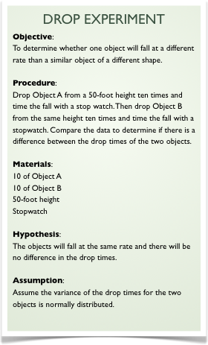
Drop Times (Seconds)
 | OBJECT A | OBJECT B
Time 1 | 1.80 | 1.90
Time 2 | 1.83 | 1.81
Time 3 | 1.84 | 1.87
Time 4 | 1.83 | 1.85
Time 5 | 1.78 | 1.89
Time 6 | 1.81 | 1.79
Time 7 | 1.80 | 1.85
Time 8 | 1.78 | 1.90
Time 9 | 1.85 | 1.83
Time 10 | 1.76 | 1.85

Hypothesis Test - Drawings
Hypothesis Testing

Frequency of Drop Times
 | OBJECT A | OBJECT B
1.74 | 0 | 0
1.78 | 3 | 1
1.82 | 5 | 2
1.86 | 2 | 4
1.9 | 0 | 3

