UGT1A1 Implementation Workflow
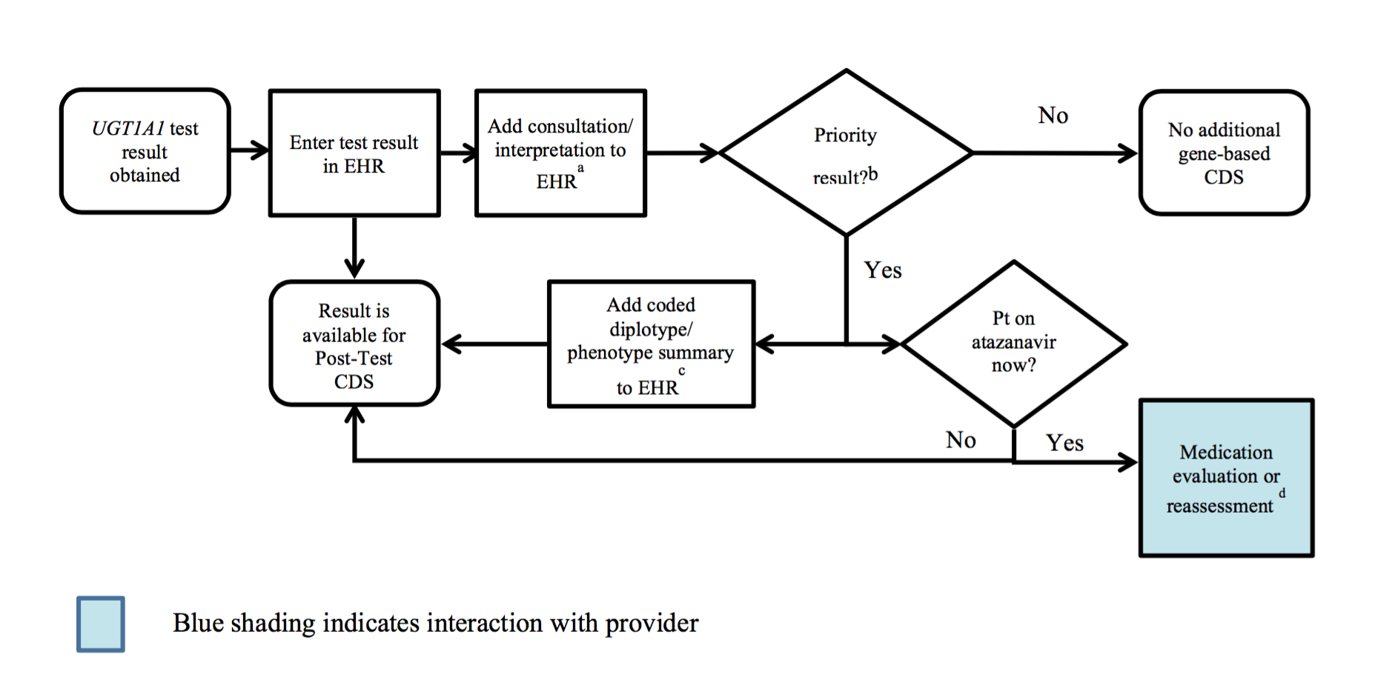

a See "UGT1A1 consult note" tab for diplotype/phenotype specific examples
b Priority result is defined as a genetic test result that necessitates a change in drug, drug dose, or drug monitoring now or potentially in the future.
c Documentation in the EHR is institution specific. Optimally, the phenotype and/or genotype are available in the EHR to permanently inform prescribing decisions. See "UGT1A1 consult note" tab for genotype/phenotype-specific summaries.
d UGT1A1 genetic testing is most helpful prior to initiation of the drug. However, in some cases (e.g., patient experiencing side effects, current drug therapy ineffective) UGT1A1 genetic results might be useful in choosing alternative therapy.

