CYP3A5 Implementation workflow
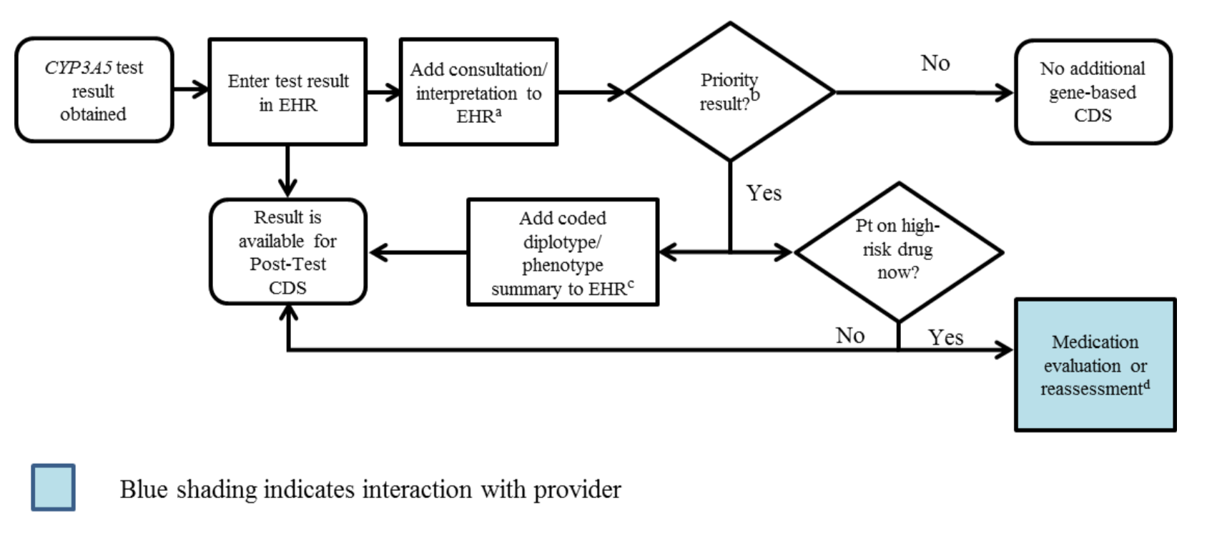

aSee '3A5Interpretation consult note' tab for diplotype/phenotype specific examples.
b"Priority result" is defined as a genetic test result that necessitates a change in drug, drug dose, or drug monitoring now or potentially in the future
cDocumentation in the EHR is institution specific. Optimally, the phenotype and/or genotype are available in the EHR to permanently inform prescribing decisions. See '3A5Interpretation consult note' tab for genotype/phenotype-specific summaries
dGiven the availability of therapeutic drug monitoring, CYP3A5 genetic testing is most helpful prior to initiation of the drug in order to rapidly achieve therapeutic drug concentrations, or in patients in whom achieving therapeutic levels has been difficult. If patient’s tacrolimus level is already in therapeutic range, no action may be required.

