03.Overview
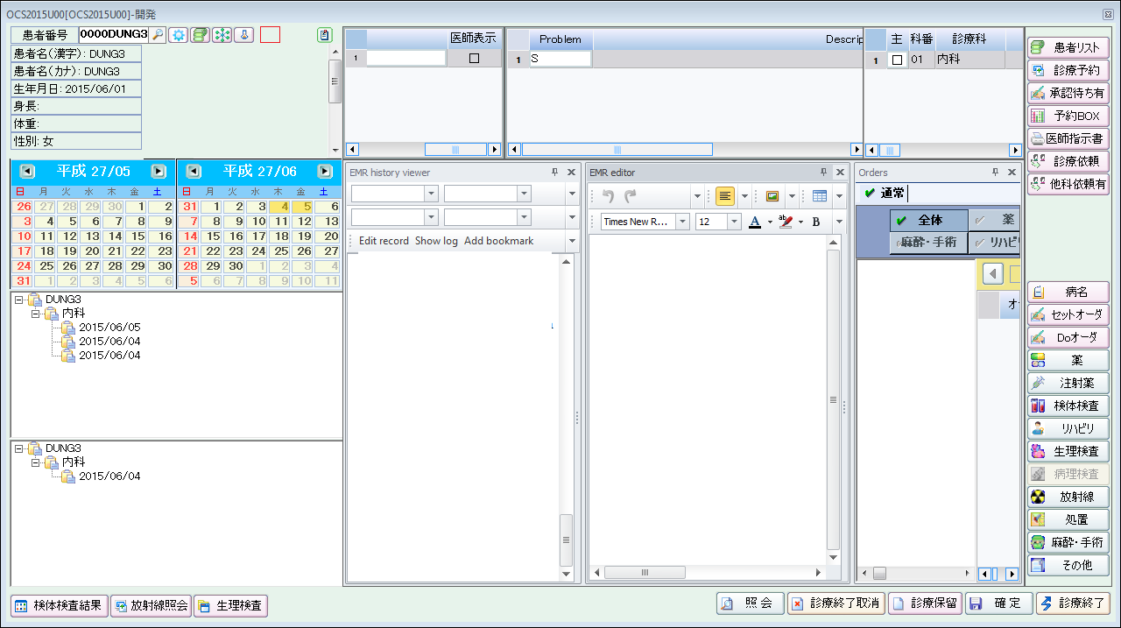
Basic Design |  |  | Sheet name | Overview | Document | Main screen
Project name |  | Medical Cloud Service
 |  |  |  |  |  | MED_BD_OCS2015U00

I. Diagram
IHIS-Client
IHIS-Cloud-Service
OCSO
IHIS
(MySQL)

OCS-EMR
Internet

II. Introduction

Function overview
 | This function is used by doctor. Doctor can write medical record, view history medical record and create examination order for patient.
Function position in Menu

IHIS System

iHIS外来オーダ[OCS] - patient order

OCSO - Out patient order

外来オーダ (EMR)

Screen Transition

外来オーダ (OCS2015U00)
外来オーダ (EMR)
Click

Position of UI control
 | Fixed position into main screen OCS2015U00.

04.Screen
Basic Design |  |  |  |  |  |  |  |  |  |  |  |  | Sheet name |  |  |  | Screen |  |  |  |  | Document | Medical Records Editor
Project name |  |  |  | Medical Cloud Service
 |  |  |  |  |  |  |  |  |  |  |  |  |  |  |  |  |  |  |  |  |  |  | MED_BD_OCS2015U09

 |  |  |  |  |  | 1 |  |  |  |  |  |  |  |  | 2 |  |  |  | 3 | 4 | 5
 | テンプレート |  |  |  | デフォルトのテンプレート |  |  |  | q |  | 表示 |  | 両方表示 |  |  | q |  |  |  |  |  |  |  |  |  | Hidden columns
 |  |  |  |  |  |  |  |  |  |  |  |  | タグコードの表示
 |  |  |  |  |  |  |  |  |  |  |  |  | タグ名の表示
 |  |  |  |  |  |  |  |  |  |  |  |  |  |  |  |  |  |  |  |  |  |  | 9 |  | 10 |  | 11 | 12
 | Tag code |  |  | Tag name |  |  |  |  | Content |  |  |  |  |  |  |  |  |  |  |  |  |  | Date |  | Row order |  | Parent | RowId
 | S |  | q |  | S |  |  |  | 咳がしつこい気がするので，レントゲンを撮ってほしい。先月亡くなった叔父の肺癌の初期症状と似ている。家計も厳しいが娘はまだ高校生で倒れるわけにはいかない。タバコも体に悪いとは思っている。 2日前の昼過ぎに鼻汁・咽頭痛が，夜には咳と微熱も出現。1日前には倦怠感や食思不振も出現。痰は少量漿液性，深吸気でも咳嗽増悪や胸痛誘発なし。職場で風邪が流行中。 |  |  |  |  |  |  |  |  |  |  |  |  |  |  |  |  |  | 1 | 1
 | 6 |  |  |  | 7
 |  |  |  |  |  |  |  | 8

 |  | AN | q |  | 既往歴 |  |  |  | なし。3か月前の検診での胸部Xp正常と言われている。 |  |  |  |  |  |  |  |  |  |  |  |  |  |  |  |  |  | 1 | 2
 |  | FH | q |  | 家族歴 |  |  |  | 叔父が肺癌，祖父が大腸癌。父が高血圧・心不全。 |  |  |  |  |  |  |  |  |  |  |  |  |  |  |  |  |  | 1 | 3
 |  | LH | q |  | 生活歴 |  |  |  | 機会飲酒。喫煙20本／日×34年。パートでレジ打ち業務。56歳の夫（タクシー運転手），15歳の長女と3人暮らし。 |  |  |  |  |  |  |  |  |  |  |  |  |  |  |  |  |  | 1 | 4

 | O |  | q |  | O |  |  |  | 重篤感なく，すっと歩いて入室し会話内容も明確だが，不安げで思いつめた表情で話している。るいそうなし。 |  |  |  |  |  |  |  |  |  |  |  |  |  |  |  |  |  | 5 | 5

 |  |  |  |  |  |  |  |  |  |  |  |  |  |  |  |  |  |  |  |  |  |  |  |  | Node tags are further away from cell border

 |  |  |  |  |  |  |  |  |  |  |  |  |  |  |  |  |  |  |  |  |  |  |  |  |  |  | 13
Image Box or PDF Preview
 |  |  |  |  |  |  |  |  |  |  |  |  |  |  |  |  |  |  |  |  |  |  |  |  |  |  |  |  |  |  | Grid body

 | A |  | q |  | A
 | MI |  | q |  | #a |  |  |  | 特に基礎疾患のない50代女性の鼻・喉・咳症状。全身状態良好で胸部異常所見を伴わない。 Definite：急性上気道炎→特に矛盾はしない。 Less likely：異型肺炎は否定できないが経過をみて判断する。 Unlikely：肺癌のリスクあるが，経過・検診結果から可能性低い。

 |  |  |  |  |  |  |  |  |  |  |  |  |  |  |  |  |  |  |  |  |  |  |  |  | Border line color is same as background

 | MA |  | q |  | #1 |  |  |  | 肺癌に限らず悪性腫瘍や心血管疾患のリスクがあり，現時点で最も健康への影響が大きい。幸い＃a/bから禁煙への関心が高まっている。
Comment: - Hightlight yellow - Mouse hover will display tooltip (show full comment)
 | P |  | q |  | P |  |  |  |  |  |  |  |  |  |  |  |  |  |  |  |  |  |  |  | 14
 |  | Tx | q |  | 治療プラン |  |  |  | 解熱鎮痛薬・鎮咳薬での対症療法。
 |  | Dx | q |  | 診断プラン |  |  |  | 検診結果を取り寄せ，今後の症状経過もみて検査を相談。
 |  | Ex | q |  | 教育プラン |  |  |  | 診断とその根拠について丁寧に説明し，喫煙の影響や，経過次第で肺精査も行う見通しを説明→安心された様子

Order list:
- Orders

 |  |  |  |  |  |  |  |  |  |  |  |  |  |  |  |  |  |  |  |  |  |  |  |  |  |  |  |  | Grid footer

No. | Items |  |  |  |  |  | Object Type |  |  | I/O |  | C: Character, N: Number, D: Date |  |  |  |  |  |  |  |  |  | Initial value |  | Table Field |  |  |  | Description |  | JP
 |  |  |  |  |  |  |  |  |  |  |  | Req |  | Type |  | Size |  | Tab order |  | Format
Pop-up management
1 | Template list |  |  |  |  |  | Combo box |  |  | I |  |  |  |  |  |  |  | 1 |  |  |  | Default Template/Last used template |  | EMR_TEMPLATE.TEMPLATE_NAME
2 | Display |  |  |  |  |  | Combo box |  |  | I |  |  |  |  |  |  |  | 2 |  |  |  | Both |  | EMR_TAG.TAG_DISPLAY_TEXT |  |  |  | Tag Code/Tag Display Text/Both
3 | Insert image |  |  |  |  |  | Button |  |  | I |  |  |  |  |  |  |  | 3 |  |  |  |  |  |  |  |  |  | support : png/bmp/jpg/jpeg
4 | Insert pdf |  |  |  |  |  | Button |  |  | I |  |  |  |  |  |  |  | 4 |  |  |  |  |  |  |  |  |  | support : pdf
5 | Insert comment |  |  |  |  |  | Button |  |  | I |  |  |  |  |  |  |  | 5 |  |  |  |  |  |  |  |  |  | Add comment
6 | Tag code |  |  |  |  |  | Label |  |  | O |  |  |  | Char |  |  |  | 6 |  |  |  | Empty |  |  |  |  |  | Tag Code
7 | Tag display text |  |  |  |  |  | Label |  |  | O |  |  |  | Char |  |  |  |  |  |  |  | Empty |  |  |  |  |  | Tag display text
8 | Content |  |  |  |  |  | Label |  |  | O |  |  |  | Char |  |  |  | 7 |  |  |  | Empty |  |  |  |  |  | - Tag content. - Users press Enter to break lines. - Height of this cell will be auto resize to fit with the content inside
9 | Date |  |  |  |  |  | Label |  |  | O |  |  |  | Date |  |  |  |  |  | yyyy/MM/dd |  |  |  |  |  |  |  | Created date
10 | Row order |  |  |  |  |  | Label |  |  | O |  |  |  | Num |  |  |  |  |  |  |  |  |  |  |  |  |  | Row order
11 | Parent |  |  |  |  |  | Label |  |  | O |  |  |  | Num |  |  |  |  |  |  |  |  |  |  |  |  |  | RowID of tag parent
12 | RowId |  |  |  |  |  | Label |  |  | O |  |  |  | Num |  |  |  |  |  |  |  |  |  |  |  |  |  | RowId
13 | Image Box/PDF Preview |  |  |  |  |  | ImageBox/PDFPreview |  |  | I/O |  |  |  |  |  |  |  |  |  |  |  |  |  |  |  |  |  | Image box/PDF preview
14 | Comment |  |  |  |  |  | Comment |  |  | O |  |  |  | Char |  |  |  |  |  |  |  |  |  |  |  |  |  | Comment

No. | Actions |  |  |  |  |  |  |  |  | Description

1 | Select [item 1] |  |  |  |  |  |  |  |  | Load tags to grid
2 | Select [item 2] |  |  |  |  |  |  |  |  | Display tag code only/tag display text only or both
3 | Click to [item 3] |  |  |  |  |  |  |  |  | Show file dialog to select image
4 | Click to [item 4] |  |  |  |  |  |  |  |  | Show file dialog to select pdf
5 | Click to [item 5] |  |  |  |  |  |  |  |  | Add comment
6 | Select [item 6] |  |  |  |  |  |  |  |  | Select tag -> [item 7] will change value after this
7 | Click to [item 13] |  |  |  |  |  |  |  |  | If [item 13] is picture box -> open screen OCS2015U14 If [item 13] is pdf preview -> open pdf
8 | Add comment |  |  |  |  |  |  |  |  | select a paragraph -> right mouse click or press shortcut Ctrl 3
9 | Press Tab |  |  |  |  |  |  |  |  | Move to next cell
10 | Insert image/pdf |  |  |  |  |  |  |  |  | Auto add a new row below focusing row
11 | Typing in [item 6] |  |  |  |  |  |  |  |  | Suggest the tag match input text
12 | Click to [item 15] |  |  |  |  |  |  |  |  | Copy orders to order list

II. Context menu

 | Only available in column [item 8]
 |  |  |  |  |  |  |  |  |  |  | Cut |  |  |  |  |  | Ctrl X
 |  |  |  |  |  |  |  |  |  |  | Copy |  |  |  |  |  | Ctrl C
 |  |  |  |  |  |  |  |  |  |  | Paste |  |  |  |  |  | Ctrl P
 |  |  |  |  |  |  |  |  |  |  | Add root tag |  |  |  |  |  | Ctrl Alt N
 |  |  |  |  |  |  |  |  |  |  | Add node tag |  |  |  |  |  | Ctrl Alt R
 |  |  |  |  |  |  |  |  |  |  | Remove a row |  |  |  |  |  | Ctrl -
 |  |  |  |  |  |  |  |  |  |  | Insert image |  |  |  |  |  | Ctrl 1
 |  |  |  |  |  |  |  |  |  |  | Insert pdf |  |  |  |  |  | Ctrl 2
 |  |  |  |  |  |  |  |  |  |  | Add comment |  |  |  |  |  | Ctrl 3

05.Business Flow
Basic Design |  |  |  |  |  |  |  |  |  |  | Sheet name |  |  |  | Business Flow |  | Document | Medical Records Editor
Project name |  |  |  | Medical Cloud Service
 |  |  |  |  |  |  |  |  |  |  |  |  |  |  |  |  |  | MED_BD_OCS2015U09
I. Load initial values

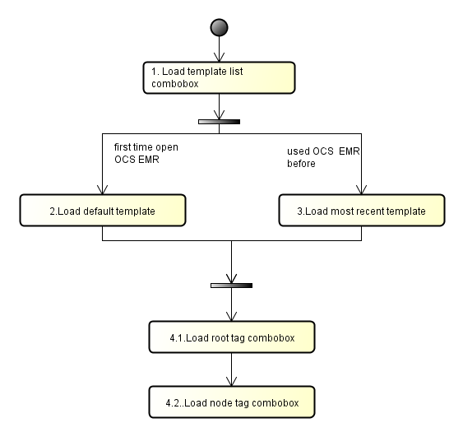

 | 1. Load template list combobox
 |  | ------------ get data for combobox --------------------
 |  | SELECT FIELDS
 |  |  |  | EMR_TEMPLATE_ID,
 |  |  |  | TEMPLATE_NAME, |  |  |  |  |  | -> | [item 1]
 |  |  |  | TEMPLATE_CONTENT,
 |  |  |  | TYPE_TAG
 |  | TABLE
 |  |  |  | EMR_TEMPLATE
 |  | CONDITION
 |  |  |  | HOSP_CODE |  | = | [session].HOSP_CODE |  |  |  |  |  |  |  |  |  |  | AND
 |  |  |  | (PERMISSION_TYPE = 'S' OR (PERMISSION_TYPE = 'P' AND USER_ID = [session].[user_id]))
 |  | ORDER BY
 |  |  |  | TEMPLATE_ID

 | 2. Load default template
 |  | If it's the first time users open this screen -> load default template
 |  | -------- load tags of default template ----------
 |  | TABLE NAME
 |  |  | EMR_TAG_RELATION
 |  | SELECT FIELDS
 |  |  | DISTINCT(EMR_TAG_RELATION.TAG_PARENT)
 |  | REFERENCE TABLE
 |  |  | EMR_TEMPLATE |  | ON
 |  |  |  |  | EMR_TEMPLATE.EMR_TEMPLATE_ID |  |  |  |  |  |  |  |  | = | EMR_TAG_RELATION.EMR_TEMPLATE_ID
 |  | CONDITION
 |  |  | EMR_TEMPLATE.DEFAULT_FLG |  |  |  |  | = | 1
 |  |  | EMR_TEMPLATE.SYS_ID |  |  |  |  | = | [session].USER_ID

 | 3. Load most recent template
 |  | If users already used a template at last time -> next time when OCS EMR is loaded, EMR Editor will load most recent template
 |  |  | -> it means need to cache most recent template at the client

 | 4. Load tag list combobox
 |  | 4.1. Load root tag combobox
 |  |  | SELECT FIELDS
 |  |  |  | EMR_TAG_ID,
 |  |  |  | TAG_CODE, |  |  |  |  |  | -> | [item 6]
 |  |  |  | TAG_DISPLAY_TEXT |  |  |  |  |  | -> | [item 7]
 |  |  | TABLE
 |  |  |  | EMR_TAG
 |  |  | CONDITION
 |  |  |  | TAG_LEVEL = 'R' |  |  |  |  |  |  | AND
 |  |  |  | HOSP_CODE = [hospital_code] |  |  |  |  |  |  | AND
 |  |  |  | FILTER_FLG = 1 |  |  |  |  |  |  | AND
 |  |  |  | ACTIVE_FLG = 1
 |  |  | ORDER BY
 |  |  |  | TAG_CODE

 |  | 4.2. Load node tag combobox
 |  |  | TABLE NAME
 |  |  |  | EMR_TAG_RELATION
 |  |  | SELECT FIELDS
 |  |  |  | EMR_TAG_RELATION.TAG_CHILD |  |  |  |  |  |  |  | -> | [item 6]
 |  |  |  | EMR_TAG.TAG_DISPLAY_TEXT |  |  |  |  |  |  |  | -> | [item 7]
 |  |  |  | EMR_TAG.EMR_TAG_ID
 |  |  | REFERENCE TABLE
 |  |  |  | EMR_TAG | ON
 |  |  |  |  | EMR_TAG.TAG_CODE |  |  |  |  |  | = | EMR_TAG.TAG_CHILD
 |  |  | CONDITION
 |  |  |  | EMR_TAG_RELATION.TAG_PARENT |  |  |  |  |  | = | [item 6] |  |  |  |  | AND
 |  |  |  | HOSP_CODE |  |  |  | = [hosp_code] |  |  |  |  |  |  |  | AND
 |  |  |  | EMR_TAG_RELATION.ACTIVE_FLG |  |  |  |  |  |  |  | = | 1 |  |  | AND
 |  |  |  | EMR_TAG.ACTIVE_FLG |  |  |  |  |  |  |  | = | 1
 |  |  | ORDER BY
 |  |  |  | TAG_CODE

II. Change template
 | If users change template
 |  | - Display warning messages: "Tag contents will be deleted." / タグの内容は削除されます。
 |  |  | YES: remove all contents and replaces by new template
 |  |  | NO: do nothing - keep current template

III.Add comment
 | Action:
 |  | + Select a group of text (or paragraph)
 |  | + Click to Add Bookmark button [item 5] or shortcut [Ctrl 3] or Mouse right click and select [Add comment]
 |  | + Open popup [OCS2015U41]

IV.Insert image
 | Action:
 |  | + Click to [item 3] / mouse right click and click [Insert image] / press shortcut [Ctrl 1]
 |  | + Open file dialog to select images then display selected file in media editor [OCS2015U14]
 | Result:
 |  | + Auto add one more row below the focusing cursor row
 |  | + Insert image to the cell contains [picture box] |  |  |  |  |  |  |  |  |  |  | # refer [item 13]

V.Insert PDF file
 | Action:
 |  | + Click to [item 4] / mouse right click and click [Insert pdf] / press shortcut [Ctrl 2]
 |  | + Open file dialog to select pdf file
 | Result:
 |  | + Auto add one more row below the focusing cursor row
 |  | + Insert pdf to the cell contains [pdf preview]

