Strategy Worksheet
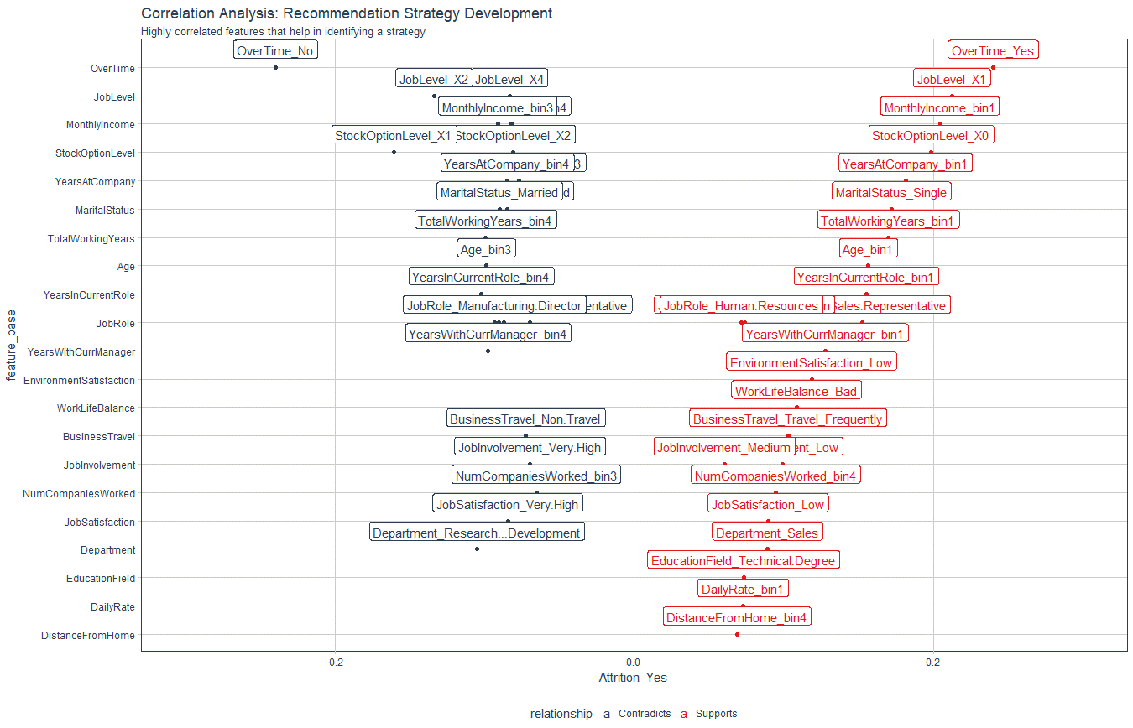
Recommendation Algorithm Strategy

Purpose: | To enable immediate manager to reduce attrition using an automated recommendation system
Strategy Logic: | Uses Correlation Analysis to determine logical strategies that can be adjusted via stakeholder feedback

Feature | Discussion (Hypothesis) | Potential Strategy | Strategy Group
OverTime | Employees with high OT are leaving | Reduce or eliminate OT | Work Life
JobLevel | Employees with job level 1 are leaving; job level 2 are staying | Identify opportunities to promote Job Level 1 employees; promote fster for high performers | Professional Development
MonthlyIncome | Skip for manager level, include in executive report | Discuss competitiveness of bin1 salaries
StockOptionLevel | Skip for manager level, include in executive report | Discuss potential of increased stock options from executive level
YearsAtCompany | More tenured employees are more likely to stay, newer employees are more likely to leave | Tie promotion to professional development for faster advancement | Professional Development/ Personal Development
MaritalStatus | Interesting, but cannot influence (HR constraint); consider lifestyle influences for cultural programs | Consult with executives for company programs these people might like
TotalWorkingYears | Less experienced employees are more likely to leave, more experienced more likely to stay | Provide lower working years to training and development activities | Personal Development
Age | Younger employees are more likely to leave | Skip, covered by total working years
YearsInCurrentRole | Lower years in current working role are more likely to leave | Identify opportunities to incentivize specialization or promote | Professional Development/ Personal Development
JobRole | Skip for manager level, include in executive report | Work with executives to focus more on certain job roles; creating bench or cross-training opportunities
YearsWithCurrManager | See years in current role | Skip, covered by years in current role
EnvironmentSatisfaction | Employees with low environment satisfaction are more likely to leave | Work with executives to identify opportunities to imrprove workplace environment | Work Life
WorkLifeBalance | Employees with a bad worklife balance are more likely to leave | Identify ways to reduce OT or increase flexibility of time to improve worklife balance | Work Life
BusinessTravel | Employees with frequent business travel are more likely to leave, employes with no travel more likely to stay | Reduce business travel where possible | Work Life
JobInvolvement | Employees with higher job involvement are more likely to stay, employees with lower job involvement more likely to leave | Create personal development plan to increase involvement | Personal Development
NumCompaniesWorked | Skip for manager level, include in executive report; employees with more companies worked are more likely to leave | Disucss with executives as potential flag, but cannot control
JobSatisfaction | Employees with higher job satisfaction are more likely to stay, employeeswith lower job satisfaction more likely to leave | Identify factors of lower job satisfaction, consider mentorship programs with highly satisfied employees mentoring lower satisfaction employees. | Personal Development
Department | See job role | Consult with executives for departments that need greater focus
EducationField | Employees with techincal degree are more likely to leave | Consider education program for employees with technical degrees
DailyRate | See monthly income
DistanceFromHome | Employees further away from work are more likely to leave | Consider flex schedules or work from home policy; travel stipend | Work Life

Correlation Analysis: | Used to investigate the relationship between values within features and the target (Attrition = Yes)

