Tank
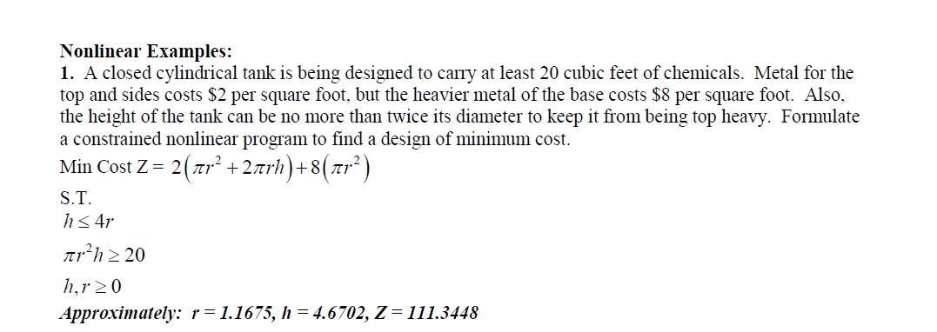

Objective:
 | PI | 3.1415926536 |  |  | Atleast
 | r | 1.1675443213 | 2 | 8.5649852636
 | h | 4.6701772852 | 4 | 68.519882108 | 4.6701772852 | 4.6701772852
 |  |  | 8 | 34.259941054 | 19.999999813 | 20
 |  |  |  | 111.3448

Fertilizer
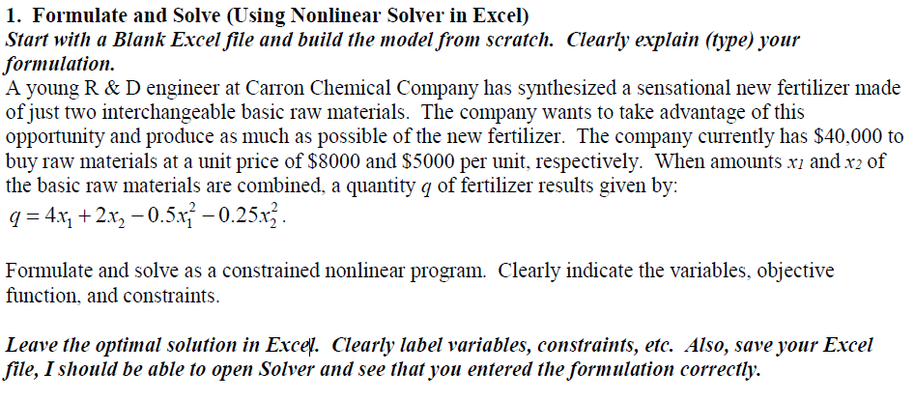

Objective:
 |  |  |  |  | Cost | <= | Less than
 | x1 | 3.1578947368 | 4 | 12.631578947 | $8,000 | $25,263
 | x2 | 2.9473684211 | 2 | 5.8947368421 | $5,000 | $14,737
 |  |  | -0.5 | -4.9861495845 | Total: | $40,000 | $40,000
 |  |  | -0.25 | -2.1717451524
 |  |  |  | 11.368421053

Fencing
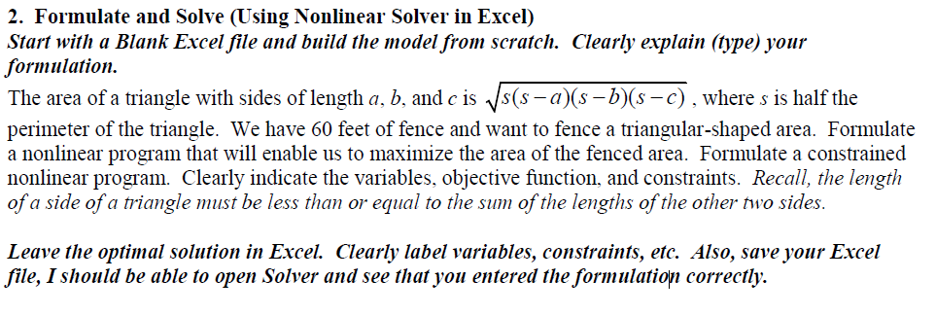
Objective:
 |  |  |  | Coeff
 |  |  |  | 0.5 | 0.0000005
 | a | 0 |  | 0.000001
 | b | 0 |  | 0.000001
 | c | 0.000001 | <= | 0
 | Perimeter | 0.000001 | 60 | Area | #NUM!

