Stocks
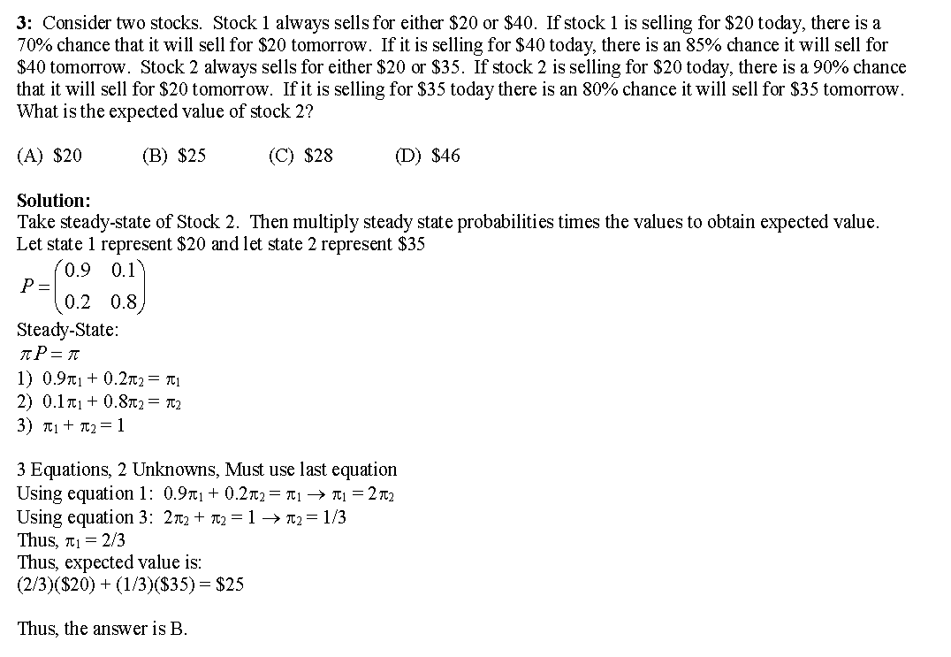
State 1 |  |  | State 1 |  |  | State 2
0.9 | 0.1 | x | 0.9 | 0.1 | = | 0.83 | 0.17 | $35.00 | 11.9
0.2 | 0.8 |  | 0.2 | 0.8 |  | 0.34 | 0.66 | $20.00 | 13.2
 |  |  |  |  |  |  |  |  | 25.1

