Fertilizer
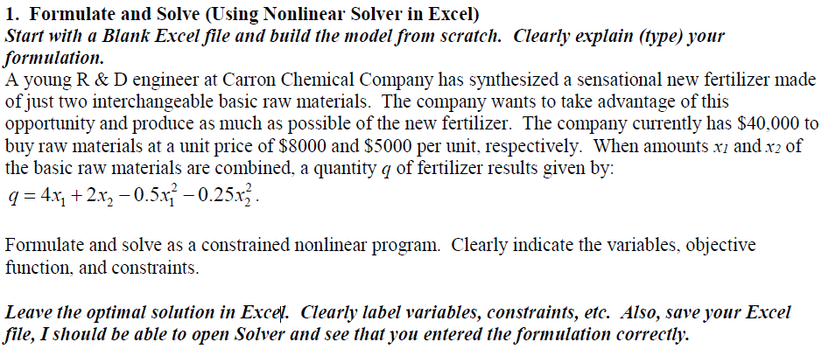
 | x1 | x2 | x12 | x22
Objective | 53687091.2 | 26843545.6 | 6710886.4 | 3355443.2 | MAX | 272,629,760.00
 | 4 | 2 | 0.5 | 0.25

Fencing
