Tank
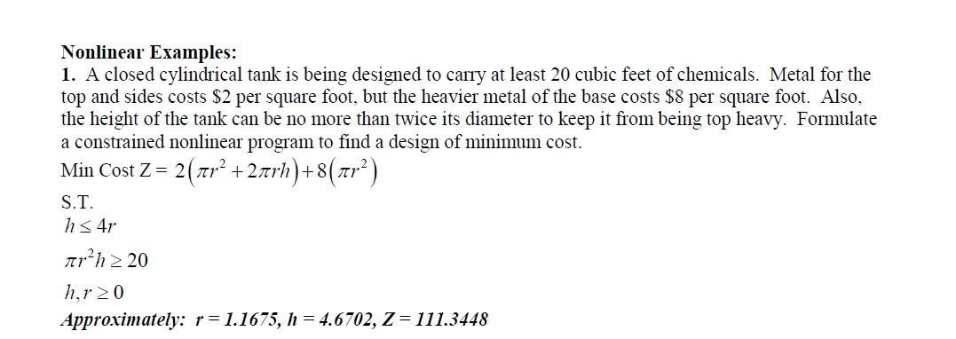

Objective: |  |  | Coef. |  | Constraints:
 | PI | 3.1415926536
 | r | 1.1675 | 2 | 8.5649852636
 | h | 4.6702 | 4 | 68.519882108 | 4.6701772852 | >= | 4.6701772852
 |  |  | 8 | 34.259941054 | 19.999999813 | >= | 20
 |  |  |  | 111.3448

Fertilizer
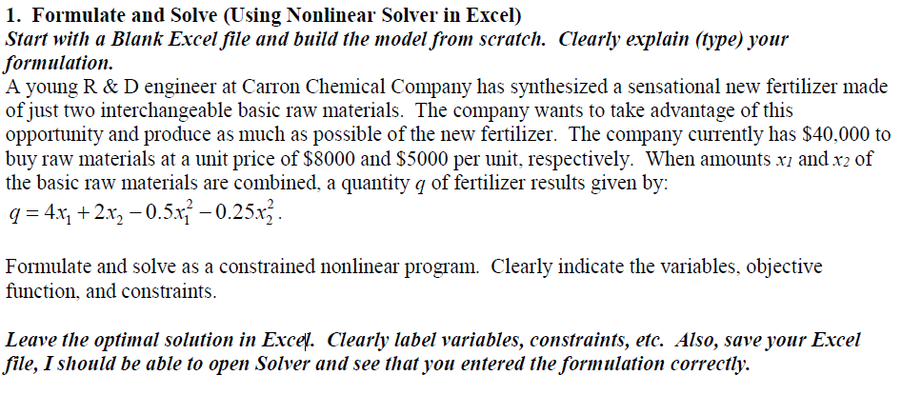

Objective:
 |  |  | Coef. |  | Cost | <= | Less than
 | x1 | 3.1578947368 | 4 | 12.631578947 | $8,000 | $25,263
 | x2 | 2.9473684211 | 2 | 5.8947368421 | $5,000 | $14,737
 |  |  | -0.5 | -4.9861495845 | Total: | $40,000 | $40,000
 |  |  | -0.25 | -2.1717451524
 |  |  |  | 11.368421053

Fencing
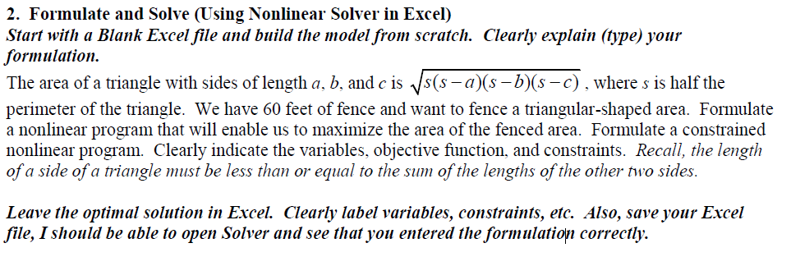
 | Objective:
 |  |  |  |  | Constraints: | Coef: | S | Area:
 |  |  |  |  |  | 0.5 | 30 | 173.20508076
0 | < | a | 20.00 | <= | 40.00
0 | < | b | 20.00 | <= | 40.00
0 | < | c | 20.00 | <= | 40.00
 |  | Perimeter | 60.00 | <= | 60

