iBimax for Web
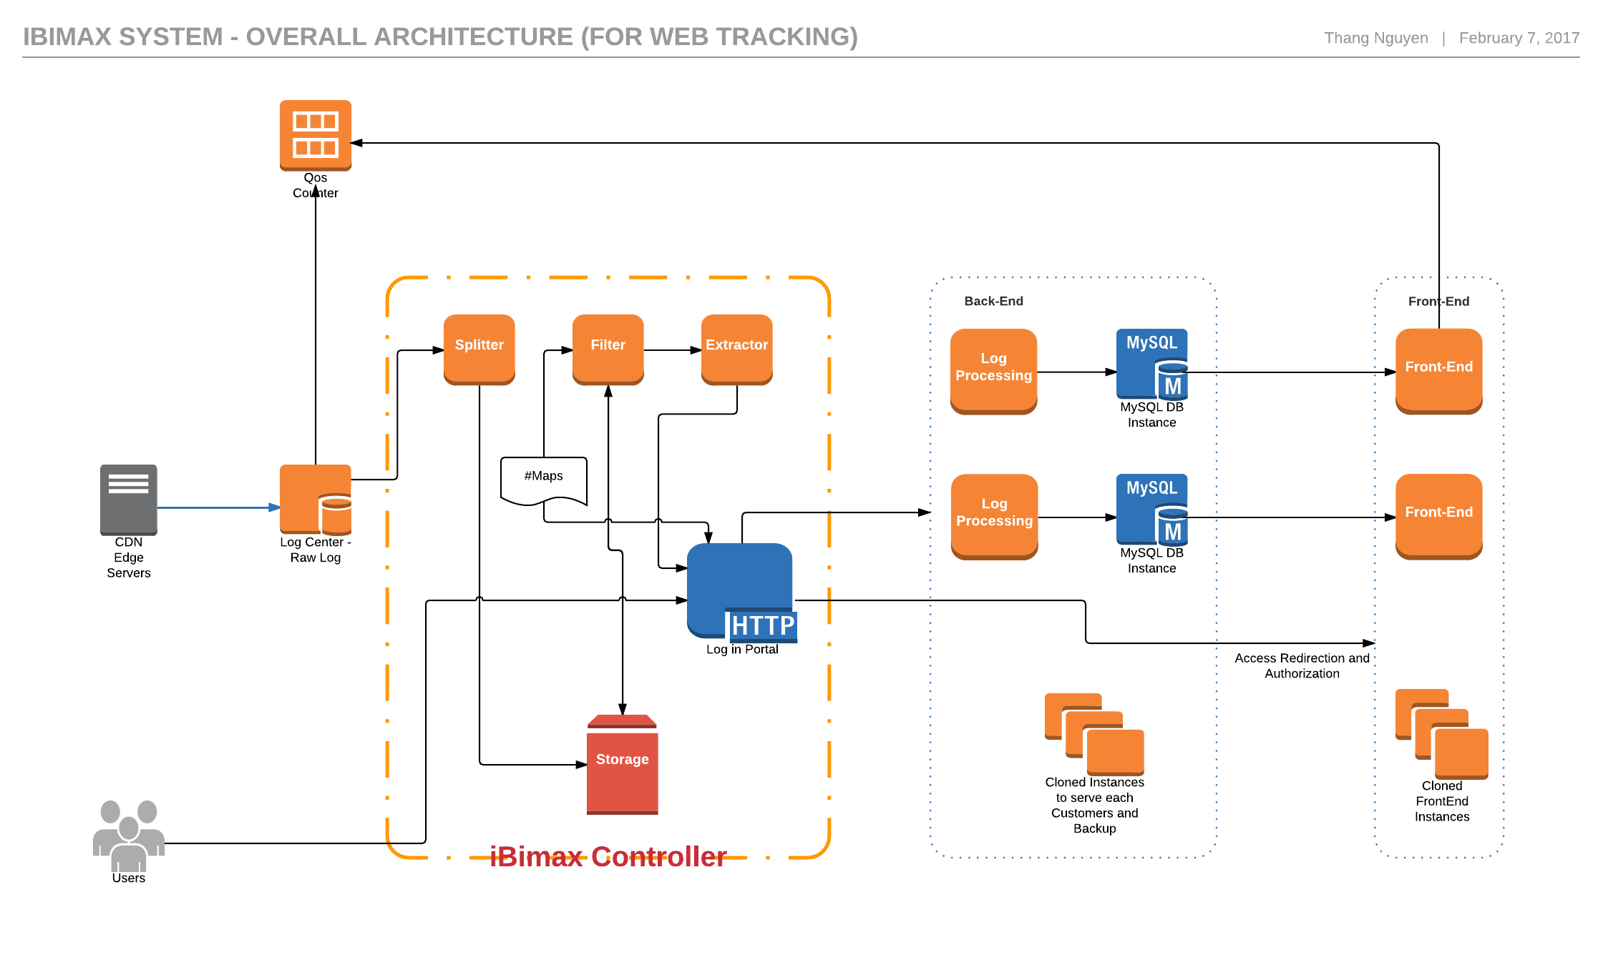

iBimax for Media
 | Should this be generated by the Controller??
Tracking Scripts

Streaming Server

Loading video framesand tracking script
 |  | iBimax Controller | Back-End |  | Front-End

Client
Log in Portal
Tracking Processing
MySQL DB
Front-End

 | HTTP Requests

 |  |  |  | Cloned |  | Cloned

 |  |  |  | Access Redirection and Authorization

iBimax Front-End and Back-End
1 | Dockerized Server Architecture

 |  |  |  |  |  | iBimax Server
 |  |  | iBimax Controller

Log Extractor
Piwik Docker
Redis Docker

Web Client
Log in Portal
 |  |  | HTTP Port |  | Piwik Port |  |  |  | Redis Port

User

MySQL DB Docker

 |  |  |  |  |  |  | MySQL Port

2 | Piwik Architecture - Piwik Docker
Back-End

Piwik Components - Dockerized

Log Receiver
import_logs.py
Piwik Core
Piwik QueuedTracking
Redis Docker
 |  | HTTP Calls

 |  |  |  |  |  | Batch Processing

My SQL Docker
 |  |  |  |  |  |  |  | Raw Log

Piwik Archiver
Core & Plugin Archivers

 |  |  |  |  |  |  |  | Archive Data

Piwik View
Core & Plugin Reports
 |  |  |  | HTTP

Front-End

 |  |  |  |  | API
QoS Counter

